Workflow and SOP
 | Remarks about workflow and SOPs: Below is explained our current (manual) workflow and SOPs. We invite participants to propose changes to the workflow that might increase throughput or make automation easier. However, the goals should still be reached (goals are marked red). Plate formats are suggestions and can be changed.
 | WORKFLOW
Passage N# | P+1 | P+2 | P+3 | P+4 | P+5
 | On day 0 hiPS cells are (manually) inserted into the UP.SIGHT to be dispensed (directly!) into prepared 384 well plate. One cell per well is dispensed to gain clonal hiPSCs colonies. | max. 96 colonies from 384-well plate are replica split (duplicated) into two 96-well plates. Inbalanced replica splitting of each colony; 25% into one well of in plate A and the rest in the corresponding well of plate B (e.i. A1 in both plates comes from the same colony obtained from the 384-well plate). Leftover clones from 384-well plate are discarded. | Up to 12 clones are passaged into a 12-well plate. Each clone in a separate well. | 3 Clones are passaged to 3 wells of 6-well plates (Leaving 3 wells empty); each clone on a separate plate. | Each Clone is passaged to 3 wells of a 6well plate.
 | When dispensing is done, plates are directly transferred to incubator.
 | Day 4, 6, 8 and 10 plate is imaged using the UP.SIGHT Bottom imager. Pictures uploaded to C.studio software. Imaging 1 (96-well) plate takes ~5 min per plate. | Plate A is imaged with UP.SIGHT bottom imager 2, 4 and 6 days after passaging. | Plate is imaged with UP.SIGHT bottom imager on day 4, 6 and 7 after passaging. | Plates are imaged with UP.SIGHT bottom imager on day 5 and 7 after passaging. | Plates are imaged with UP.SIGHT bottom imager on day 5 and 7 after passaging.
 | Day 2 after dispensing medium is added, afterwards refreshing of medium every 2 days. Refreshing is removing old medium and adding fresh culture medium. Cells are attached and stay in plate. | Plates are refreshed every 2 days, beginning the day after replica-splitting. | 12-well plate is refreshed every 2 days, beginning the day after passaging. | 6-well plates are refreshed every 2 days, beginning the day after passaging. | 6-well plates are refreshed every 2 days, beginning the day after passaging.
 |  | 2-3 days after passaging, plate B is harvested with Quick-Extract and removed from system for genetic screening (See below) |  | On day 6 after passaging, 1 well is dissociated and transferred to individual tubes for further analysis (DNA isolation). | On day 6 after passaging, 1 well is dissociated and transferred to individual tubes for further analysis (FlowCytometry Analysis).
 | Colonies are passaged when >70% confluency is reached. | Clones from plate A are passaged when genetic screening is complete and selected wells have reached >70% confluency. | When clones reach <70% confluency and based on morphology normally 3 clones are selected for passaging. | On day 7, 1 well of each clone is selected for passaging based on morphology.
 | Leftover clones on 384-well plate are discared. | Leftover clones on 96-well plate are discared. | 12-well plate is ejected from system for further manual handling (Freezing). | After passaging, plates are ejected from system for further manual handling (Freezing). | On day 7, plates are ejected from system for further manual handling (Freezing).
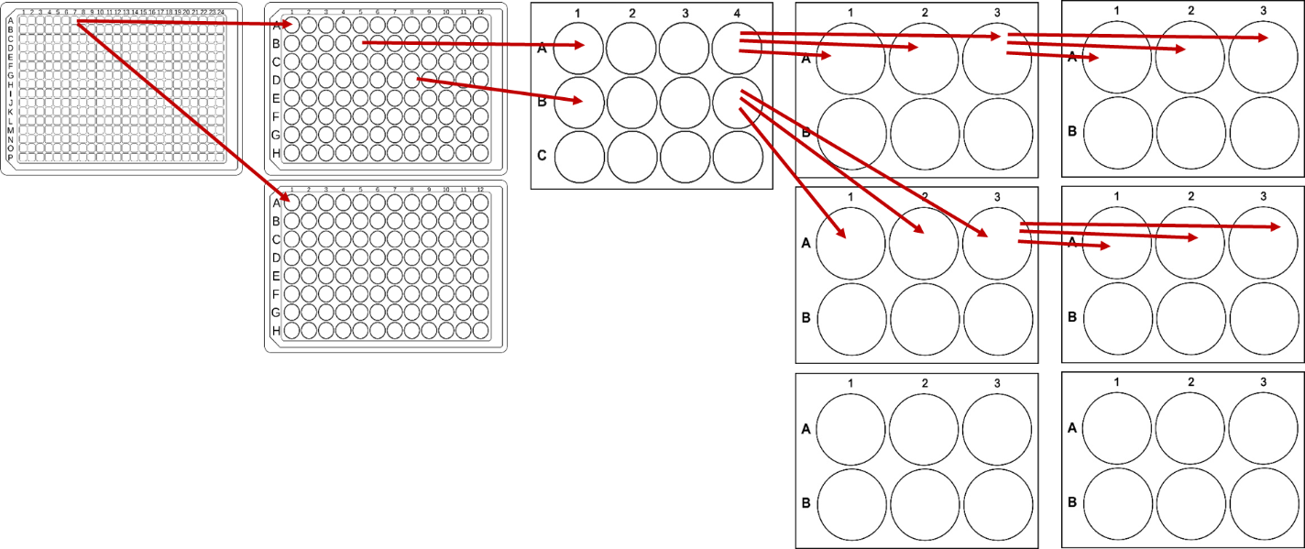

 | Protocol Passaging of hiPSCs

Passaging (6- and 12-well plate)
1. | Aspirate culture medium.
2. | Wash cells once with PBS, aspirate PBS.
3. | Add 1ml/well Accutase.
4. | Incubate at 37C for 5 min.
5. | Mechanicaly dislodge cells by pipetting multiple times in the well.
6. | Transfer cell suspension to new plate containing culture medium. Dilution 1:10(100uL)-1:50(20uL).
7. | Shake plate in cross motion (forward-back+left right) for even distribution of cells.
8 | Transfer plate(s) to incubator 37C.

Passaging (384- and 96-well plate)
1. | Aspirate culture medium.
2. | Wash cells once with PBS, aspirate PBS.
3. | Add 40uL/well Accutase.
4. | Incubate at 37C for 7 min.
5. | Add 60uL/well culture medium.
6. | Completely dislodge cells by pipetting repeatetly.
7. | Transfer cell suspension to new plate.
 | a. 384 to 96 well --> Transfer 25 uL to plate A, Transfer 75 uL to plate B.
 | b. 96 to 12 well --> Transfer 50uL to 12 well plate, discard rest.
8 | Shake plate in cross motion (forward-back+left right) for even distribution of cells.
9 | Transfer plate(s) to incubator 37C.

 | Protocol Quick Extract DNA purification

1. | Remove (96-well) plate from incubator.
2. | Aspirate Culture Medium.
3. | Wash cells once with PBS, aspirate PBS.
4. | Add 30µL of Quick-Extract solution to each well.
5. | Incubate at 37C for 5 min.
6. | Repeatedly pipet up and down to lyse the cells.
7. | Transfer 30uL to 96-well PCR plate(Cat#???)

If thermal cycler is included in setup: Place PCR plate in Thermal cycler and run protocol
If no heatblock is included in setup: Place plate in hotel and notifiy user that plate is ready for pick-up.

Lab Location
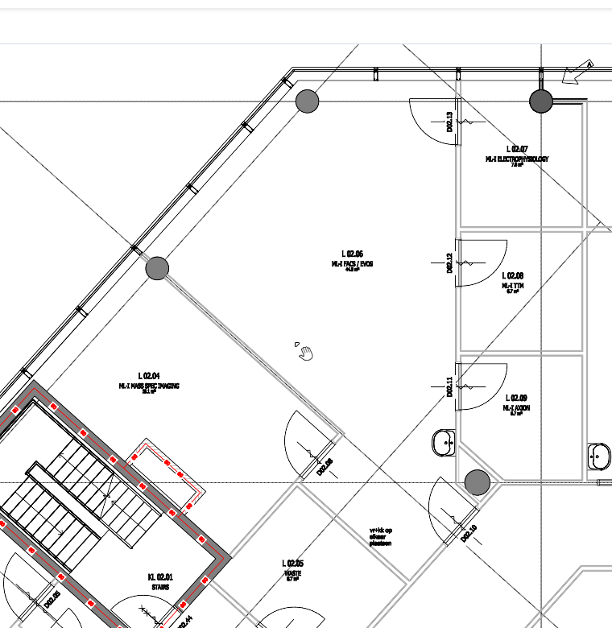
Red | Space available instrument
A | 5900mm
B | 4300mm
C | 3800mm
D | 3000mm
E | 1700mm
Ceiling is 2700mm
For fire-saftey reasons the platform cannot be higher then 2400mm when completed.

B
C
Total area:
~23m2
Location of utilities would preferably be along wall A, but is flexible.

For transport, smallest spaces to go through:
Smallest door: |  | 900mm x 2290mm | (door of designated room)
Elevator size: |  | 1090mm x 2300mm x 2400mm |  | max. 1600kg
Narrowest turn: |  | 2000mm | (hallway in front of lab)
D

A

E

