1. Start HERE
Foundational requirements v1.1 - December 2025

Click below for quick navigation between steps
STEP 1 - Start HERE
Go to STEP 2 - Customize
Go to Foundational Requirements
Go to useful information
Go to Categories

Introduction
A functional requirement specifies something the system must be able to do. It specifies a feature, expressed as a specific function or as a broadly defined behavior. In contrast, a foundational requirement (sometimes referred to as non-functional requirement) focuses on how well the feature works, defining quality attributes for the system. These foundational requirements are intended to set clear expectations with suppliers regarding the IT-Solution to be delivered. Next to that it can be used as a point of departure for internal dialogue about which requirements are needed in the specific context of the product or service that is being procured.

Structure
The foundational requirements are structured around twelve categories. Each domain covers a specific set of foundational requirements.
These domains are:
1. Contract Management
2. Sustainability
3. Usability
4. Privacy
5. System Resilience and Dependability
6. Data Management & Archiving
7. Architecture
8. Identity & Access Management (IAM)
9. Infrastructure
10. Application Management
11. Security
12. Integrations & Business Intelligence
Each category contains a number of requirements in English and Dutch, a topic, an explanation about the context of the requirement (for suppliers) and internal references.
- Other useful information?
Please also read tab "Useful information" for more tips, tricks and background regarding the foundational requirements.
- Relation to other documents?
These requirements are typically part of a larger set of documents like an Agreement, Terms and conditions (ARBIT, ARVODI, ARIV), Data Processing Agreement, Request for Proposal, Functional requirements, Service Level Agreement. etc. It is advised to have a cross-check between these documents to prevent duplications, omissions, consistent terminology to create a cohesive set of documents.
- Relation to what is being procured?
Not all foundational requirements are suitable for all types of products/services/markets. Please tailor the requirements to the product/service and supply market (supplier size, number of suppliers). The tab 'Tailor' is aimed at helping institutions tailor the requirements to their circumstances.
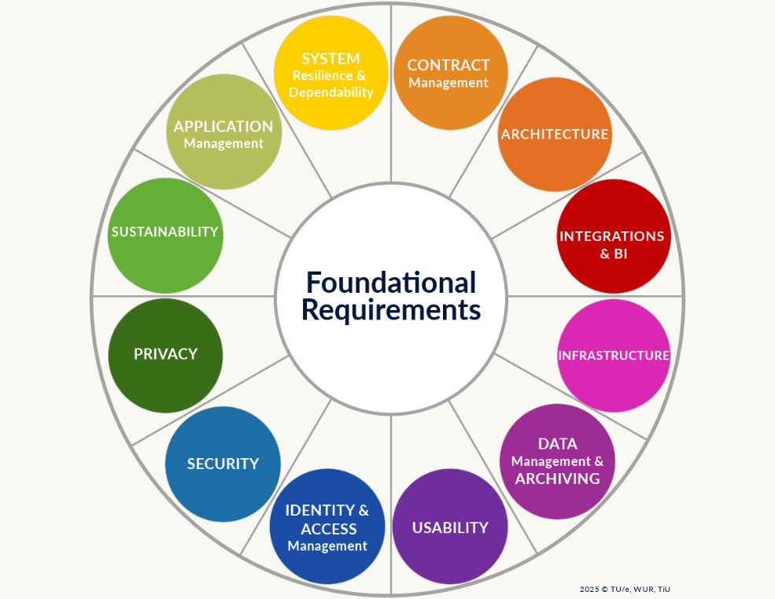

Table of contents
Tab: Explanation:
Start here This page, a read me regarding the foundational requirements
Categories A description of the categories within the foundational requirements
Useful information A description why these requirements are important, what assumptions are the basis of the requirements, tips and tricks and useful links
Customize Tab for changing definitions and/or answering questions which translate into an advice regarding which requirements are relevant
Foundational requirements The foundational requirements
Functionals Potential functional requirements (to be decided upon in the future: expand or delete)
Contents of Tab foundational requirements:
Column: Explanation:
A - Advice Moscow By answering questions in the tab 'Customize' a MOSCOW advice to be checked based on a general rule of thumb will become visible in this column
B - ID The unique identifier of the requirement
C - Category The category / domain the requirement is related to
D - Topic The topic within the category the requirement is related to
E - Requirement (EN) The description of the requirement
F - Eis (NL) The description of the requirement in Dutch
G - Requirement (EN) - Adjusted definitions It is possible to adjust the definitions used in the foundational requirements in the tab 'Customize', if used the adjusted requirement will become visible in this column
H - Eis (NL) - Aangepaste definities It is possible to adjust the definitions used in the foundational requirements in the tab 'Customize', if used the adjusted requirement will become visible in this column in Dutch
I - Context of statement Additional information for suppliers with the context of a requirement, hopefully preventing questions
J - Why is this statement relevant? Additional information for internal use regarding the relevance of the statement to the organization.
K - General remarks Additional information for internal use, when to use the requirement, is it optional, which rules and regulations does it relate to etc.

Questions and/or feedback?
For questions about the foundational requirements, please contact:
1. The specialist of your institution regarding the domain where the foundational requirement is part of;
2. Contact us via the Microsoft Form https://forms.office.com/e/bmm0nFPkZR
Please also provide us with feedback, so we can build upon and improve these foundational requirements
via the Microsoft Form https://forms.office.com/e/bmm0nFPkZR
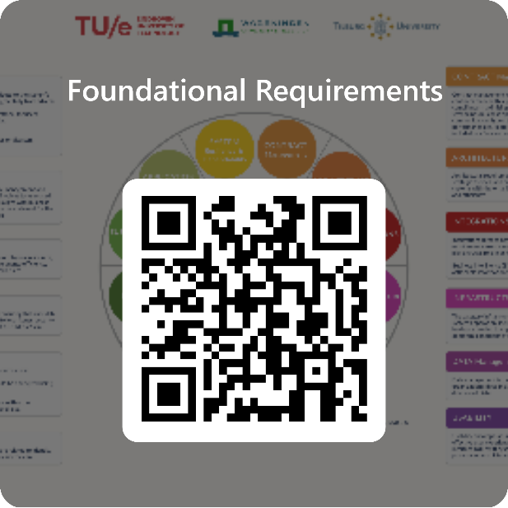

Justification
Source
These foundational requirements are a combination of the non-functional requirements of Eindhoven University of Technology (TU/e), Wageningen University and Research (WUR) and Tilburg University. Additional input regarding the overarching setup and plan of approach was provided by SURF, Hanzehogeschool Groningen, MBO Rijnland, Fontys and Yuverta in a joint workgroup to ensure boader usability for governmental and educational institutions.
This Licensed Material is made available under the terms and conditions of a Creative Commons Attribution-NonCommercial-ShareAlike 4.0 International Public License ("Public License"). By using them you accept and agree to be bound by the terms and conditions of this Public Lisense. You are free to share (copy and redistribute the material in any medium or format), adapt (remix, transform and build upon the material under the following terms:
Attribution — You must give appropriate credit , provide a link to the license, and indicate if changes were made . You may do so in any reasonable manner, but not in any way that suggests the licensor endorses you or your use.
NonCommercial — You may not use the material for commercial purposes
ShareAlike — If you remix, transform, or build upon the material, you must distribute your contributions under the same license as the original.
No additional restrictions — You may not apply legal terms or technological measures that legally restrict others from doing anything the license permits.
When using this Licensed Material, please use the following method of attribution: “Foundational Requirements - TU/e, WUR, Tilburg University”, license under: CC BY-NC-SA 4.0.
Please visit http://creativecommons.org/licenses/by-nc-sa/4.0 for more information regarding the license.
Rights and indemnification
TU/e, WUR and Tilburg Universitytailor are aware of its responsibility to provide the most reliable publication possible. Nevertheless, we cannot accept any liability for any inaccuracies, incompleteness, or omissions in this publication. TU/e, WUR and Tilburg University accept no liability for any use of the present publication or damage arising from the contents of the publication or from its application.
Courtesy of
The representatives of educational institutions, organizations and partnerships from the education sector that contributed to the development of these foundational requirements. In particular:
Yasine Ajlane - TU/e
Erik van den Bergh - WUR
Andrea Bolhuis - WUR
Neal Bongers - Tilburg University
Peter Bos - WUR
Frank Bosma - TU/e
Jeroen Bovend'eerdt - TU/e
Anneke van Deijl - Tilburg University
Mark Braspenning - TU/e
Huub De Hesselle - TU/e
Jeroen Dielissen - TU/e
Pam Dupont - Tilburg University
Jeroen Egmond - Tilburg University
Sandor Eras - WUR
Karin van der Esch - TU/e
Development and maintenance:
These foundational requirements were created in collaboration with representatives of various institutions through an iterative process. Development and management of these requirements is the responsibility of TU/e, WUR and Tilburg University.
Feedback and opportunities for improvement:
Feedback about (the use of) the foundational requirements can be submitted through Microsoft Forms https://forms.office.com/e/bmm0nFPkZR. All feedback is important. So please provide us with your general comments, feedback while using this FR in tenders, etcetera, so we can incorporate lessons learned and improvements in future versions. We also aim to set up a Frequently Asked Questions (FAQ) in case questions are raised multiple times.

Vanessa Henraat - TU/e
Bert van Iersel - TU/e
Joost de Jong - TU/e
Kevin Kluijtmans - WUR
Hans Kramer - MBO Rijnland
Martijn Kuyvenhoven - WUR
Vera van Lierop - TU/e
Pieter Mandos - TU/e
Thieu Mennen - TU/e
Bram Meijer - Tilburg University
Bas van Nunen - Tilburg University
Miranda van der Ploeg - Tilburg University
Jola Prinsen - Tilburg University
Thijs van Rossum - WUR
Merijn van de Schoot - Tilburg University
Joan Schrijvers - WUR
Wybe Smits - TU/e
Dean Strik - TU/e
Anja Teeuwen - Tilburg University
Lise Traa - Tilburg University
Marnie van der Wel - Tilburg University
Freek Wellerdieck - WUR
Casimir Wernaart - Tilburg University
Sanne van Wingen - WUR
Edwin op de Woert - WUR
Ivo van Zitteren - Tilburg University
Paul Zoontjens - Fontys
Floris Jan Zwaan - WUR
Gert Zwaan - WUR
Gartner

Colofon
Authors
Karin van der Esch (TU/e) - j.a.v.d.esch@tue.nl
Sandor Eras (WUR) - sandor.eras@wur.nl
Merijn van de Schoot (Tilburg University) - M.C.X.vdSchoot@tilburguniversity.edu
Frank Bosma (TU/e) - f.bosma@tue.nl
Document name
Foundational requirements
Version number
1.1
Version date
01-12-2025
Document management
The management (and update) of this document is entrusted in TU/e, WUR and Tilburg University.

Release notes / changelog
v1.0 vs. v1.1
Based on feedforward from TU/e, WUR, Tilburg University, SURF, Deltion, Haagse Hogeschool and Hogeschool Rotterdam the following improvements were introduced. Thank you all for your input!
General
A MOSCOW (Must have, should have, could have, won't have this time) advice was added based on a number of questions to be answered by the institution in the tab 'Customize' .
Minor updates removing typo's and renumbering of requirements (when processing feedback)
Adjustments based on feedforward from institutions
1. A requirement was added to the category Contract Management (CM) to cover a change of control (merger, aquisition etc.) situation of the Contractor (CM-17 in v1.1).
2. A requirement was added to the category Sustainability (SU) to cover adding specific sustainability requirements per type of IT-Solution (SU-3 in v1.1).
3. In the category IAM:
- IAM-1 was updated to include push and pull;
- IAM-3 was updated to allow the option to choose an appropriate system identifier;
- IAM-12 (in version 1.0) was deleted, since this is already covered by IAM-1;
- IAM-13 (in version 1.0) was rephrased to more adequately cover the intention of the requirement (and renumbered to IAM-12 in v.1.1).
4. In the category AM:
- AM-17: The requirement was adjusted to create alignment with the EU Data Act
5. A requirement was added to create awareness towards other trends and developments like AI and digital sovereignty. It acts as a reminder that additional requirements may be neccesary to align with your organizations strategy (MISC-1 in v1.1).

2. Customize
 | STEP 2 - MAKE IT YOURS
 | Click below for quick navigation between steps
Go to STEP 1 - Start HERE
STEP 2 - Customize
Go to Foundational Requirements
Go to useful information
Go to Categories

A. | Customize Terms & Definitions

 | Standard terms and definitions were used in these foundational requirements. If you would like to change them please put "your" institutions terminology in the yellow cells, the adjusted terms will then become visible in the foundational requirements columns F and G.
 | Please note: Terms and definitions are written with a capital letter in the foundational requirements.

 | Adjusted term (optional) |  | Standard term |  |  | Definition
 | Dutch | English | Dutch | English
 | Test1 | Test1 | Overeenkomst | Agreement |  | The Agreement including the accompanying Annexes.
 | Test2 | Test2 | Opdrachtgever | Client |  | The legal entity under public law for whose benefit the Agreement is concluded
 | Test3 | Test3 | Opdrachtnemer | Contractor |  | A Contractor or supplier with whom the Agreement is concluded, who has undertaken to perform a Public Service Contract.
 | Test4 | Test4 | Gegevens | Data |  | All Data, details, information and any other material or content which Client and/or Users, in the context of the Agreement, enter, send, place, or otherwise process by means of the IT-Solution and/or parts of such, including personal data.
 | Test5 | Test5 | IT-Oplossing | IT-Solution |  | The solution to be delivered by Contractor under the Agreement, such as a system, platform, or software.
 | Test6 | Test6 | Partijen | Parties |  | Joint name for the Contractor and the Client
 | Test7 | Test7 | Persoonsgegevens | Personal Data |  | Any data concerning an identified or identifiable natural person, which is or will be processed in any way by Contractor and/or otherwise in the IT-Solution within the scope of the Agreement.
 | Test8 | Test8 | Gebruiker | User |  | A (natural) person affiliated in any way with Client, such as Clients' staff, students, or customers, authorized by the Client to use (a particular part of) the IT-Solution.

B. | MoSCoW Advice based on product/service characteristics

 | The following questions can be answered and are converted to an advice whether or not a foundational requirement is relevant in the given context
 | Please note: This is an advice, based on a general rule of thumb. The decision to go with the advice or ignore it should be taken on a case by case basis, based on the specific context of a IT-Solution in your institution, the associated supplier market and in consultation with experts.

 |  |  |  |  | Drop down | Options
1. | Is the IT-Solution hosted on premise, SaaS or this is unknown as of now? |  |  |  | SaaS | On premise, SaaS, unknown
2. | Is a tailor made Agreement / SLA of Client included in the tender documents? |  |  |  | No | yes, no
3. | What type of Contractors are present in the supplier market? |  |  |  | Small & medium size enterprises (SME) | Large corporations, Small & Medium size enterprises (SME), A mix
4. | What is the CIA classification of the Data in the IT-Solution? |  |  |  | Select | Low, medium, high, critial
5. | Does the IT-Solution require interfaces with other systems? |  |  |  | Yes | yes, no
6. | Is there hardware being procured? |  |  |  | No | yes, no
7. | Option to add another question |  |  |  | Select | yes, no
8. | Option to add another question |  |  |  | Select | yes, no
9. | Option to add another question |  |  |  | Select | yes, no
10. | Option to add another question |  |  |  | Select | yes, no

 | MoSCoW definitions
 | Based on Wikipedia definitions: https://en.wikipedia.org/wiki/MoSCoW_method

 | Must have | Requirements labelled as Must have are critical to the current delivery timebox in order for it to be a success. If even one Must have requirement is not included, the project delivery should be considered a failure (note: requirements can be downgraded from Must have, by agreement with all relevant stakeholders; for example, when new requirements are deemed more important). MUST can also be considered an acronym for the Minimum Usable Subset.
 | Should have | Requirements labelled as Should have are important but not necessary for delivery in the current delivery timebox. While Should have requirements can be as important as Must have, they are often not as time-critical or there may be another way to satisfy the requirement so that it can be held back until a future delivery timebox.
 | Could have | Requirements labelled as Could have are desirable but not necessary and could improve the user experience or customer satisfaction for a little development cost. These will typically be included if time and resources permit.
 | Won't have (this time) | Requirements labelled as Won't have, have been agreed by stakeholders as the least-critical, lowest-payback items, or not appropriate at that time. As a result, Won't have requirements are not planned into the schedule for the next delivery timebox. Won't have requirements are either dropped or reconsidered for inclusion in a later timebox. (Note: occasionally the term Would like to have is used; however, that usage is incorrect, as this last priority is clearly stating something is outside the scope of delivery). (The BCS in edition 3 & 4 of the Business Analysis Book describe 'W' as 'Want to have but not this time around')

Useful information
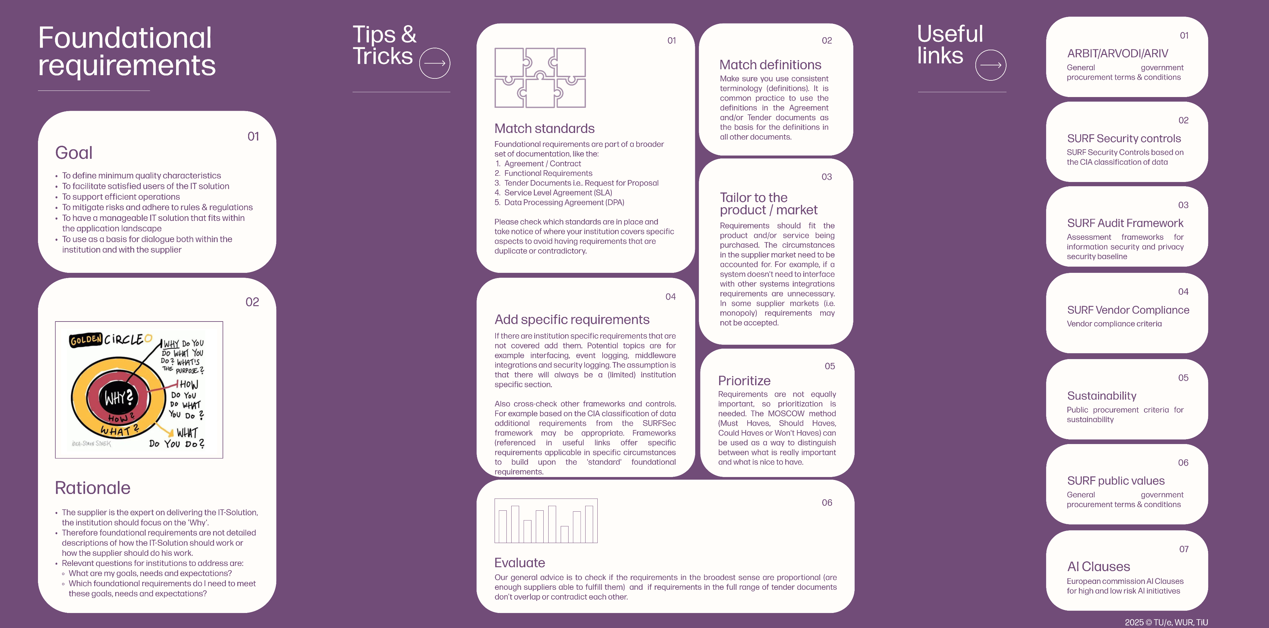

Categories
