3.17.1 Vibration test
Description | Value | Unit
Speed during measurement | 79 | rpm
Vibration severity class | B | -
Shaft height H |  | mm
Maximum velocity value <= | 1.5 | V rms (mm/s)
Machine installation (free or rigid) | rigid | -
Test rig, machine on floor or free shaft hanging in crane (preferably). | machine on floor | -
Machine position during measurement is always horizontal, regardless of the installation setup at the end customer. | horizontal | -
Table 3.17.1: Imposed vibration parameters for testing.

Vibration severity grades | Machine installation | Shaft height H (mm)
 |  | 56 £ H £ 132 | H > 132
 |  | Vrms (mm/s) | Vrms (mm/s)
A | Free suspension | 2.8 | 2.8
 | Rigid clamping | - | 2.3
B | Free suspension | 1.1 | 1.8
 | Rigid clamping | - | 1.5

Table 3.17.2: Vibration limits for maximum vibration severity in terms of vibration velocity (Vrms) for the shaft height H.

3.17.2 Vibration test
The vibration measurement of the machine is measured according to the standard NEN-EN-IEC 60034-14, edition 2018, without load (no-load) and rigid or free suspension (see table 3.17.1).

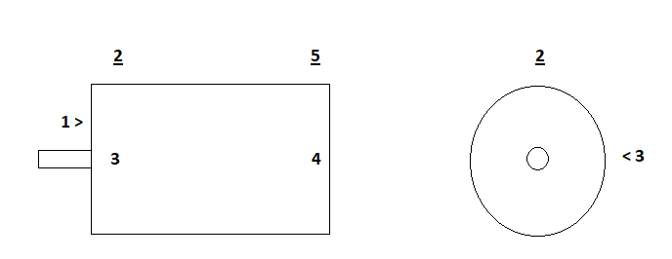

Fig. 3.17: Vibration test set up (DE = Drive End, NDE = Non Drive End).

Measuring point | Vibration no-load forced cool fan on | Vrms(mm/s) | Vibration no-load forced cool fan off | Vrms(mm/s)
1 Axial DE
2 Top DE
3 Right side seen from shaft, halfway at DE
4 Right side seen from shaft, halfway at NDE
5 Top NDE

Table 3.17.3: Measured vibrations.
 | Vibration Test

 | Pass | Fail | N.T. | N.A.

3.18.1 Noise test
The noise measurement of the machine is measured with an A-weighted pressure level L_{pa} (dBa). The noise measurement takes place at 6 different measuring points around the machine at a distance of 1 meter from the outside. The measurement is carried out at no load with a nominal speed. If forced cooling is present, noise will be measured with forced cooling switched on and off.

Description | Value | Unit
Speed during measurement | 79 | rpm
Imposed maximum value Lpa | 76 | dB(A)
Tolerance maximum value Lpa | 2 | dB(A)
Maximum value always < 80 dBa (with VSD) | 78 | dB(A)
Cooling type |  | -
Cooling description
Machine position during measurement (vertical / horizontal) | horizontal | -
Table 3.18.1: Imposed noise parameters for testing.

3.18.2 Noise test
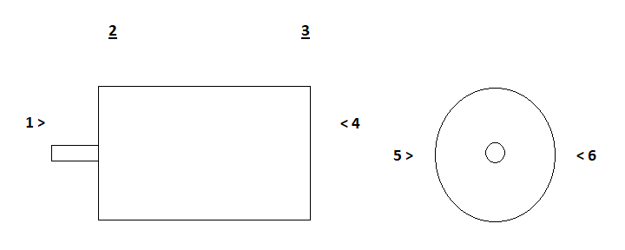

Fig. 3.18: Noise test set up (DE = Drive End, NDE = Non Drive End).

Measuring point distance 1 meter | Noise no-load forced cool fan on | Lpa (dBa) | Noise no-load forced cool fan off | Lpa (dBa)
1 Axial DE
2 Top DE
3 Top NDE
4 Axial NDE
5 Left side seen from shaft, halfway, between DE and NDE.
6 Right side seen from shaft, halfway, between DE and NDE.
7 Background, machine switched off

Table 3.18.2: Measured noises
L_{A} = level of acoustic pressure (dBa), d = 1 m.
 | Noise Test

 | Pass | Fail | N.T. | N.A.

3.19 Locked Rotor Test
Locked Rotor Test (aka: Blocked Rotor Test, Short-Circuit Test), only in case of IM Machines.
It determines torque, motor characteristics and short-circuit current at normal voltage.

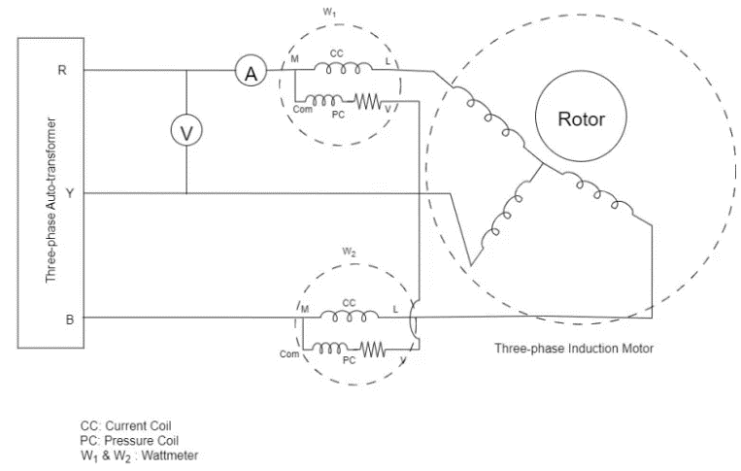
 | Procedure

1 | Connect circuit diagram
2 | Block Rotor
3 | Apply low voltage to stator (start with 0V)
4 | Measure voltage, current, power, cos phi and frequency
5 | Increase voltage in small steps till rated current

 | Rated current
 | Ir(A)

 | Rated voltage
 | Ur(V)
 | 500

 | br = blocked rotor
 | Isc = short circuit current at rated voltage

 |  |  |  |  |  | Pbr = W1 + W2

 | Ubr(V) | Ibr(A) | Isc(kA) | W1(W) | W2(W) | Pbr(W) | Cos j (-) | f(Hz)

