Instructions
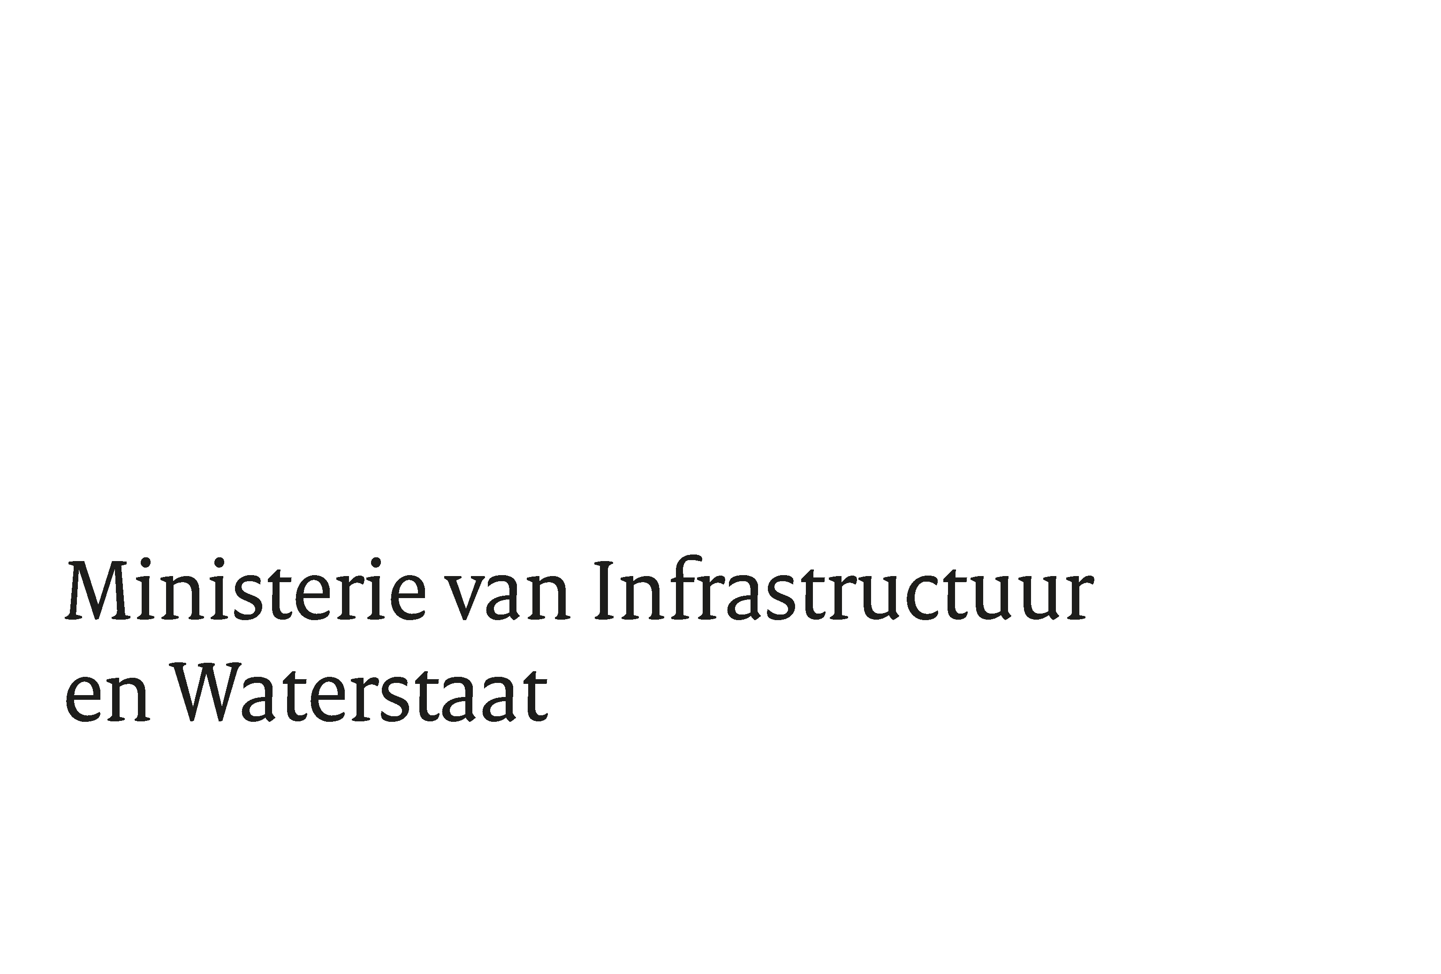
 | Annex 7 - Pricing Sheet
 | For the public European Tender ‘Pressure standard for absolute gas pressure’ with reference no. TN 514478 - 31203349

 | General
- | Tenderer should complete the yellow shaded cells of all tabs with the requested information and sign the form validly. Adjusting/filling/changing other cells is not permitted and will result in exclusion from participation in the tender.
-
- | Misinterpretation of this Pricing Sheet is the responsibility of the Tenderer. Questions regarding this Price Sheet may be asked, in accordance with the options set out in the Invitation to Tender.
- | All prices are in Euros, excluding VAT.
- | Quoted prices are all-in prices including all costs, but not limited to, transport costs, travel costs and travel time, overheads, ICT costs, reporting costs, insurance costs, etc. The all-in price should also include the Principal's ability to make further choices within the various themes. The Contractor must build in a margin for progressive insight. There are therefore no additional costs for the Contracting Authority.
- | The price is based on the latest version of the Guidelines including all rectifications (if any) as stated in the Statement of Information.
- | It is not permitted to enter zero euro prices and/or negative prices in the estimate. This will result in exclusion from award.
- | The prices quoted in this price sheet will become an integral part of the Agreement after the award of the contract.
- | The price and/or prices in the tender are not unreal or manipulative. A manipulative Tender can be said to exist when - as a result of misunderstanding by the Tenderer of certain assumptions made by the Contracting Authority - the assessment system is manipulated in such a way that the intended objective, such as, for example, taking a realistic position, is disrupted. An ‘unrealistic tender’ means that it is not based on reality with the result that the prices quoted cannot be justified by the Tenderer from a cost perspective.
-

