Prinses Beatrix
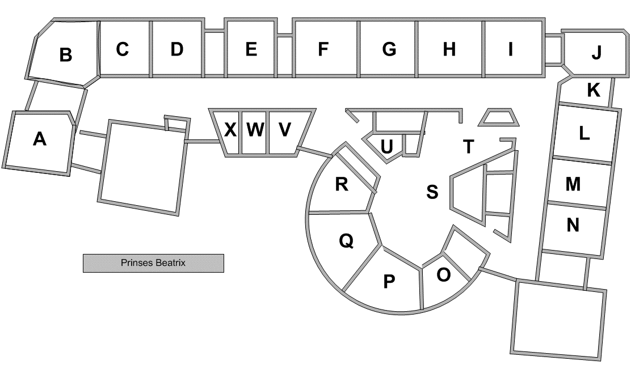
Totaal aantal aanwezige pc's:
Aantal Desktops: | 23
Aantal Laptops: | 22
Aantal iPads: | 22
Aantal Chromebooks: | 121

Totaal aantal pc's: | 188

Touchscreens
Borden
 | Merk: | Type: | Serienummer: | Aanschaf: | Afgeschreven: | Vervangen | Plaats: | Lift | Wifi | Opmerkingen
1 | Predia | Touch Swift 65” | 40220913001815 | 2022 | 2030 | 2032 | A | ja | ja
2 | Predia | Touch Swift 65” | 40220913001811 | 2022 | 2030 | 2032 | B | ja | ja
3 | Predia | Touch Swift 65” | 40220913001751 | 2022 | 2030 | 2032 | C | ja | ja
4 | Predia | Touch Swift 65” | 40220913001861 | 2022 | 2030 | 2032 | D | ja | ja
5 | Predia | Ultra 75 | Z75U0MXS890071 | 2018-11-01 | 2026-11-01 | 2028 | E | ja | nee
6 | Predia | Swift 75 | 40210821002524 | 2021-12-01 | 2029-12-01 | 2031 | F | ja | ja
7 | Predia | Ultra 75 | Z75U0MXS890100 | 2018-12-01 | 2026-12-01 | 2028 | G | ja | ja
8 | Predia | Ultra 75 | Z75U0MXS890107 | 2018-12-03 | 2026-12-03 | 2028 | H | ja | ja
9 | Predia | Ultra 75 | Z75U0MXS890136 | 2018-12-02 | 2026-12-02 | 2028 | I | ja | ja
10 | Predia | Swift 75 | 40201225001158 | 2021-05-01 | 2029-05-01 | 2031 | I-J | nee | ja
11 | Predia | Swift 75 | 40200815900686 | 2020-10-01 | 2028-10-01 | 2030 | J | ja | nee
12 | Predia | Ultra 75 | ZD0N50XT940551 | 2019-10-01 | 2027-10-01 | 2029 | K | ja | ja
13 | Predia | Ultra 75 | ZD0N50XT940548 | 2019-10-02 | 2027-10-02 | 2029 | L | nee | ja
14 | Predia | Ultra 75 | Z75U0MXS890077 | 2018-12-05 | 2026-12-05 | 2028 | M | nee | ja
15 | Predia | Ultra 75 | Z75U0MXS890118 | 2018-12-04 | 2026-12-04 | 2028 | N | nee | ja
16 | Predia | Ultra 75 | Z75U0MXS890098 | 2018-12-06 | 2026-12-06 | 2028 | O | nee | ja
17 | Predia | Ultra 75 | Z75U0MXS890160 | 2018-12-01 | 2026-12-01 | 2028 | P | nee | ja
18 | PREDIA | Pro 70" | H70UIRGH76S604 | 2017 | 2025 | 2027 | speellok. | ja | nee | verrijdbaar
19 | Predia | Touch Swift 75” | 40230225000025 | 2023 | 2031 | 2033 | ? | ja | ja | verrijdbaar

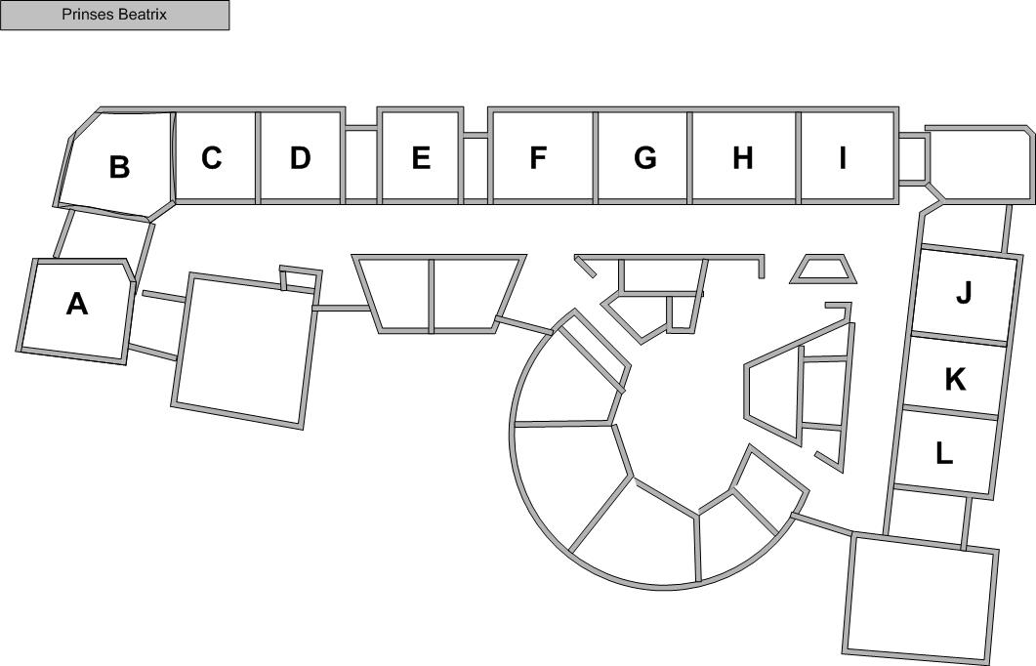

p

o

n
m

