Catalogus
Catalogus

Medische Modulaire kasten |  | BxDxH
Afbeelding | Omschrijving | Afmeting | Artikelnummer
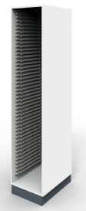 | Bergkast z deur, gladde wanden | 457x630x2100 mm. (BxDxH) | 4050452106300
 | Bergkast l.dr.gl. wanden | 457x650x2100 mm. (BxDxH) | 4050452106541
 | Bergkast r.dr.gl. wanden | 457x650x2100 mm. (BxDxH) | 4050452106531
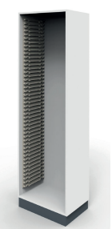 | Bergkast zonder deur gl. wanden | 657x430x2100 mm. (BxDxH) | 4050652104300
 | Bergkast l.dr.gl. wanden | 657x450x2100 mm. (BxDxH) | 4050652104541
 | Bergkast r.dr.gl. wanden | 657x450x2100 mm. (BxDxH) | 4050652104531
Stellingen |  | H
 | Staander | 2000mm/2100mm/2200mm/2500mm/3000mm | 8047001/8047005/8047002/8047003/8047004
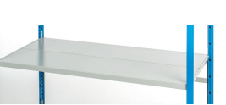 | Legborden | diepte: 200mm/300mm/400mm/500mm Breedte: 550m/700mm/850mm/1000mm/1150mm/1300mm | 8047018/8047023/8047028/8047033
 | Legborddragers | dragerlengte in mm: 300/400/500/600/700/800/1000 breedte in mm: 550/700/850/1000/1150/1300
 | Schoren | breedte: 550mm/700mm/850mm/1000mm/1150mm/1300mm
Modules |  | bxdxh
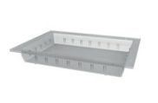 | Separatiebak transparant | 300x400x50mm | 11235051
 | Separatiebak transparant | 300x400x100mm | 11234101
 | Mand transparant | 300x400x100mm | 10234101
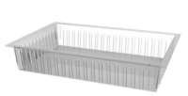 | Mand transparant | 600x400x100mm | 10264101
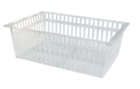 | Mand transparant | 600x400x200mm | 10264201
 | Separatiebak | 600x400x50mm | 0399000
 | Separatiebak | 600x400x100mm | 0399003
 | Mand | 600x400x100mm | 0399004
 | mand | 600x400x200mm | 0399007
 | Separatieschot | 60x5cm (tbv 5cm bak) | 0399002
 | Separatieschot | 40x5cm (tbv 5 cm bak) | 0399001
 | Separatieschot | 60x10cm (tbv 10 cm bak/mand) | 0399005
 | Separatieschot | 40x10cm (tbv 10cm bak/mand) | 0399006
 | Separatieschot | 60x20cm (tbv 20cm mand) | 0399009
 | Separatieschot | 40x20cm (tbv 20cm mand) | 0399008
 | Labelhouder | 40x57mm (tbv barcode) | 0399010
 | Labeldrager zelfklevend (tbv labelhouder) |  | 0399011
 | U-klem tbv vastzetten separaties (zijkant mand) |  | 2001352
 | Topplaat Volkern | 60x40x0,6cm (Trespa-plank) | 399012
Trolley's |  | LxBxH
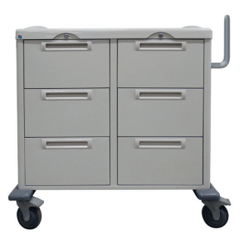 | Linnentrolley | 600x400x1035cm | 221821399
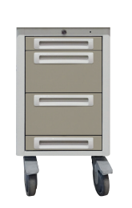 | Priktrolley | 300x400x750cm | 221920300
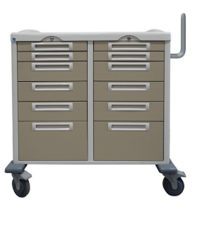 | Verpleegafdeling trolley | 600x400x1035cm | 221821399
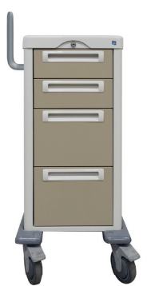 | Polikliniek trolley | 300x400x985cm | 221921300
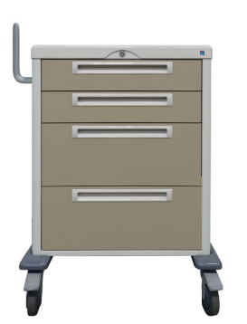 | Polikliniek trolley | 600x400x985cm | 221921313
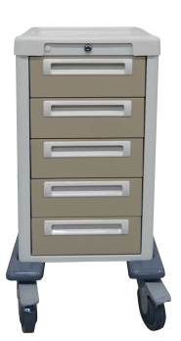 | Zorgtrolley Kaakchirurgie | 300x400x889cm | 221920301
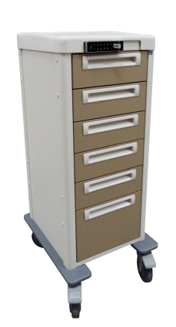 | Zorgtrolley Hematologie | 300x400x1100cm | 221931300

