Volume over een periode
Avans
 | Volume over een periode

 |  |  |  |  |  |  |  |  |  |  |  |  |  |  |  |  |  |  | Totaal volume, kleurratio en percentage dubbelzijdig in de tijd
Q | Volume (clicks) | Zwart-wit (clicks) | Kleur (clicks) | Enkelzijdig (pagina's) | Dubbelzijdig (pagina's) | Q | Kleurratio | Percentage dubbelzijdig | Q | Kopieën (clicks) | Prints (clicks) | Scans (clicks) | Q | Volume (clicks) | Zwart-wit (clicks) | Kleur (clicks) | Kleurratio | Percentage dubbelzijdig | 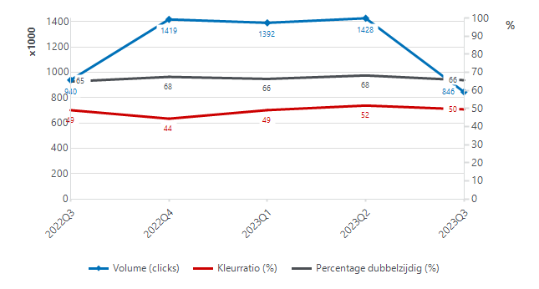
2022Q3 | 939,931 | 490,319 | 449,612 | 311,720 | 598,778 | 2022Q3 | 49.13% | 65.00% | 2022Q3 | 86,956 | 852,975 | 56,525 | 2022Q3 | 939,931 | 490,319 | 449,612 | 49.13% | 65.00%
2022Q4 | 1,418,918 | 787,062 | 631,856 | 445,338 | 923,508 | 2022Q4 | 44.43% | 67.57% | 2022Q4 | 160,951 | 1,258,656 | 92,468 | 2022Q4 | 1,418,918 | 787,062 | 631,856 | 44.43% | 67.57%
2023Q1 | 1,391,825 | 705,779 | 686,046 | 447,778 | 886,954 | 2023Q1 | 49.17% | 66.43% | 2023Q1 | 140,985 | 1,250,864 | 108,874 | 2023Q1 | 1,391,825 | 705,779 | 686,046 | 49.17% | 66.43%
2023Q2 | 1,428,145 | 690,313 | 737,832 | 427,632 | 943,896 | 2023Q2 | 51.70% | 68.33% | 2023Q2 | 112,318 | 1,315,827 | 97,501 | 2023Q2 | 1,428,145 | 690,313 | 737,832 | 51.70% | 68.33%
2023Q3 | 845,602 | 446,689 | 398,913 | 271,874 | 540,964 | 2023Q3 | 49.59% | 65.75% | 2023Q3 | 76,420 | 769,182 | 50,470 | 2023Q3 | 845,602 | 446,689 | 398,913 | 49.59% | 65.75%

 |  |  |  |  |  |  |  |  |  |  |  |  |  |  |  |  |  |  | Volumepercentage kopieën, prints en scans in verloop van tijd

 |  |  |  |  |  |  |  |  |  |  |  |  |  |  |  |  |  |  | 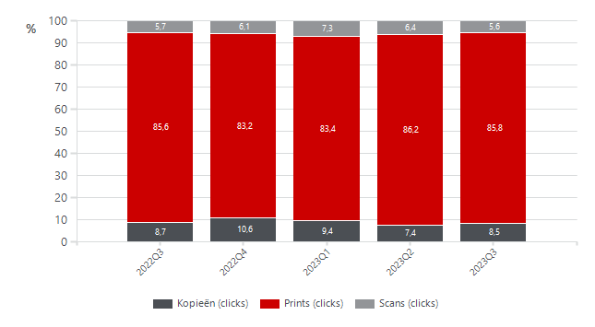

Volume per device Q2 2022
Avans
 | Volume per systeem

 |  |  |  |  |  |  |  |  |  |  |  |  |  |  |  |  |  |  |  |  |  |  |  |  |  |  |  |  |  |  | Volume (clicks) | Ondergrens volumedoel (clicks) | Inzetgebied (clicks) |  |  | Kleur (clicks) | Zwart-wit (clicks) |  |  | Dubbelzijdig (pagina's) | Enkelzijdig (pagina's)
 |  |  |  |  |  |  |  |  |  |  |  |  |  |  |  |  |  |  |  |  |  |  |  |  |  |  |  |  | Top 25 |  | 789,503 | 825,000 | 1,395,000 | Top 25 |  | 376,233 | 384,882 | Top 25 |  | 470,936 | 224,760
 |  |  |  |  |  |  |  |  |  |  |  |  |  |  |  |  |  |  |  |  |  |  |  |  |  |  |  |  | Rest |  | 670,006 | 1,992,250 | 5,858,750 | Rest |  | 336,885 | 361,509 | Rest |  | 501,584 | 213,709

Klantaccount-nummer | Klantnaam | Naam printerpark | Activumreferentie klant | Model | Kleuronder-steuning | Systeemtype | Serienummer | Locatie | Adres | Postcode | Plaats | Aanwezig-heid (min.) | Volume (clicks) | Ondergrens volumedoel (clicks) | Bovengrens volumedoel (clicks) | Beneden volumedoel (clicks) | Boven volumedoel (clicks) | Inzetgebied (clicks) | Kleur (clicks) | Zwart-wit (clicks) | Enkelzijdig (pagina's) | Dubbelzijdig (pagina's) | Pagina's A3 | Pagina's A4 | Papier-verbruik (vellen) | Kopieën (clicks) | Prints (clicks) | Scans (clicks) | Serienummer | Model | Volume (clicks) | Ondergrens volumedoel (clicks) | Inzetgebied (clicks) | Serienummer | Model | Kleur (clicks) | Zwart-wit (clicks) | Serienummer | Model | Dubbelzijdig (pagina's) | Enkelzijdig (pagina's) |  | Op niveau | Onder doel | Boven doel | Aantal apparaten zonder doelvolume | Aantal apparaten zonder tellerstanden |  |  | Volume per systeem
3352940 | NL Stichting Avans | Stichting Avans |  | IPF TX 3000 | Colour | LFP | BAJA00931 | CA180 | Prof. Cobbenhagenlaan 13 | 5037 DA | TILBURG | 33,150 |  |  |  |  |  |  |  |  |  |  |  |  |  |  |  |  | XVC05195 | IR ADV C5550I | 55,471 | 36,000 | 54,000 | XVC04738 | IR ADV C5550I | 26,468 | 15,750 | XVC04133 | IR ADV C5550I | 31,602 | 18,025 | Total | 14 | 113 |  |  | 11 |  |  | 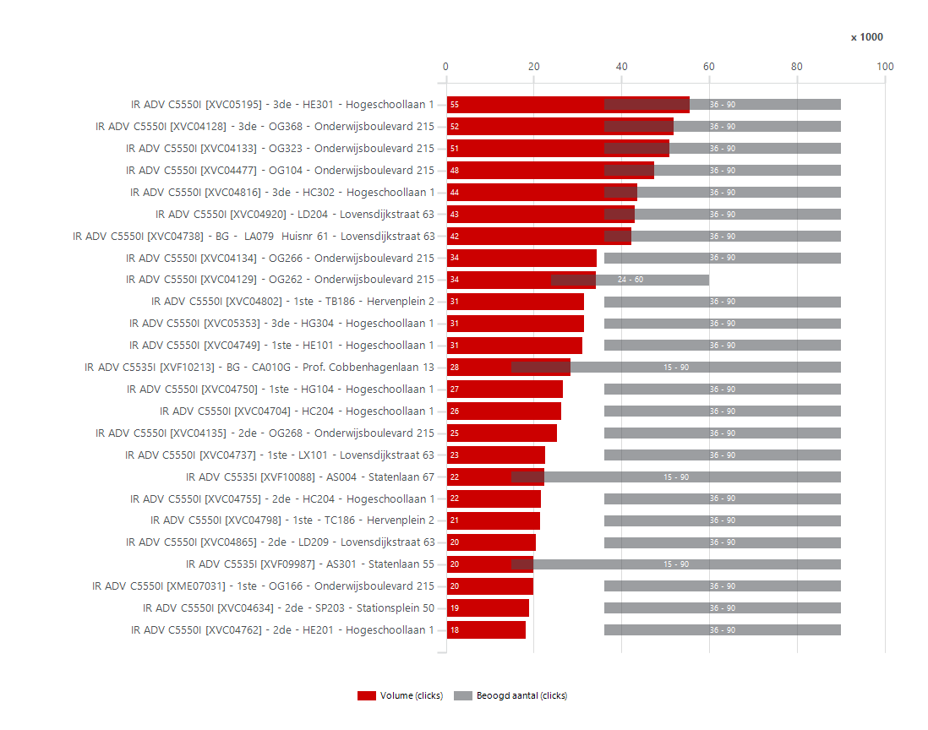
3352940 | NL Stichting Avans | Stichting Avans |  | IPF TX 3000 | Colour | LFP | BAJA01268 | OA010 | Onderwijsboulevard 215 | 5223 DE | 's-Hertogenbosch | 33,150 |  |  |  |  |  |  |  |  |  |  |  |  |  |  |  |  | XVC04128 | IR ADV C5550I | 51,842 | 36,000 | 54,000 | XVC04920 | IR ADV C5550I | 26,411 | 16,612 | XVC04816 | IR ADV C5550I | 25,056 | 17,285
3352940 | NL Stichting Avans | Stichting Avans |  | IPF TX 3000 | Colour | LFP | BAJA02676 | MA001 | Mill Hillplein 1 | 4701 BS | Roosendaal | 33,150 |  |  |  |  |  |  |  |  |  |  |  |  |  |  |  |  | XVC04133 | IR ADV C5550I | 51,011 | 36,000 | 54,000 | XVC05195 | IR ADV C5550I | 24,776 | 30,695 | XVC04477 | IR ADV C5550I | 30,894 | 14,862
3352940 | NL Stichting Avans | Stichting Avans |  | IPF TX 3000 | Colour | LFP | BAJA00999 | lx101 | Lovensdijkstraat 61 | 4818 AJ | Breda | 33,150 |  |  |  |  |  |  |  |  |  |  |  |  |  |  |  |  | XVC04477 | IR ADV C5550I | 47,521 | 36,000 | 54,000 | XVC04133 | IR ADV C5550I | 22,677 | 28,334 | XVC05195 | IR ADV C5550I | 40,848 | 13,650
3352940 | NL Stichting Avans | Stichting Avans | PR180114 | IR ADV C5535I | Colour | MFD | XVF10213 | BG - CA010G | Prof. Cobbenhagenlaan 13 | 5037 DA | TILBURG | 33,150 | 28,381 | 15,000 | 90,000 |  |  | 75,000 | 7,802 | 20,579 | 3,829 | 24,158 | 394 | 27,593 | 15,908 | 15,552 | 12,829 | 1,170 | XVC04816 | IR ADV C5550I | 43,671 | 36,000 | 54,000 | XVC04128 | IR ADV C5550I | 20,784 | 31,058 | XVC04129 | IR ADV C5550I | 22,104 | 11,332
3352940 | NL Stichting Avans | Stichting Avans | PR180123 | IR ADV C5535I | Colour | MFD | XVF10088 | AS004 | Statenlaan 67 | 5223 LA | 's-Hertogenbosch | 33,150 | 22,372 | 15,000 | 90,000 |  |  | 75,000 | 12,958 | 9,414 | 4,973 | 16,938 | 461 | 21,450 | 13,442 | 2,888 | 19,484 | 2,026 | XVC04920 | IR ADV C5550I | 43,023 | 36,000 | 54,000 | XVC04816 | IR ADV C5550I | 20,441 | 23,230 | XVC04128 | IR ADV C5550I | 40,318 | 10,659
3352940 | NL Stichting Avans | Stichting Avans | PR180122 | IR ADV C5535I | Colour | MFD | XVF09987 | AS301 | Statenlaan 55 | 5223 LA | 's-Hertogenbosch | 33,150 | 19,968 | 15,000 | 90,000 |  |  | 75,000 | 8,975 | 10,993 | 7,183 | 11,854 | 931 | 18,106 | 13,110 | 1,427 | 18,541 | 1,705 | XVC04738 | IR ADV C5550I | 42,218 | 36,000 | 54,000 | XVC04477 | IR ADV C5550I | 19,252 | 28,269 | XVC04920 | IR ADV C5550I | 31,504 | 10,611
3352940 | NL Stichting Avans | Stichting Avans | PR180043 | IR ADV C5535I | Colour | MFD | XVF08962 | 1ste - OG168 | Onderwijsboulevard 215 | 5223 DE | 's-Hertogenbosch | 33,150 | 17,114 | 15,000 | 90,000 |  |  | 75,000 | 8,063 | 9,051 | 4,465 | 12,130 | 519 | 16,076 | 10,530 | 450 | 16,664 | 872 | XVC04134 | IR ADV C5550I | 34,411 | 36,000 | 54,000 | XVC04129 | IR ADV C5550I | 18,818 | 15,322 | XVC05353 | IR ADV C5550I | 20,918 | 9,893
3352940 | NL Stichting Avans | Stichting Avans | PR180125 | IR ADV C5535I | Colour | MFD | XVF10048 | MB002 | Mill Hillplein 1 | 4701 BS | Roosendaal | 33,150 | 16,546 | 15,000 | 90,000 |  |  | 75,000 | 5,785 | 10,761 | 5,286 | 10,678 | 582 | 15,382 | 10,625 | 580 | 15,966 | 938 | XVC04129 | IR ADV C5550I | 34,140 | 24,000 | 36,000 | XVC04704 | IR ADV C5550I | 16,455 | 9,721 | XVC04749 | IR ADV C5550I | 21,316 | 9,359
3352940 | NL Stichting Avans | Stichting Avans | PR180073 | IR ADV C5535I | Colour | MFD | XVF09944 | HQ475 | Hogeschoollaan 1 | 4818 CR | Breda | 33,150 | 16,485 | 15,000 | 90,000 |  |  | 75,000 | 8,231 | 8,254 | 3,065 | 13,054 | 366 | 15,753 | 9,592 | 2,135 | 14,350 | 2,576 | XVC04802 | IR ADV C5550I | 31,458 | 36,000 | 54,000 | XVC05353 | IR ADV C5550I | 14,122 | 17,334 | XVC04425 | IR ADV C5550I | 4,550 | 9,113
3352940 | NL Stichting Avans | Stichting Avans | PR180010 | IR ADV C5535I | Colour | MFD | XVF08408 | SP303 | Stationsplein 50 | 5211 AP | 's-Hertogenbosch | 33,150 | 14,989 | 15,000 | 90,000 | 11 |  | 75,000 | 4,409 | 10,580 | 4,150 | 10,286 | 553 | 13,883 | 9,293 | 899 | 14,090 | 383 | XVC05353 | IR ADV C5550I | 31,456 | 36,000 | 54,000 | XVC04755 | IR ADV C5550I | 13,886 | 7,851 | XVC04738 | IR ADV C5550I | 32,688 | 9,099
3352940 | NL Stichting Avans | Stichting Avans | PR180036 | IR ADV C5535I | Colour | MFD | XVF08967 | 1 - OAS09 | Onderwijsboulevard 215 | 5223 DE | 's-Hertogenbosch | 33,150 | 14,822 | 15,000 | 90,000 | 178 |  | 75,000 | 11,874 | 2,948 | 6,656 | 6,282 | 1,884 | 11,054 | 9,797 | 566 | 14,256 | 1,422 | XVC04749 | IR ADV C5550I | 31,133 | 36,000 | 54,000 | XVC04134 | IR ADV C5550I | 13,819 | 20,592 | XVC04134 | IR ADV C5550I | 25,836 | 8,236
3352940 | NL Stichting Avans | Stichting Avans | PR180040 | IR ADV C5535I | Colour | MFD | XVF08779 | OG067 | Onderwijsboulevard 215 | 5223 DE | 's-Hertogenbosch | 33,150 | 14,095 | 15,000 | 90,000 | 905 |  | 75,000 | 8,093 | 6,002 | 5,224 | 8,388 | 483 | 13,129 | 9,418 | 1,807 | 12,288 | 877 | XVF10213 | IR ADV C5535I | 28,381 | 15,000 | 75,000 | XVF10088 | IR ADV C5535I | 12,958 | 9,414 | XVC04802 | IR ADV C5550I | 22,940 | 8,084
3352940 | NL Stichting Avans | Stichting Avans | PR180033 | IR ADV C5535I | Colour | MFD | XVF08296 | OGS90 | Onderwijsboulevard 215 | 5223 DE | 's-Hertogenbosch | 33,150 | 13,168 | 15,000 | 90,000 | 1,832 |  | 75,000 | 7,351 | 5,817 | 6,656 | 5,886 | 626 | 11,916 | 9,599 | 604 | 12,564 | 416 | XVC04750 | IR ADV C5550I | 26,654 | 36,000 | 54,000 | XVC04737 | IR ADV C5550I | 12,253 | 10,450 | XVC04704 | IR ADV C5550I | 17,982 | 7,259
3352940 | NL Stichting Avans | Stichting Avans | PR180124 | IR ADV C5535I | Colour | MFD | XVF10111 | MA101 | Mill Hillplein 1 | 4701 BS | Roosendaal | 33,150 | 12,366 | 15,000 | 90,000 | 2,634 |  | 75,000 | 7,880 | 4,486 | 4,079 | 7,784 | 504 | 11,358 | 7,971 | 348 | 12,018 | 397 | XVC04704 | IR ADV C5550I | 26,176 | 36,000 | 54,000 | XVC04750 | IR ADV C5550I | 12,210 | 14,444 | XVC04264 | IR ADV C5550I | 6,474 | 7,238
3352940 | NL Stichting Avans | Stichting Avans | PR180091 | IR ADV C5535I | Colour | MFD | XVF08790 | 2de - HE201 | Hogeschoollaan 1 | 4818 CR | Breda | 33,150 | 11,632 | 15,000 | 90,000 | 3,368 |  | 75,000 | 6,115 | 5,517 | 3,022 | 8,248 | 362 | 10,908 | 7,146 | 635 | 10,997 | 924 | XVC04135 | IR ADV C5550I | 25,291 | 36,000 | 54,000 | XVC04749 | IR ADV C5550I | 12,110 | 19,023 | XVF09987 | IR ADV C5535I | 11,854 | 7,183
3352940 | NL Stichting Avans | Stichting Avans | HQ775 | IR ADV C5535I | Colour | MFD | XVF09600 | 6de - HQ674 | Hogeschoollaan 1 | 4818 CR | Breda | 33,150 | 11,101 | 15,000 | 90,000 | 3,899 |  | 75,000 | 4,881 | 6,220 | 3,324 | 7,048 | 729 | 9,643 | 6,848 | 1,564 | 9,537 | 464 | XVC04737 | IR ADV C5550I | 22,703 | 36,000 | 54,000 | XVF08967 | IR ADV C5535I | 11,874 | 2,948 | XVF08967 | IR ADV C5535I | 6,282 | 6,656
3352940 | NL Stichting Avans | Stichting Avans | PR180082 | IR ADV C5535I | Colour | MFD | XVF08995 | HQ275 | Hogeschoollaan 1 | 4818 CR | Breda | 33,150 | 10,053 | 15,000 | 90,000 | 4,947 |  | 75,000 | 5,319 | 4,734 | 1,897 | 7,884 | 272 | 9,509 | 5,839 | 1,435 | 8,618 | 649 | XVF10088 | IR ADV C5535I | 22,372 | 15,000 | 75,000 | XVC04135 | IR ADV C5550I | 11,096 | 14,195 | XVF08296 | IR ADV C5535I | 5,886 | 6,656
3352940 | NL Stichting Avans | Stichting Avans | PR180061 | IR ADV C5535I | Colour | MFD | XVF09281 | 3de - LX301 | Lovensdijkstraat 63 | 4818 AJ | Breda | 33,150 | 10,047 | 15,000 | 90,000 | 4,953 |  | 75,000 | 5,565 | 4,482 | 2,461 | 7,384 | 202 | 9,643 | 6,153 | 488 | 9,559 | 190 | XVC04755 | IR ADV C5550I | 21,737 | 36,000 | 54,000 | XME07031 | IR ADV C5550I | 9,933 | 9,900 | XME07031 | IR ADV C5550I | 13,482 | 6,056
3352940 | NL Stichting Avans | Stichting Avans | PR180048 | IR ADV C5535I | Colour | MFD | XVF09330 | 1ste - BC197 | Beukenlaan 1 | 4834 CR | Breda | 33,150 | 9,742 | 15,000 | 90,000 | 5,258 |  | 75,000 | 5,280 | 4,462 | 3,899 | 4,780 | 1,063 | 7,616 | 6,289 | 1,137 | 8,605 | 1,776 | XVC04798 | IR ADV C5550I | 21,442 | 36,000 | 54,000 | XVC04868 | IR ADV C5550I | 9,630 | 4,264 | XVC04732 | IR ADV C5550I | 10,234 | 5,778
3352940 | NL Stichting Avans | Stichting Avans | PR180060 | IR ADV C5535I | Colour | MFD | XVF09132 | 2de - LX201 | Lovensdijkstraat 63 | 4818 AJ | Breda | 33,150 | 9,466 | 15,000 | 90,000 | 5,534 |  | 75,000 | 4,534 | 4,932 | 2,144 | 7,014 | 308 | 8,850 | 5,651 | 639 | 8,827 | 476 | XVC04865 | IR ADV C5550I | 20,472 | 36,000 | 54,000 | XVC04802 | IR ADV C5550I | 9,499 | 21,959 | XVC04135 | IR ADV C5550I | 19,372 | 5,762
3352940 | NL Stichting Avans | Stichting Avans | PR180067 | IR ADV C5535I | Colour | MFD | XVF09004 | LD101 | Lovensdijkstraat 63 | 4818 AJ | Breda | 33,150 | 8,719 | 15,000 | 90,000 | 6,281 |  | 75,000 | 4,183 | 4,536 | 3,684 | 4,666 | 369 | 7,981 | 6,017 | 1,064 | 7,655 | 1,023 | XVF09987 | IR ADV C5535I | 19,968 | 15,000 | 75,000 | XVC04264 | IR ADV C5550I | 9,450 | 6,282 | XVC04390 | IR ADV C5550I | 4,146 | 5,568
3352940 | NL Stichting Avans | Stichting Avans | PR180119 | IR ADV C5535I | Colour | MFD | XVF09553 | BG - CX001 | Prof. Cobbenhagenlaan 13 | 5037 DA | TILBURG | 33,150 | 7,986 | 15,000 | 90,000 | 7,014 |  | 75,000 | 3,761 | 4,225 | 2,691 | 4,902 | 393 | 7,200 | 5,142 | 883 | 7,103 | 313 | XME07031 | IR ADV C5550I | 19,833 | 36,000 | 54,000 | XVC04732 | IR ADV C5550I | 9,315 | 7,175 | XVC04354 | IR ADV C5550I | 2,104 | 5,518
3352940 | NL Stichting Avans | Stichting Avans | PR180005 | IR ADV C5535I | Colour | MFD | XVF08363 | PA494 | Parallelweg 64 | 5223 AL | 's-Hertogenbosch | 33,150 | 7,666 | 15,000 | 90,000 | 7,334 |  | 75,000 | 3,597 | 4,069 | 2,182 | 5,318 | 166 | 7,334 | 4,841 | 414 | 7,252 | 1,940 | XVC04634 | IR ADV C5550I | 19,031 | 36,000 | 54,000 | XVC04762 | IR ADV C5550I | 9,021 | 9,067 | XVF09000 | IR ADV C5535I | 1,806 | 5,441
3352940 | NL Stichting Avans | Stichting Avans | PR180083 | IR ADV C5535I | Colour | MFD | XVF09000 | HA106 | Hogeschoollaan 1 | 4818 CR | Breda | 33,150 | 7,291 | 15,000 | 90,000 | 7,709 |  | 75,000 | 2,657 | 4,634 | 5,441 | 1,806 | 44 | 7,203 | 6,344 | 2,408 | 4,883 | 2,776 | XVC04762 | IR ADV C5550I | 18,088 | 36,000 | 54,000 | XVF09987 | IR ADV C5535I | 8,975 | 10,993 | XVC04750 | IR ADV C5550I | 20,740 | 5,437
3352940 | NL Stichting Avans | Stichting Avans | PR180084 | IR ADV C5535I | Colour | MFD | XVF09005 | 3de - HA395 | Hogeschoollaan 1 | 4818 CR | Breda | 33,150 | 6,160 | 15,000 | 90,000 | 8,840 |  | 75,000 | 3,530 | 2,630 | 2,004 | 3,962 | 194 | 5,772 | 3,985 | 681 | 5,479 | 215 | XVF08962 | IR ADV C5535I | 17,114 | 15,000 | 75,000 | XVC04425 | IR ADV C5550I | 8,545 | 5,308 | XVC04865 | IR ADV C5550I | 14,844 | 5,409
3352940 | NL Stichting Avans | Stichting Avans | PR180096 | IR ADV C5535I | Colour | MFD | XVF08861 | HGS06 | Hogeschoollaan 1 | 4818 CR | Breda | 33,150 | 6,093 | 15,000 | 90,000 | 8,907 |  | 75,000 | 3,608 | 2,485 | 1,105 | 4,864 | 124 | 5,845 | 3,537 | 8 | 6,085 | 15 | XVF10048 | IR ADV C5535I | 16,546 | 15,000 | 75,000 | XVF09944 | IR ADV C5535I | 8,231 | 8,254 | XVC04762 | IR ADV C5550I | 12,616 | 5,289
3352940 | NL Stichting Avans | Stichting Avans | PR180035 | IR ADV C5535I | Colour | MFD | XVF08979 | OA092 | Onderwijsboulevard 215 | 5223 DE | 's-Hertogenbosch | 33,150 | 6,065 | 15,000 | 90,000 | 8,935 |  | 75,000 | 4,873 | 1,192 | 2,586 | 2,714 | 765 | 4,535 | 3,943 | 158 | 5,907 | 202 | XVC04732 | IR ADV C5550I | 16,490 | 36,000 | 54,000 | XVF08779 | IR ADV C5535I | 8,093 | 6,002 | XVF10048 | IR ADV C5535I | 10,678 | 5,286
3352940 | NL Stichting Avans | Stichting Avans | PQ82554 | IR ADV C5535I | Colour | MFD | XMH13540 | 4e | Claudius Prinsenlaan 128-136 | 4818 CP | Breda | 33,150 | 6,023 | 15,000 | 90,000 | 8,977 |  | 75,000 | 3,938 | 2,085 | 1,626 | 3,902 | 495 | 5,033 | 3,577 | 113 | 5,910 | 287 | XVF09944 | IR ADV C5535I | 16,485 | 15,000 | 75,000 | XVF08962 | IR ADV C5535I | 8,063 | 9,051 | XVF08779 | IR ADV C5535I | 8,388 | 5,224
3352940 | NL Stichting Avans | Stichting Avans | PR180059 | IR ADV C5535I | Colour | MFD | XVF09296 | 2de - LA234 | Lovensdijkstraat 63 | 4818 AJ | Breda | 33,150 | 5,913 | 15,000 | 90,000 | 9,087 |  | 75,000 | 3,507 | 2,406 | 3,012 | 2,066 | 835 | 4,243 | 4,045 | 341 | 5,572 | 161 | XVC04264 | IR ADV C5550I | 15,732 | 36,000 | 54,000 | XVC04650 | IR ADV C5550I | 8,024 | 6,483 | XVC04798 | IR ADV C5550I | 15,976 | 5,199
3352940 | NL Stichting Avans | Stichting Avans | PR180066 | IR ADV C5535I | Colour | MFD | XVF08837 | LCS82 | Lovensdijkstraat 63 | 4818 AJ | Breda | 33,150 | 5,887 | 15,000 | 90,000 | 9,113 |  | 75,000 | 3,520 | 2,367 | 1,898 | 3,966 | 23 | 5,841 | 3,881 | 310 | 5,577 | 391 | XVC04890 | IR ADV C5550I | 15,478 | 36,000 | 54,000 | XVF10111 | IR ADV C5535I | 7,880 | 4,486 | XVF10088 | IR ADV C5535I | 16,938 | 4,973
3352940 | NL Stichting Avans | Stichting Avans | PR180064 | IR ADV C5535I | Colour | MFD | XVF09294 | LA130 | Lovensdijkstraat 63 | 4818 AJ | Breda | 33,150 | 5,668 | 15,000 | 90,000 | 9,332 |  | 75,000 | 2,678 | 2,990 | 1,425 | 4,178 | 65 | 5,538 | 3,514 | 353 | 5,315 | 448 | XVF08408 | IR ADV C5535I | 14,989 | 15,000 | 75,000 | XVF10213 | IR ADV C5535I | 7,802 | 20,579 | XVC04755 | IR ADV C5550I | 15,552 | 4,831
3352940 | NL Stichting Avans | Stichting Avans | PR180003 | IR ADV C5535I | Colour | MFD | XVF08364 | PR205 | Parallelweg 21-24 | 5223 AL | 's-Hertogenbosch | 33,150 | 5,651 | 15,000 | 90,000 | 9,349 |  | 75,000 | 3,621 | 2,030 | 2,566 | 2,418 | 667 | 4,317 | 3,775 | 518 | 5,133 | 1,316 | XVF08967 | IR ADV C5535I | 14,822 | 15,000 | 75,000 | XVC04890 | IR ADV C5550I | 7,581 | 7,897 | XVC04382 | IR ADV C5550I | 4,978 | 4,672
3352940 | NL Stichting Avans | Stichting Avans | PR180001 | IR ADV C5535I | Colour | MFD | XVF08223 | BG PP057 | Parallelweg 21-24 | 5223 AL | 's-Hertogenbosch | 33,150 | 5,649 | 15,000 | 90,000 | 9,351 |  | 75,000 | 3,441 | 2,208 | 2,846 | 2,050 | 753 | 4,143 | 3,871 | 809 | 4,840 | 758 | XVC04650 | IR ADV C5550I | 14,507 | 36,000 | 54,000 | XVF08296 | IR ADV C5535I | 7,351 | 5,817 | XVC04650 | IR ADV C5550I | 9,502 | 4,536
3352940 | NL Stichting Avans | Stichting Avans | PR180046 | IR ADV C5535I | Colour | MFD | XVF11386 | BA202 | Beukenlaan 1 | 4834 CR | Breda | 33,150 | 5,626 | 15,000 | 90,000 | 9,374 |  | 75,000 | 3,942 | 1,684 | 1,799 | 2,496 | 1,331 | 2,964 | 3,047 | 1,213 | 4,413 | 260 | XVF08779 | IR ADV C5535I | 14,095 | 15,000 | 75,000 | XVC04651 | IR ADV C5550I | 7,107 | 3,914 | XVF08962 | IR ADV C5535I | 12,130 | 4,465
3352940 | NL Stichting Avans | Stichting Avans | PR180065 | IR ADV C5535I | Colour | MFD | XVF09120 | BG - LC010 | Lovensdijkstraat 63 | 4818 AJ | Breda | 33,150 | 5,605 | 15,000 | 90,000 | 9,395 |  | 75,000 | 2,590 | 3,015 | 2,118 | 3,434 | 53 | 5,499 | 3,835 | 541 | 5,064 | 664 | XVC04868 | IR ADV C5550I | 13,894 | 36,000 | 54,000 | XVC05282 | IR ADV C5550I | 7,039 | 5,579 | XVC04767 | IR ADV C5550I | 8,016 | 4,256
3352940 | NL Stichting Avans | Stichting Avans | PR180030 | IR ADV C5535I | Colour | MFD | XVF08178 | Opslag in het hoofdgebouw, locatie OGS57 | Onderwijsboulevard 215 | 5223 DE | 's-Hertogenbosch | 33,150 | 5,578 | 15,000 | 90,000 | 9,422 |  | 75,000 | 1,422 | 4,156 | 1,445 | 4,130 | 3 | 5,572 | 3,510 | 530 | 5,048 | 196 | XVC04425 | IR ADV C5550I | 13,853 | 36,000 | 54,000 | XVC04126 | IR ADV C5550I | 6,745 | 4,224 | XVC04890 | IR ADV C5550I | 10,292 | 4,225
3352940 | NL Stichting Avans | Stichting Avans | PR180089 | IR ADV C5535I | Colour | MFD | XVF08928 | HE101 | Hogeschoollaan 1 | 4818 CR | Breda | 33,150 | 5,502 | 15,000 | 90,000 | 9,498 |  | 75,000 | 1,958 | 3,544 | 1,785 | 3,612 | 105 | 5,292 | 3,591 | 926 | 4,576 | 331 | XVF08296 | IR ADV C5535I | 13,168 | 15,000 | 75,000 | XVC04390 | IR ADV C5550I | 6,395 | 4,752 | XVC05282 | IR ADV C5550I | 7,060 | 4,210 |  |  |  |  |  |  | Kleurvolume per systeem
3352940 | NL Stichting Avans | Stichting Avans | PR180014 | IR ADV C5535I | Colour | MFD | XVF08498 | 2de - TB286 | Hervenplein 2 | 5232 JE | 's-Hertogenbosch | 33,150 | 4,593 | 15,000 | 90,000 | 10,407 |  | 75,000 | 1,839 | 2,754 | 1,416 | 3,152 | 25 | 4,543 | 2,992 | 206 | 4,387 | 152 | XVC04767 | IR ADV C5550I | 12,668 | 36,000 | 54,000 | XVC04865 | IR ADV C5550I | 6,354 | 14,118 | XVC04634 | IR ADV C5550I | 14,570 | 4,154 |  |  |  |  |  |  | 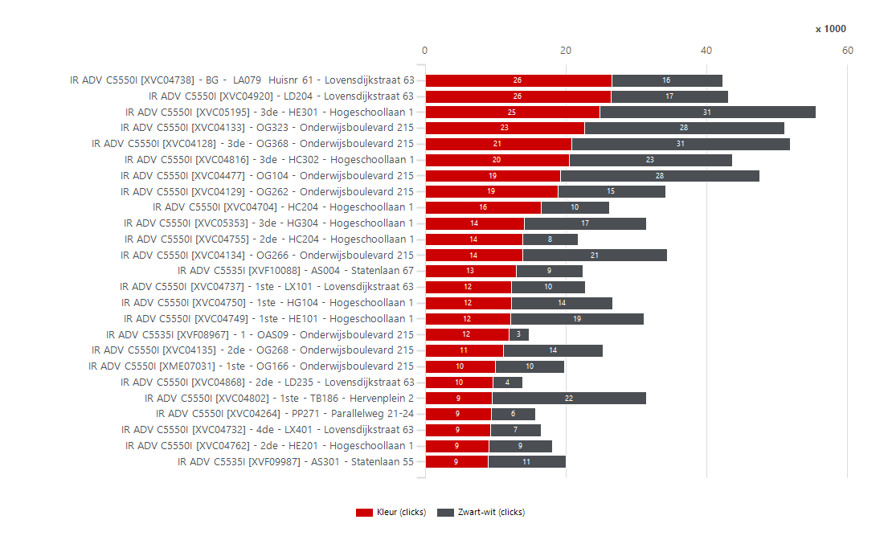
3352940 | NL Stichting Avans | Stichting Avans | PR180098 | IR ADV C5535I | Colour | MFD | XVF08978 | HN002 | Hogeschoollaan 1 | 4818 CR | Breda | 33,150 | 4,332 | 15,000 | 90,000 | 10,668 |  | 75,000 | 1,527 | 2,805 | 1,509 | 2,650 | 173 | 3,986 | 2,834 | 840 | 3,492 | 220 | XVC04797 | IR ADV C5550I | 12,643 | 36,000 | 54,000 | XVC04382 | IR ADV C5550I | 6,252 | 4,394 | XVF08408 | IR ADV C5535I | 10,286 | 4,150
3352940 | NL Stichting Avans | Stichting Avans | PR180049 | IR ADV C5535I | Colour | MFD | XVF11384 | HR372 | Claudius Prinsenlaan 128-136 | 4818 CP | Breda | 33,150 | 4,203 | 15,000 | 90,000 | 10,797 |  | 75,000 | 3,890 | 313 | 404 | 3,754 | 45 | 4,113 | 2,281 | 68 | 4,135 | 143 | XVC05282 | IR ADV C5550I | 12,618 | 36,000 | 54,000 | XVF08790 | IR ADV C5535I | 6,115 | 5,517 | XVC04182 | IR ADV C5550I | 4,422 | 4,097
3352940 | NL Stichting Avans | Stichting Avans | PR180037 | IR ADV C5535I | Colour | MFD | XVF08980 | OB090 | Onderwijsboulevard 215 | 5223 DE | 's-Hertogenbosch | 33,150 | 4,116 | 15,000 | 90,000 | 10,884 |  | 75,000 | 1,979 | 2,137 | 843 | 3,238 | 35 | 4,046 | 2,462 | 592 | 3,524 | 114 | XVF10111 | IR ADV C5535I | 12,366 | 15,000 | 75,000 | XVC04124 | IR ADV C5550I | 5,997 | 4,065 | XVF10111 | IR ADV C5535I | 7,784 | 4,079
3352940 | NL Stichting Avans | Stichting Avans | PR180032 | IR ADV C5535I | Colour | MFD | XVF08276 | 2de - OX201 | Onderwijsboulevard 215 | 5223 DE | 's-Hertogenbosch | 33,150 | 3,987 | 15,000 | 90,000 | 11,013 |  | 75,000 | 2,306 | 1,681 | 906 | 2,894 | 187 | 3,613 | 2,353 | 137 | 3,850 | 187 | XVF08790 | IR ADV C5535I | 11,632 | 15,000 | 75,000 | XVC04798 | IR ADV C5550I | 5,944 | 15,498 | XVF09330 | IR ADV C5535I | 4,780 | 3,899
3352940 | NL Stichting Avans | Stichting Avans | PR180076 | IR ADV C5535I | Colour | MFD | XVF09868 | 4de - HA488 | Hogeschoollaan 1 | 4818 CR | Breda | 33,150 | 3,893 | 15,000 | 90,000 | 11,107 |  | 75,000 | 1,768 | 2,125 | 1,054 | 2,806 | 33 | 3,827 | 2,457 | 650 | 3,243 | 124 | XVC04451 | IR ADV C5550I | 11,495 | 36,000 | 54,000 | XVC04182 | IR ADV C5550I | 5,810 | 3,628 | XVF10213 | IR ADV C5535I | 24,158 | 3,829
3352940 | NL Stichting Avans | Stichting Avans | PR180031 | IR ADV C5535I | Colour | MFD | XVF08398 | 1ste - OX101 | Onderwijsboulevard 215 | 5223 DE | 's-Hertogenbosch | 33,150 | 3,780 | 15,000 | 90,000 | 11,220 |  | 75,000 | 1,983 | 1,797 | 1,199 | 2,344 | 237 | 3,306 | 2,371 | 243 | 3,537 | 164 | XVC04127 | IR ADV C5550I | 11,277 | 36,000 | 54,000 | XVF10048 | IR ADV C5535I | 5,785 | 10,761 | XVC04451 | IR ADV C5550I | 7,484 | 3,787
3352940 | NL Stichting Avans | Stichting Avans | PR180018 | IR ADV C5535I | Colour | MFD | XVF08586 | 3de - TC386 | Hervenplein 2 | 5232 JE | 's-Hertogenbosch | 33,150 | 3,666 | 15,000 | 90,000 | 11,334 |  | 75,000 | 1,051 | 2,615 | 546 | 3,110 | 10 | 3,646 | 2,101 | 1,110 | 2,556 | 157 | XVC04390 | IR ADV C5550I | 11,147 | 36,000 | 54,000 | XVC04127 | IR ADV C5550I | 5,775 | 5,502 | XVF09004 | IR ADV C5535I | 4,666 | 3,684
3352940 | NL Stichting Avans | Stichting Avans | PR180045 | IR ADV C5535I | Colour | MFD | XVF09335 | 1ste - BA165 | Beukenlaan 1 | 4834 CR | Breda | 33,150 | 3,439 | 15,000 | 90,000 | 11,561 |  | 75,000 | 2,024 | 1,415 | 1,731 | 1,262 | 446 | 2,547 | 2,362 | 353 | 3,086 | 286 | XVF09600 | IR ADV C5535I | 11,101 | 15,000 | 75,000 | XVC05281 | IR ADV C5550I | 5,645 | 1,930 | XVC04126 | IR ADV C5550I | 7,268 | 3,445
3352940 | NL Stichting Avans | Stichting Avans | PR180008 | IR ADV C5535I | Colour | MFD | XVF08401 | SP203 | Stationsplein 50 | 5211 AP | 's-Hertogenbosch | 33,150 | 3,395 | 15,000 | 90,000 | 11,605 |  | 75,000 | 797 | 2,598 | 957 | 2,174 | 264 | 2,867 | 2,044 | 316 | 3,079 | 198 | XVC04651 | IR ADV C5550I | 11,021 | 36,000 | 54,000 | XVF09281 | IR ADV C5535I | 5,565 | 4,482 | XVC04124 | IR ADV C5550I | 6,162 | 3,402
3352940 | NL Stichting Avans | Stichting Avans | PR180118 | IR ADV C5535I | Colour | MFD | XVF09630 | 2de - CB203A | Prof. Cobbenhagenlaan 13 | 5037 DA | TILBURG | 33,150 | 3,319 | 15,000 | 90,000 | 11,681 |  | 75,000 | 1,060 | 2,259 | 1,359 | 1,850 | 110 | 3,099 | 2,284 | 490 | 2,829 | 528 | XVC04126 | IR ADV C5550I | 10,969 | 36,000 | 54,000 | XVC04354 | IR ADV C5550I | 5,557 | 2,215 | XVC04737 | IR ADV C5550I | 18,988 | 3,361
3352940 | NL Stichting Avans | Stichting Avans | PR180006 | IR ADV C5535I | Colour | MFD | XVF08449 | SP010 | Stationsplein 50 | 5211 AP | 's-Hertogenbosch | 33,150 | 3,255 | 15,000 | 90,000 | 11,745 |  | 75,000 | 1,411 | 1,844 | 1,316 | 1,856 | 83 | 3,089 | 2,244 | 569 | 2,686 | 175 | XVC04382 | IR ADV C5550I | 10,646 | 36,000 | 54,000 | XVC04634 | IR ADV C5550I | 5,446 | 13,585 | XVF09600 | IR ADV C5535I | 7,048 | 3,324
3352940 | NL Stichting Avans | Stichting Avans | PR180057 | IR ADV C5535I | Colour | MFD | XVF09289 | BG - LA088 | Lovensdijkstraat 63 | 4818 AJ | Breda | 33,150 | 3,182 | 15,000 | 90,000 | 11,818 |  | 75,000 | 1,848 | 1,334 | 658 | 2,356 | 168 | 2,846 | 1,836 | 165 | 3,017 | 390 | XVC04124 | IR ADV C5550I | 10,062 | 36,000 | 54,000 | XVF08995 | IR ADV C5535I | 5,319 | 4,734 | XVC04797 | IR ADV C5550I | 9,372 | 3,145
3352940 | NL Stichting Avans | Stichting Avans | PR180071 | IR ADV C5535I | Colour | MFD | XVF09835 | LD321 | Lovensdijkstraat 63 | 4818 AJ | Breda | 33,150 | 2,695 | 15,000 | 90,000 | 12,305 |  | 75,000 | 1,123 | 1,572 | 864 | 1,736 | 95 | 2,505 | 1,732 | 697 | 1,998 | 677 | XVF08995 | IR ADV C5535I | 10,053 | 15,000 | 75,000 | XVF09330 | IR ADV C5535I | 5,280 | 4,462 | XVF09944 | IR ADV C5535I | 13,054 | 3,065
3352940 | NL Stichting Avans | Stichting Avans | PR180011 | IR ADV C5535I | Colour | MFD | XVF08407 | 4de - SP421 | Stationsplein 50 | 5211 AP | 's-Hertogenbosch | 33,150 | 2,558 | 15,000 | 90,000 | 12,442 |  | 75,000 | 1,103 | 1,455 | 787 | 1,748 | 23 | 2,512 | 1,661 | 345 | 2,213 | 75 | XVF09281 | IR ADV C5535I | 10,047 | 15,000 | 75,000 | XVC04797 | IR ADV C5550I | 5,250 | 7,393 | XVF08790 | IR ADV C5535I | 8,248 | 3,022
3352940 | NL Stichting Avans | Stichting Avans | PR180097 | IR ADV C5535I | Colour | MFD | XVF08724 | HGS06 | Hogeschoollaan 1 | 4818 CR | Breda | 33,150 | 2,480 | 15,000 | 90,000 | 12,520 |  | 75,000 | 323 | 2,157 | 497 | 1,960 | 23 | 2,434 | 1,477 | 13 | 2,467 | 109 | XVC04747 | IR ADV C5550I | 9,836 | 36,000 | 54,000 | XVC05198 | IR ADV C5550I | 5,195 | 3,771 | XVF09296 | IR ADV C5535I | 2,066 | 3,012
3352940 | NL Stichting Avans | Stichting Avans | PR180053 | IR ADV C5535I | Colour | MFD | XVF11364 | PP364 | Parallelweg 21-23 | 5223 AL | 's-Hertogenbosch | 33,150 | 2,376 | 15,000 | 90,000 | 12,624 |  | 75,000 | 1,682 | 694 | 1,569 | 684 | 123 | 2,130 | 1,911 | 20 | 2,356 | 45 | XVF09330 | IR ADV C5535I | 9,742 | 15,000 | 75,000 | XVC04451 | IR ADV C5550I | 4,956 | 6,539 | XVC04709 | IR ADV C5550I | 1,892 | 2,989
3352940 | NL Stichting Avans | Stichting Avans | PR180004 | IR ADV C5535I | Colour | MFD | XVF08483 | 3de - PA394 | Parallelweg 64 | 5223 AL | 's-Hertogenbosch | 33,150 | 2,348 | 15,000 | 90,000 | 12,652 |  | 75,000 | 1,117 | 1,231 | 878 | 1,426 | 44 | 2,260 | 1,591 | 147 | 2,201 | 2,640 | XVF09132 | IR ADV C5535I | 9,466 | 15,000 | 75,000 | XVF09600 | IR ADV C5535I | 4,881 | 6,220 | XVF08223 | IR ADV C5535I | 2,050 | 2,846
3352940 | NL Stichting Avans | Stichting Avans | PR180029 | IR ADV C5535I | Colour | MFD | XVF08295 | OG028 | Onderwijsboulevard 215 | 5223 DE | 's-Hertogenbosch | 33,150 | 2,238 | 15,000 | 90,000 | 12,762 |  | 75,000 | 1,669 | 569 | 1,052 | 1,102 | 84 | 2,070 | 1,603 | 71 | 2,167 | 78 | XVC04182 | IR ADV C5550I | 9,438 | 36,000 | 54,000 | XVF08979 | IR ADV C5535I | 4,873 | 1,192 | XVC04927 | IR ADV C5550I | 3,988 | 2,830
3352940 | NL Stichting Avans | Stichting Avans | PR180007 | IR ADV C5535I | Colour | MFD | XVF08508 | SP114 | Stationsplein 50 | 5211 AP | 's-Hertogenbosch | 33,150 | 2,002 | 15,000 | 90,000 | 12,998 |  | 75,000 | 773 | 1,229 | 616 | 1,216 | 170 | 1,662 | 1,224 | 94 | 1,908 | 20 | XVC05198 | IR ADV C5550I | 8,966 | 36,000 | 54,000 | XVF09132 | IR ADV C5535I | 4,534 | 4,932 | XVF09553 | IR ADV C5535I | 4,902 | 2,691
3352940 | NL Stichting Avans | Stichting Avans | PR180102 | IR ADV C5535I | Colour | MFD | XVF09046 | 1e verd. via trap | Havensingel 25 | 5211 TX | 's-Hertogenbosch | 33,150 | 1,964 | 15,000 | 90,000 | 13,036 |  | 75,000 | 765 | 1,199 | 444 | 1,404 | 116 | 1,732 | 1,146 | 118 | 1,846 | 122 | XVF09004 | IR ADV C5535I | 8,719 | 15,000 | 75,000 | XVC04747 | IR ADV C5550I | 4,427 | 5,409 | XVC05198 | IR ADV C5550I | 5,972 | 2,673
3352940 | NL Stichting Avans | Stichting Avans | PR180100 | IR ADV C5535I | Colour | MFD | XVF08787 | BG - HF007 | Hogeschoollaan 1 | 4818 CR | Breda | 33,150 | 1,159 | 10,000 | 60,000 | 8,841 |  | 50,000 | 730 | 429 | 425 | 732 | 2 | 1,155 | 791 | 58 | 1,101 | 58 | XVF09553 | IR ADV C5535I | 7,986 | 15,000 | 75,000 | XVF08408 | IR ADV C5535I | 4,409 | 10,580 | XVC04747 | IR ADV C5550I | 6,844 | 2,616
3352940 | NL Stichting Avans | Stichting Avans | PR180121 | IR ADV C5535I | Colour | MFD | XVF09878 | 1ste - CX101 | Prof. Cobbenhagenlaan 13 | 5037 DA | TILBURG | 33,150 | 822 | 15,000 | 90,000 | 14,178 |  | 75,000 | 360 | 462 | 233 | 538 | 51 | 720 | 502 | 15 | 807 | 149 | XVC04354 | IR ADV C5550I | 7,772 | 36,000 | 54,000 | XVC04767 | IR ADV C5550I | 4,257 | 8,411 | XVF08979 | IR ADV C5535I | 2,714 | 2,586
3352940 | NL Stichting Avans | Stichting Avans | PR180052 | IR ADV C5535I | Colour | MFD | XVF11366 | HR072 | Claudius Prinsenlaan 128-136 | 4818 CP | Breda | 33,150 |  |  |  |  |  |  |  |  |  |  |  |  |  |  |  |  | XVC04125 | IR ADV C5550I | 7,733 | 36,000 | 54,000 | XVF09004 | IR ADV C5535I | 4,183 | 4,536 | XVF08364 | IR ADV C5535I | 2,418 | 2,566
3352940 | NL Stichting Avans | Stichting Avans | PR180080 | IR ADV C5550I | Colour | MFD | XVC05195 | 3de - HE301 | Hogeschoollaan 1 | 4818 CR | Breda | 33,150 | 55,471 | 36,000 | 90,000 |  |  | 54,000 | 24,776 | 30,695 | 13,650 | 40,848 | 973 | 53,525 | 34,074 | 5,285 | 50,186 | 3,111 | XVF08363 | IR ADV C5535I | 7,666 | 15,000 | 75,000 | XVC04125 | IR ADV C5550I | 4,177 | 3,556 | XVC04792 | IR ADV C5550I | 4,760 | 2,466
3352940 | NL Stichting Avans | Stichting Avans | PR180028 | IR ADV C5550I | Colour | MFD | XVC04128 | 3de - OG368 | Onderwijsboulevard 215 | 5223 DE | 's-Hertogenbosch | 33,150 | 51,842 | 36,000 | 90,000 |  |  | 54,000 | 20,784 | 31,058 | 10,659 | 40,318 | 865 | 50,112 | 30,818 | 5,105 | 46,737 | 5,068 | XVC05281 | IR ADV C5550I | 7,575 | 36,000 | 54,000 | XVF11386 | IR ADV C5535I | 3,942 | 1,684 | XVF09281 | IR ADV C5535I | 7,384 | 2,461
3352940 | NL Stichting Avans | Stichting Avans | PR180027 | IR ADV C5550I | Colour | MFD | XVC04133 | OG323 | Onderwijsboulevard 215 | 5223 DE | 's-Hertogenbosch | 33,150 | 51,011 | 36,000 | 90,000 |  |  | 54,000 | 22,677 | 28,334 | 18,025 | 31,602 | 1,384 | 48,243 | 33,826 | 7,360 | 43,651 | 3,826 | XVC04792 | IR ADV C5550I | 7,448 | 36,000 | 54,000 | XMH13540 | IR ADV C5535I | 3,938 | 2,085 | XVC04603 | IR ADV C5550I | 1,368 | 2,454
3352940 | NL Stichting Avans | Stichting Avans | PR180041 | IR ADV C5550I | Colour | MFD | XVC04477 | OG104 | Onderwijsboulevard 215 | 5223 DE | 's-Hertogenbosch | 33,150 | 47,521 | 36,000 | 90,000 |  |  | 54,000 | 19,252 | 28,269 | 14,862 | 30,894 | 1,765 | 43,991 | 30,309 | 2,992 | 44,529 | 2,567 | XVF09000 | IR ADV C5535I | 7,291 | 15,000 | 75,000 | XVF11384 | IR ADV C5535I | 3,890 | 313 | XVC04127 | IR ADV C5550I | 8,706 | 2,353
3352940 | NL Stichting Avans | Stichting Avans | PR180078 | IR ADV C5550I | Colour | MFD | XVC04816 | 3de - HC302 | Hogeschoollaan 1 | 4818 CR | Breda | 33,150 | 43,671 | 36,000 | 90,000 |  |  | 54,000 | 20,441 | 23,230 | 17,285 | 25,056 | 1,330 | 41,011 | 29,813 | 2,970 | 40,701 | 1,831 | XVC04927 | IR ADV C5550I | 6,974 | 36,000 | 54,000 | XVC04709 | IR ADV C5550I | 3,838 | 1,712 | XVC04289 | IR ADV C5550I | 4,136 | 2,294
3352940 | NL Stichting Avans | Stichting Avans | PR180068 | IR ADV C5550I | Colour | MFD | XVC04920 | LD204 | Lovensdijkstraat 63 | 4818 AJ | Breda | 33,150 | 43,023 | 36,000 | 90,000 |  |  | 54,000 | 26,411 | 16,612 | 10,611 | 31,504 | 908 | 41,207 | 26,363 | 1,820 | 41,203 | 2,070 | XVC04289 | IR ADV C5550I | 6,726 | 36,000 | 54,000 | XVF09553 | IR ADV C5535I | 3,761 | 4,225 | XVC04868 | IR ADV C5550I | 11,330 | 2,275 |  |  |  |  |  |  |  | Enkelzijdig volume per systeem
3352940 | NL Stichting Avans | Stichting Avans | PR180056 | IR ADV C5550I | Colour | MFD | XVC04738 | BG - LA079 Huisnr 61 | Lovensdijkstraat 63 | 4818 AJ | Breda | 33,150 | 42,218 | 36,000 | 90,000 |  |  | 54,000 | 26,468 | 15,750 | 9,099 | 32,688 | 431 | 41,356 | 25,443 | 2,383 | 39,835 | 2,473 | XVF09005 | IR ADV C5535I | 6,160 | 15,000 | 75,000 | XVC04927 | IR ADV C5550I | 3,760 | 3,214 | XVF08363 | IR ADV C5535I | 5,318 | 2,182 |  |  |  |  |  |  |  |  | 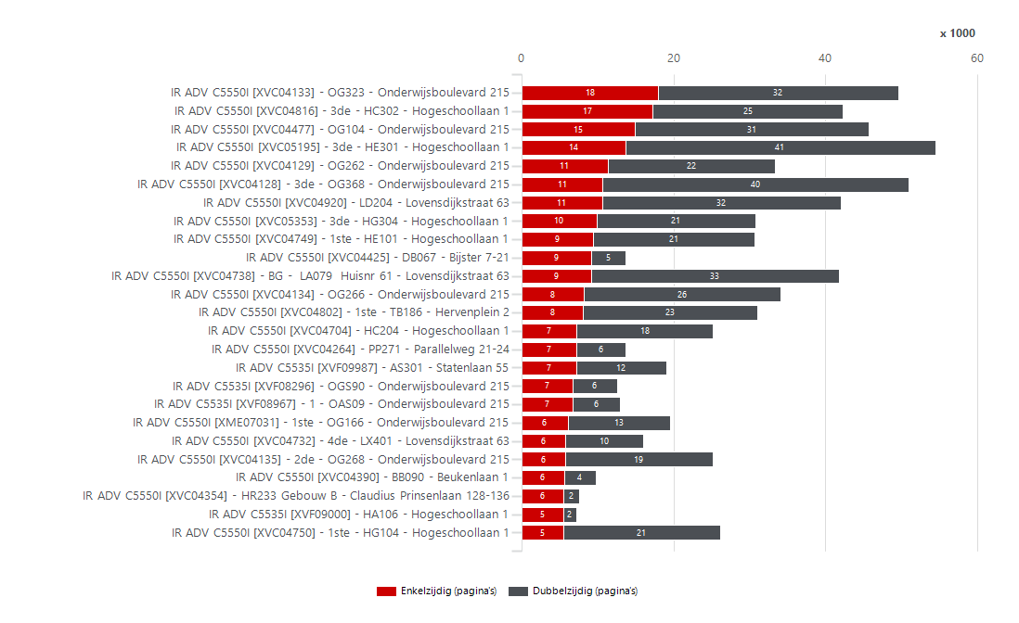
3352940 | NL Stichting Avans | Stichting Avans | PR180024 | IR ADV C5550I | Colour | MFD | XVC04134 | OG266 | Onderwijsboulevard 215 | 5223 DE | 's-Hertogenbosch | 33,150 | 34,411 | 36,000 | 90,000 | 1,589 |  | 54,000 | 13,819 | 20,592 | 8,236 | 25,836 | 339 | 33,733 | 21,154 | 3,267 | 31,144 | 1,195 | XVF08861 | IR ADV C5535I | 6,093 | 15,000 | 75,000 | XVF08364 | IR ADV C5535I | 3,621 | 2,030 | XVF09132 | IR ADV C5535I | 7,014 | 2,144
3352940 | NL Stichting Avans | Stichting Avans | PR180022 | IR ADV C5550I | Colour | MFD | XVC04129 | OG262 | Onderwijsboulevard 215 | 5223 DE | 's-Hertogenbosch | 33,150 | 34,140 | 24,000 | 60,000 |  |  | 36,000 | 18,818 | 15,322 | 11,332 | 22,104 | 704 | 32,732 | 22,384 | 2,238 | 31,902 | 1,205 | XVF08979 | IR ADV C5535I | 6,065 | 15,000 | 75,000 | XVF08861 | IR ADV C5535I | 3,608 | 2,485 | XVF09120 | IR ADV C5535I | 3,434 | 2,118
3352940 | NL Stichting Avans | Stichting Avans | PR180013 | IR ADV C5550I | Colour | MFD | XVC04802 | 1ste - TB186 | Hervenplein 2 | 5232 JE | 's-Hertogenbosch | 33,150 | 31,458 | 36,000 | 90,000 | 4,542 |  | 54,000 | 9,499 | 21,959 | 8,084 | 22,940 | 434 | 30,590 | 19,554 | 5,710 | 25,748 | 1,811 | XMH13540 | IR ADV C5535I | 6,023 | 15,000 | 75,000 | XVF08363 | IR ADV C5535I | 3,597 | 4,069 | XVC04651 | IR ADV C5550I | 8,882 | 2,031
3352940 | NL Stichting Avans | Stichting Avans | PR180081 | IR ADV C5550I | Colour | MFD | XVC05353 | 3de - HG304 | Hogeschoollaan 1 | 4818 CR | Breda | 33,150 | 31,456 | 36,000 | 90,000 | 4,544 |  | 54,000 | 14,122 | 17,334 | 9,893 | 20,918 | 645 | 30,166 | 20,352 | 3,496 | 27,960 | 4,573 | XVF09296 | IR ADV C5535I | 5,913 | 15,000 | 75,000 | XVF09005 | IR ADV C5535I | 3,530 | 2,630 | XVF09005 | IR ADV C5535I | 3,962 | 2,004
3352940 | NL Stichting Avans | Stichting Avans | PR180088 | IR ADV C5550I | Colour | MFD | XVC04749 | 1ste - HE101 | Hogeschoollaan 1 | 4818 CR | Breda | 33,150 | 31,133 | 36,000 | 90,000 | 4,867 |  | 54,000 | 12,110 | 19,023 | 9,359 | 21,316 | 458 | 30,217 | 20,017 | 7,467 | 23,666 | 1,694 | XVF08837 | IR ADV C5535I | 5,887 | 15,000 | 75,000 | XVF08837 | IR ADV C5535I | 3,520 | 2,367 | XVF08837 | IR ADV C5535I | 3,966 | 1,898
3352940 | NL Stichting Avans | Stichting Avans | PR180092 | IR ADV C5550I | Colour | MFD | XVC04750 | 1ste - HG104 | Hogeschoollaan 1 | 4818 CR | Breda | 33,150 | 26,654 | 36,000 | 90,000 | 9,346 |  | 54,000 | 12,210 | 14,444 | 5,437 | 20,740 | 477 | 25,700 | 15,807 | 5,590 | 21,064 | 1,055 | XVF09294 | IR ADV C5535I | 5,668 | 15,000 | 75,000 | XVF09296 | IR ADV C5535I | 3,507 | 2,406 | XVF08995 | IR ADV C5535I | 7,884 | 1,897
3352940 | NL Stichting Avans | Stichting Avans | PR180086 | IR ADV C5550I | Colour | MFD | XVC04704 | HC204 | Hogeschoollaan 1 | 4818 CR | Breda | 33,150 | 26,176 | 36,000 | 90,000 | 9,824 |  | 54,000 | 16,455 | 9,721 | 7,259 | 17,982 | 935 | 24,306 | 16,250 | 4,260 | 21,916 | 2,137 | XVF08364 | IR ADV C5535I | 5,651 | 15,000 | 75,000 | XVF08223 | IR ADV C5535I | 3,441 | 2,208 | NGRA021436 | LBP312X | 430 | 1,800
3352940 | NL Stichting Avans | Stichting Avans | PR180025 | IR ADV C5550I | Colour | MFD | XVC04135 | 2de - OG268 | Onderwijsboulevard 215 | 5223 DE | 's-Hertogenbosch | 33,150 | 25,291 | 36,000 | 90,000 | 10,709 |  | 54,000 | 11,096 | 14,195 | 5,762 | 19,372 | 157 | 24,977 | 15,448 | 2,709 | 22,582 | 1,583 | XVF08223 | IR ADV C5535I | 5,649 | 15,000 | 75,000 | XVC04289 | IR ADV C5550I | 3,291 | 3,435 | XVF11386 | IR ADV C5535I | 2,496 | 1,799
3352940 | NL Stichting Avans | Stichting Avans | PR180058 | IR ADV C5550I | Colour | MFD | XVC04737 | 1ste - LX101 | Lovensdijkstraat 63 | 4818 AJ | Breda | 33,150 | 22,703 | 36,000 | 90,000 | 13,297 |  | 54,000 | 12,253 | 10,450 | 3,361 | 18,988 | 354 | 21,995 | 12,855 | 1,192 | 21,511 | 1,011 | XVF11386 | IR ADV C5535I | 5,626 | 15,000 | 75,000 | XVC04792 | IR ADV C5550I | 3,010 | 4,438 | XVF08928 | IR ADV C5535I | 3,612 | 1,785
3352940 | NL Stichting Avans | Stichting Avans | PR180087 | IR ADV C5550I | Colour | MFD | XVC04755 | 2de - HC204 | Hogeschoollaan 1 | 4818 CR | Breda | 33,150 | 21,737 | 36,000 | 90,000 | 14,263 |  | 54,000 | 13,886 | 7,851 | 4,831 | 15,552 | 1,354 | 19,029 | 12,607 | 4,039 | 17,698 | 1,563 | XVF09120 | IR ADV C5535I | 5,605 | 15,000 | 75,000 | XVC04603 | IR ADV C5550I | 2,882 | 1,185 | XVF09335 | IR ADV C5535I | 1,262 | 1,731
3352940 | NL Stichting Avans | Stichting Avans | PR180016 | IR ADV C5550I | Colour | MFD | XVC04798 | 1ste - TC186 | Hervenplein 2 | 5232 JE | 's-Hertogenbosch | 33,150 | 21,442 | 36,000 | 90,000 | 14,558 |  | 54,000 | 5,944 | 15,498 | 5,199 | 15,976 | 267 | 20,908 | 13,187 | 1,712 | 19,730 | 1,053 | XVF08178 | IR ADV C5535I | 5,578 | 15,000 | 75,000 | XVF09294 | IR ADV C5535I | 2,678 | 2,990 | XVC04125 | IR ADV C5550I | 5,904 | 1,688
3352940 | NL Stichting Avans | Stichting Avans | PR180069 | IR ADV C5550I | Colour | MFD | XVC04865 | 2de - LD209 | Lovensdijkstraat 63 | 4818 AJ | Breda | 33,150 | 20,472 | 36,000 | 90,000 | 15,528 |  | 54,000 | 6,354 | 14,118 | 5,409 | 14,844 | 219 | 20,034 | 12,831 | 1,198 | 19,274 | 3,755 | XVC04709 | IR ADV C5550I | 5,550 | 36,000 | 54,000 | XVF09000 | IR ADV C5535I | 2,657 | 4,634 | XMH13540 | IR ADV C5535I | 3,902 | 1,626
3352940 | NL Stichting Avans | Stichting Avans | PR180034 | IR ADV C5550I | Colour | MFD | XME07031 | 1ste - OG166 | Onderwijsboulevard 215 | 5223 DE | 's-Hertogenbosch | 33,150 | 19,833 | 36,000 | 90,000 | 16,167 |  | 54,000 | 9,933 | 9,900 | 6,056 | 13,482 | 295 | 19,243 | 12,797 | 1,080 | 18,753 | 1,395 | XVF08928 | IR ADV C5535I | 5,502 | 15,000 | 75,000 | XVF09120 | IR ADV C5535I | 2,590 | 3,015 | XVF11364 | IR ADV C5535I | 684 | 1,569
3352940 | NL Stichting Avans | Stichting Avans | PR180009 | IR ADV C5550I | Colour | MFD | XVC04634 | 2de - SP203 | Stationsplein 50 | 5211 AP | 's-Hertogenbosch | 33,150 | 19,031 | 36,000 | 90,000 | 16,969 |  | 54,000 | 5,446 | 13,585 | 4,154 | 14,570 | 307 | 18,417 | 11,439 | 3,102 | 15,929 | 1,295 | XVF08498 | IR ADV C5535I | 4,593 | 15,000 | 75,000 | XVF08276 | IR ADV C5535I | 2,306 | 1,681 | XVF08978 | IR ADV C5535I | 2,650 | 1,509
3352940 | NL Stichting Avans | Stichting Avans | PR180090 | IR ADV C5550I | Colour | MFD | XVC04762 | 2de - HE201 | Hogeschoollaan 1 | 4818 CR | Breda | 33,150 | 18,088 | 36,000 | 90,000 | 17,912 |  | 54,000 | 9,021 | 9,067 | 5,289 | 12,616 | 183 | 17,722 | 11,597 | 1,786 | 16,302 | 406 | XVF08978 | IR ADV C5535I | 4,332 | 15,000 | 75,000 | XVC05244 | IR ADV C5550I | 2,202 | 1,574 | XVF08178 | IR ADV C5535I | 4,130 | 1,445
3352940 | NL Stichting Avans | Stichting Avans | PR180062 | IR ADV C5550I | Colour | MFD | XVC04732 | 4de - LX401 | Lovensdijkstraat 63 | 4818 AJ | Breda | 33,150 | 16,490 | 36,000 | 90,000 | 19,510 |  | 54,000 | 9,315 | 7,175 | 5,778 | 10,234 | 478 | 15,534 | 10,895 | 1,200 | 15,290 | 823 | XVC04754 | IR ADV C5550I | 4,313 | 36,000 | 54,000 | XVC04741 | IR ADV C5550I | 2,169 | 1,834 | XVF09294 | IR ADV C5535I | 4,178 | 1,425
3352940 | NL Stichting Avans | Stichting Avans | PR180002 | IR ADV C5550I | Colour | MFD | XVC04264 | PP271 | Parallelweg 21-24 | 5223 AL | 's-Hertogenbosch | 33,150 | 15,732 | 36,000 | 90,000 | 20,268 |  | 54,000 | 9,450 | 6,282 | 7,238 | 6,474 | 2,020 | 11,692 | 10,475 | 3,742 | 11,990 | 2,104 | XVF11384 | IR ADV C5535I | 4,203 | 15,000 | 75,000 | XVF09335 | IR ADV C5535I | 2,024 | 1,415 | XVF08498 | IR ADV C5535I | 3,152 | 1,416
3352940 | NL Stichting Avans | Stichting Avans | PR180072 | IR ADV C5550I | Colour | MFD | XVC04890 | 4de - HG404 | Hogeschoollaan 1 | 4818 CR | Breda | 33,150 | 15,478 | 36,000 | 90,000 | 20,522 |  | 54,000 | 7,581 | 7,897 | 4,225 | 10,292 | 961 | 13,556 | 9,371 | 1,129 | 14,349 | 761 | XVF08980 | IR ADV C5535I | 4,116 | 15,000 | 75,000 | XVF08398 | IR ADV C5535I | 1,983 | 1,797 | XVF09630 | IR ADV C5535I | 1,850 | 1,359
3352940 | NL Stichting Avans | Stichting Avans | PR180099 | IR ADV C5550I | Colour | MFD | XVC04650 | HA082 | Hogeschoollaan 1 | 4818 CR | Breda | 33,150 | 14,507 | 36,000 | 90,000 | 21,493 |  | 54,000 | 8,024 | 6,483 | 4,536 | 9,502 | 469 | 13,569 | 9,287 | 897 | 13,610 | 1,403 | XVC04603 | IR ADV C5550I | 4,067 | 36,000 | 54,000 | XVF08980 | IR ADV C5535I | 1,979 | 2,137 | XVF08449 | IR ADV C5535I | 1,856 | 1,316
3352940 | NL Stichting Avans | Stichting Avans | PR180070 | IR ADV C5550I | Colour | MFD | XVC04868 | 2de - LD235 | Lovensdijkstraat 63 | 4818 AJ | Breda | 33,150 | 13,894 | 36,000 | 90,000 | 22,106 |  | 54,000 | 9,630 | 4,264 | 2,275 | 11,330 | 289 | 13,316 | 7,940 | 202 | 13,692 | 425 | XVC04741 | IR ADV C5550I | 4,003 | 36,000 | 54,000 | XVF08928 | IR ADV C5535I | 1,958 | 3,544 | XVC05244 | IR ADV C5550I | 2,166 | 1,257
3352940 | NL Stichting Avans | Stichting Avans | PR180050 | IR ADV C5550I | Colour | MFD | XVC04425 | DB067 | Bijster 7-21 | 4817 HZ | Breda | 33,150 | 13,853 | 36,000 | 90,000 | 22,147 |  | 54,000 | 8,545 | 5,308 | 9,113 | 4,550 | 190 | 13,473 | 11,388 | 204 | 13,649 | 785 | XVF08276 | IR ADV C5535I | 3,987 | 15,000 | 75,000 | XVF09289 | IR ADV C5535I | 1,848 | 1,334 | XVF08398 | IR ADV C5535I | 2,344 | 1,199
3352940 | NL Stichting Avans | Stichting Avans | PR180075 | IR ADV C5550I | Colour | MFD | XVC04767 | 4de - HA425 | Hogeschoollaan 1 | 4818 CR | Breda | 33,150 | 12,668 | 36,000 | 90,000 | 23,332 |  | 54,000 | 4,257 | 8,411 | 4,256 | 8,016 | 396 | 11,876 | 8,264 | 3,738 | 8,930 | 983 | XVF09868 | IR ADV C5535I | 3,893 | 15,000 | 75,000 | XVF08498 | IR ADV C5535I | 1,839 | 2,754 | XVC04741 | IR ADV C5550I | 2,604 | 1,185
3352940 | NL Stichting Avans | Stichting Avans | PR180015 | IR ADV C5550I | Colour | MFD | XVC04797 | BG - TC087 | Hervenplein 2 | 5232 JE | 's-Hertogenbosch | 33,150 | 12,643 | 36,000 | 90,000 | 23,357 |  | 54,000 | 5,250 | 7,393 | 3,145 | 9,372 | 126 | 12,391 | 7,831 | 1,346 | 11,297 | 571 | XVF08398 | IR ADV C5535I | 3,780 | 15,000 | 75,000 | XVF09868 | IR ADV C5535I | 1,768 | 2,125 | XVF08861 | IR ADV C5535I | 4,864 | 1,105
3352940 | NL Stichting Avans | Stichting Avans | PR180117 | IR ADV C5550I | Colour | MFD | XVC05282 | 2de - CB202D | Prof. Cobbenhagenlaan 13 | 5037 DA | TILBURG | 33,150 | 12,618 | 36,000 | 90,000 | 23,382 |  | 54,000 | 7,039 | 5,579 | 4,210 | 7,060 | 1,348 | 9,922 | 7,740 | 2,126 | 10,492 | 1,917 | XVC05244 | IR ADV C5550I | 3,776 | 36,000 | 54,000 | XVC04754 | IR ADV C5550I | 1,754 | 2,559 | XVC04754 | IR ADV C5550I | 3,068 | 1,085
3352940 | NL Stichting Avans | Stichting Avans | PR180023 | IR ADV C5550I | Colour | MFD | XVC04451 | OG228 | Onderwijsboulevard 215 | 5223 DE | 's-Hertogenbosch | 33,150 | 11,495 | 36,000 | 90,000 | 24,505 |  | 54,000 | 4,956 | 6,539 | 3,787 | 7,484 | 224 | 11,047 | 7,529 | 591 | 10,904 | 600 | XVF08586 | IR ADV C5535I | 3,666 | 15,000 | 75,000 | XVF11364 | IR ADV C5535I | 1,682 | 694 | XVF09868 | IR ADV C5535I | 2,806 | 1,054
3352940 | NL Stichting Avans | Stichting Avans | PR180019 | IR ADV C5550I | Colour | MFD | XVC04127 | 1ste - OG160 | Onderwijsboulevard 215 | 5223 DE | 's-Hertogenbosch | 33,150 | 11,277 | 36,000 | 90,000 | 24,723 |  | 54,000 | 5,775 | 5,502 | 2,353 | 8,706 | 218 | 10,841 | 6,706 | 130 | 11,147 | 973 | XVF09335 | IR ADV C5535I | 3,439 | 15,000 | 75,000 | XVF08295 | IR ADV C5535I | 1,669 | 569 | XVF08295 | IR ADV C5535I | 1,102 | 1,052
3352940 | NL Stichting Avans | Stichting Avans | PR180047 | IR ADV C5550I | Colour | MFD | XVC04390 | BB090 | Beukenlaan 1 | 4834 CR | Breda | 33,150 | 11,147 | 36,000 | 90,000 | 24,853 |  | 54,000 | 6,395 | 4,752 | 5,568 | 4,146 | 1,433 | 8,281 | 7,641 | 1,702 | 9,445 | 1,060 | XVC04800 | IR ADV C5550I | 3,409 | 36,000 | 54,000 | XVC04800 | IR ADV C5550I | 1,575 | 1,834 | XVC04800 | IR ADV C5550I | 2,340 | 1,045
3352940 | NL Stichting Avans | Stichting Avans | PR180093 | IR ADV C5550I | Colour | MFD | XVC04651 | HA514 | Hogeschoollaan 1 | 4818 CR | Breda | 33,150 | 11,021 | 36,000 | 90,000 | 24,979 |  | 54,000 | 7,107 | 3,914 | 2,031 | 8,882 | 108 | 10,805 | 6,472 | 537 | 10,484 | 608 | XVF08401 | IR ADV C5535I | 3,395 | 15,000 | 75,000 | XVF08978 | IR ADV C5535I | 1,527 | 2,805 | XVF08401 | IR ADV C5535I | 2,174 | 957
3352940 | NL Stichting Avans | Stichting Avans | PR180020 | IR ADV C5550I | Colour | MFD | XVC04126 | 3de - OX301 | Onderwijsboulevard 215 | 5223 DE | 's-Hertogenbosch | 33,150 | 10,969 | 36,000 | 90,000 | 25,031 |  | 54,000 | 6,745 | 4,224 | 3,445 | 7,268 | 256 | 10,457 | 7,079 | 1,216 | 9,753 | 384 | XVF09630 | IR ADV C5535I | 3,319 | 15,000 | 75,000 | XVF08178 | IR ADV C5535I | 1,422 | 4,156 | XVF08276 | IR ADV C5535I | 2,894 | 906 |  |  |  |  |  |  |  |  |  | Volume per systeem
3352940 | NL Stichting Avans | Stichting Avans | PR180055 | IR ADV C5550I | Colour | MFD | XVC04382 | HR172 | Claudius Prinsenlaan 128-136 | 4818 CP | Breda | 33,150 | 10,646 | 36,000 | 90,000 | 25,354 |  | 54,000 | 6,252 | 4,394 | 4,672 | 4,978 | 996 | 8,654 | 7,161 | 231 | 10,415 | 387 | XVF08449 | IR ADV C5535I | 3,255 | 15,000 | 75,000 | XVF08449 | IR ADV C5535I | 1,411 | 1,844 | XVF08483 | IR ADV C5535I | 1,426 | 878 |  |  |  |  |  |  |  |  |  | 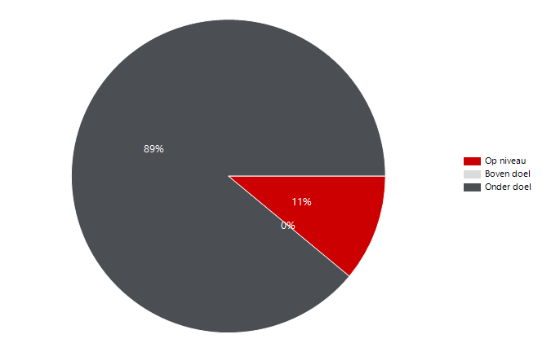
3352940 | NL Stichting Avans | Stichting Avans | PR180021 | IR ADV C5550I | Colour | MFD | XVC04124 | OG260 | Onderwijsboulevard 215 | 5223 DE | 's-Hertogenbosch | 33,150 | 10,062 | 36,000 | 90,000 | 25,938 |  | 54,000 | 5,997 | 4,065 | 3,402 | 6,162 | 498 | 9,066 | 6,483 | 783 | 9,279 | 1,784 | XVF09289 | IR ADV C5535I | 3,182 | 15,000 | 75,000 | XVF09835 | IR ADV C5535I | 1,123 | 1,572 | XVF09835 | IR ADV C5535I | 1,736 | 864
3352940 | NL Stichting Avans | Stichting Avans | PR180095 | IR ADV C5550I | Colour | MFD | XVC04747 | HG090 | Hogeschoollaan 1 | 4818 CR | Breda | 33,150 | 9,836 | 36,000 | 90,000 | 26,164 |  | 54,000 | 4,427 | 5,409 | 2,616 | 6,844 | 376 | 9,084 | 6,038 | 832 | 9,004 | 808 | XVF09835 | IR ADV C5535I | 2,695 | 15,000 | 75,000 | XVF08483 | IR ADV C5535I | 1,117 | 1,231 | XVF08980 | IR ADV C5535I | 3,238 | 843
3352940 | NL Stichting Avans | Stichting Avans | PR180044 | IR ADV C5550I | Colour | MFD | XVC04182 | BA082 | Beukenlaan 1 | 4834 CR | Breda | 33,150 | 9,438 | 36,000 | 90,000 | 26,562 |  | 54,000 | 5,810 | 3,628 | 4,097 | 4,422 | 919 | 7,600 | 6,308 | 2,173 | 7,265 | 490 | XVF08407 | IR ADV C5535I | 2,558 | 15,000 | 75,000 | XVF08407 | IR ADV C5535I | 1,103 | 1,455 | XVF08407 | IR ADV C5535I | 1,748 | 787
3352940 | NL Stichting Avans | Stichting Avans | PR180113 | IR ADV C5550I | Colour | MFD | XVC05198 | CX105 | Prof. Cobbenhagenlaan 13 | 5037 DA | TILBURG | 33,150 | 8,966 | 36,000 | 90,000 | 27,034 |  | 54,000 | 5,195 | 3,771 | 2,673 | 5,972 | 321 | 8,324 | 5,659 | 967 | 7,999 | 679 | XVF08724 | IR ADV C5535I | 2,480 | 15,000 | 75,000 | XVF09630 | IR ADV C5535I | 1,060 | 2,259 | XVC05281 | IR ADV C5550I | 6,534 | 785
3352940 | NL Stichting Avans | Stichting Avans | PR180054 | IR ADV C5550I | Colour | MFD | XVC04354 | HR233 Gebouw B | Claudius Prinsenlaan 128-136 | 4818 CP | Breda | 33,150 | 7,772 | 36,000 | 90,000 | 28,228 |  | 54,000 | 5,557 | 2,215 | 5,518 | 2,104 | 150 | 7,472 | 6,570 | 117 | 7,655 | 588 | XVF11364 | IR ADV C5535I | 2,376 | 15,000 | 75,000 | XVF08586 | IR ADV C5535I | 1,051 | 2,615 | NGRA104004 | LBP312X | 308 | 660
3352940 | NL Stichting Avans | Stichting Avans | PR180038 | IR ADV C5550I | Colour | MFD | XVC04125 | AU390 | Onderwijsboulevard 215 | 5223 DE | 's-Hertogenbosch | 33,150 | 7,733 | 36,000 | 90,000 | 28,267 |  | 54,000 | 4,177 | 3,556 | 1,688 | 5,904 | 141 | 7,451 | 4,640 | 227 | 7,506 | 292 | XVF08483 | IR ADV C5535I | 2,348 | 15,000 | 75,000 | XVF08401 | IR ADV C5535I | 797 | 2,598 | XVF09289 | IR ADV C5535I | 2,356 | 658
3352940 | NL Stichting Avans | Stichting Avans | PR180116 | IR ADV C5550I | Colour | MFD | XVC05281 | CB201F | Prof. Cobbenhagenlaan 13 | 5037 DA | TILBURG | 33,150 | 7,575 | 36,000 | 90,000 | 28,425 |  | 54,000 | 5,645 | 1,930 | 785 | 6,534 | 256 | 7,063 | 4,052 | 106 | 7,469 | 236 | XVF08295 | IR ADV C5535I | 2,238 | 15,000 | 75,000 | XVF08508 | IR ADV C5535I | 773 | 1,229 | NGRA104007 | LBP312X | 92 | 634
3352940 | NL Stichting Avans | Stichting Avans | PR180012 | IR ADV C5550I | Colour | MFD | XVC04792 | BG - TB086 | Hervenplein 2 | 5232 JE | 's-Hertogenbosch | 33,150 | 7,448 | 36,000 | 90,000 | 28,552 |  | 54,000 | 3,010 | 4,438 | 2,466 | 4,760 | 222 | 7,004 | 4,846 | 787 | 6,661 | 365 | NGRA021436 | LBP312X | 2,230 | 2,250 | 6,750 | XVF09046 | IR ADV C5535I | 765 | 1,199 | XVF08508 | IR ADV C5535I | 1,216 | 616
3352940 | NL Stichting Avans | Stichting Avans | PR180077 | IR ADV C5550I | Colour | MFD | XVC04927 | 5de - HA525 | Hogeschoollaan 1 | 4818 CR | Breda | 33,150 | 6,974 | 36,000 | 90,000 | 29,026 |  | 54,000 | 3,760 | 3,214 | 2,830 | 3,988 | 156 | 6,662 | 4,824 | 222 | 6,752 | 120 | XVF08508 | IR ADV C5535I | 2,002 | 15,000 | 75,000 | XVF08787 | IR ADV C5535I | 730 | 429 | XVF08586 | IR ADV C5535I | 3,110 | 546
3352940 | NL Stichting Avans | Stichting Avans | PR180042 | IR ADV C5550I | Colour | MFD | XVC04289 | OG164 | Onderwijsboulevard 215 | 5223 DE | 's-Hertogenbosch | 33,150 | 6,726 | 36,000 | 90,000 | 29,274 |  | 54,000 | 3,291 | 3,435 | 2,294 | 4,136 | 296 | 6,134 | 4,362 | 225 | 6,501 | 730 | XVF09046 | IR ADV C5535I | 1,964 | 15,000 | 75,000 | XVC04430 | IR ADV C5550I | 664 | 648 | NGRA011884 | LBP312X | 450 | 523
3352940 | NL Stichting Avans | Stichting Avans | PR180085 | IR ADV C5550I | Colour | MFD | XVC04709 | GA005 | Beverweg 4 | 4817 LL | Breda | 33,150 | 5,550 | 36,000 | 90,000 | 30,450 |  | 54,000 | 3,838 | 1,712 | 2,989 | 1,892 | 669 | 4,212 | 3,935 | 369 | 5,181 | 287 | XVC04430 | IR ADV C5550I | 1,312 | 36,000 | 54,000 | XVF09878 | IR ADV C5535I | 360 | 462 | XVF08724 | IR ADV C5535I | 1,960 | 497
3352940 | NL Stichting Avans | Stichting Avans | PR180094 | IR ADV C5550I | Colour | MFD | XVC04754 | HG090 | Hogeschoollaan 1 | 4818 CR | Breda | 33,150 | 4,313 | 36,000 | 90,000 | 31,687 |  | 54,000 | 1,754 | 2,559 | 1,085 | 3,068 | 160 | 3,993 | 2,619 | 584 | 3,729 | 422 | XVF08787 | IR ADV C5535I | 1,159 | 10,000 | 50,000 | XVF08724 | IR ADV C5535I | 323 | 2,157 | XVC04430 | IR ADV C5550I | 768 | 490
3352940 | NL Stichting Avans | Stichting Avans | PR180026 | IR ADV C5550I | Colour | MFD | XVC04603 | OB305 | Onderwijsboulevard 215 | 5223 DE | 's-Hertogenbosch | 33,150 | 4,067 | 36,000 | 90,000 | 31,933 |  | 54,000 | 2,882 | 1,185 | 2,454 | 1,368 | 245 | 3,577 | 3,138 | 391 | 3,676 | 106 | NGRA011884 | LBP312X | 973 | 2,250 | 6,750 | NGRA021436 | LBP312X | 0 | 2,230 | XVF09046 | IR ADV C5535I | 1,404 | 444
3352940 | NL Stichting Avans | Stichting Avans | PR180101 | IR ADV C5550I | Colour | MFD | XVC04741 | HGS06 | Hogeschoollaan 1 | 4818 CR | Breda | 33,150 | 4,003 | 36,000 | 90,000 | 31,997 |  | 54,000 | 2,169 | 1,834 | 1,185 | 2,604 | 214 | 3,575 | 2,487 | 80 | 3,923 | 387 | NGRA104004 | LBP312X | 968 | 2,250 | 6,750 | NGRA011884 | LBP312X | 0 | 973 | XVF08787 | IR ADV C5535I | 732 | 425
3352940 | NL Stichting Avans | Stichting Avans | 31065264 | IR ADV C5550I | Colour | MFD | XVC05244 | CB101 | Prof. Cobbenhagenlaan 13 | 5037 DA | TILBURG | 33,150 | 3,776 | 36,000 | 90,000 | 32,224 |  | 54,000 | 2,202 | 1,574 | 1,257 | 2,166 | 353 | 3,070 | 2,340 | 415 | 3,361 | 519 | XVF09878 | IR ADV C5535I | 822 | 15,000 | 75,000 | NGRA104004 | LBP312X | 0 | 968 | NGRA102839 | LBP312X | 156 | 419
3352940 | NL Stichting Avans | Stichting Avans | PR180017 | IR ADV C5550I | Colour | MFD | XVC04800 | 2de - TC286 | Hervenplein 2 | 5232 JE | 's-Hertogenbosch | 33,150 | 3,409 | 36,000 | 90,000 | 32,591 |  | 54,000 | 1,575 | 1,834 | 1,045 | 2,340 | 24 | 3,361 | 2,215 | 214 | 3,195 | 45 | NGRA104007 | LBP312X | 726 | 2,250 | 6,750 | NGRA104007 | LBP312X | 0 | 726 | NGRA021604 | LBP312X | 118 | 406
3352940 | NL Stichting Avans | Stichting Avans | PR180051 | IR ADV C5550I | Colour | MFD | XVC04430 | HN122 | Bijster 7-21 | 4817 HZ | Breda | 33,150 | 1,312 | 36,000 | 90,000 | 34,688 |  | 54,000 | 664 | 648 | 490 | 768 | 54 | 1,204 | 874 | 89 | 1,223 | 233 | NGRA102839 | LBP312X | 575 | 2,250 | 6,750 | NGRA102839 | LBP312X | 0 | 575 | XVF11384 | IR ADV C5535I | 3,754 | 404
3352940 | NL Stichting Avans | Stichting Avans | PR180079 | IR ADV C5550I | Colour | MFD | XVC04860 | Bress bar/receptie | Nieuwe Inslag 99 | 4817 GN | Breda | 31,110 |  |  |  |  |  |  |  |  |  |  |  |  |  |  |  |  | NGRA021604 | LBP312X | 524 | 2,250 | 6,750 | NGRA021604 | LBP312X | 0 | 524 | XVF09878 | IR ADV C5535I | 538 | 233
3352940 | NL Stichting Avans | Stichting Avans | PR180111 | LBP312X | BW | Printer | NGRA021436 | 1e-OG120 | Onderwijsboulevard 215 | 5223 DE | 's-Hertogenbosch | 33,150 | 2,230 | 2,250 | 9,000 | 20 |  | 6,750 | 0 | 2,230 | 1,800 | 430 | 0 | 2,230 | 2,015 | 0 | 2,230 | 0 | NGRA021611 | LBP312X | 512 | 2,250 | 6,750 | NGRA021611 | LBP312X | 0 | 512 | NGRA021611 | LBP312X | 284 | 228
3352940 | NL Stichting Avans | Stichting Avans | PR180103 | LBP312X | BW | Printer | NGRA011884 | Ruimte OG036 | Onderwijsboulevard 215 | 5223 DE | 's-Hertogenbosch | 33,150 | 973 | 2,250 | 9,000 | 1,277 |  | 6,750 | 0 | 973 | 523 | 450 | 0 | 973 | 748 | 0 | 973 | 0 | NGRA021434 | LBP312X | 397 | 2,250 | 6,750 | NGRA021434 | LBP312X | 0 | 397 | NGRA021428 | LBP312X | 76 | 188
3352940 | NL Stichting Avans | Stichting Avans | 31073745 | LBP312X | BW | Printer | NGRA104004 | HE103 | Hogeschoollaan 1 | 4818 CR | Breda | 33,150 | 968 | 2,250 | 9,000 | 1,282 |  | 6,750 | 0 | 968 | 660 | 308 | 0 | 968 | 814 | 0 | 968 | 0 | NGRA021427 | LBP312X | 353 | 2,250 | 6,750 | NGRA021427 | LBP312X | 0 | 353 | NGRA104000 | LBP312X | 46 | 150
3352940 | NL Stichting Avans | Stichting Avans | 31073745 | LBP312X | BW | Printer | NGRA104007 | OG328 | Onderwijsboulevard 215 | 5223 DE | 's-Hertogenbosch | 33,150 | 726 | 2,250 | 9,000 | 1,524 |  | 6,750 | 0 | 726 | 634 | 92 | 0 | 726 | 680 | 0 | 726 | 0 | NGRA021428 | LBP312X | 264 | 2,250 | 6,750 | NGRA021428 | LBP312X | 0 | 264 | NGRA021595 | LBP312X | 26 | 123
3352940 | NL Stichting Avans | Stichting Avans | 31073745 | LBP312X | BW | Printer | NGRA102839 | LA003 | Lovensdijkstraat 61 | 4818 AJ | Breda | 33,150 | 575 | 2,250 | 9,000 | 1,675 |  | 6,750 | 0 | 575 | 419 | 156 | 0 | 575 | 497 | 0 | 575 | 0 | NGRA104000 | LBP312X | 196 | 2,250 | 6,750 | NGRA104000 | LBP312X | 0 | 196 | NGRA021434 | LBP312X | 312 | 85
3352940 | NL Stichting Avans | Stichting Avans | PR180112 | LBP312X | BW | Printer | NGRA021604 | Ruimte BA039 | Beukenlaan 1 | 4834 CR | Breda | 33,150 | 524 | 2,250 | 9,000 | 1,726 |  | 6,750 | 0 | 524 | 406 | 118 | 0 | 524 | 465 | 0 | 524 | 0 | NGRA021595 | LBP312X | 149 | 2,250 | 6,750 | NGRA021595 | LBP312X | 0 | 149 | NGRA021424 | LBP312X | 84 | 41
3352940 | NL Stichting Avans | Stichting Avans | PR180110 | LBP312X | BW | Printer | NGRA021611 | LA101C | Lovensdijkstraat 61 | 4818 AJ | Breda | 33,150 | 512 | 2,250 | 9,000 | 1,738 |  | 6,750 | 0 | 512 | 228 | 284 | 0 | 512 | 370 | 0 | 512 | 0 | NGRA021424 | LBP312X | 125 | 1,500 | 4,500 | NGRA021424 | LBP312X | 0 | 125 | NGRA104023 | LBP312X | 64 | 28
3352940 | NL Stichting Avans | Stichting Avans | PR180104 | LBP312X | BW | Printer | NGRA021434 | 1e-OG112 | Onderwijsboulevard 215 | 5223 DE | 's-Hertogenbosch | 33,150 | 397 | 2,250 | 9,000 | 1,853 |  | 6,750 | 0 | 397 | 85 | 312 | 0 | 397 | 241 | 0 | 397 | 0 | NGRA104023 | LBP312X | 92 | 2,250 | 6,750 | NGRA104023 | LBP312X | 0 | 92 | NGRA021427 | LBP312X | 330 | 23
3352940 | NL Stichting Avans | Stichting Avans | PR180106 | LBP312X | BW | Printer | NGRA021427 | TC103 | Hervenplein 2 | 5232 JE | 's-Hertogenbosch | 33,150 | 353 | 2,250 | 9,000 | 1,897 |  | 6,750 | 0 | 353 | 23 | 330 | 0 | 353 | 188 | 0 | 353 | 0 | NGRA102840 | LBP312X | 14 | 2,250 | 6,750 | NGRA102840 | LBP312X | 0 | 14 | NGRA102840 | LBP312X | 0 | 14
3352940 | NL Stichting Avans | Stichting Avans | PR180108 | LBP312X | BW | Printer | NGRA021428 | 1-BG-HE003a | Hogeschoollaan 1 | 4818 CR | Breda | 33,150 | 264 | 2,250 | 9,000 | 1,986 |  | 6,750 | 0 | 264 | 188 | 76 | 0 | 264 | 226 | 0 | 264 | 0 | NGRA021440 | LBP312X | 0 | 2,250 | 6,750 | NGRA021440 | LBP312X | 0 | 0 | NGRA021440 | LBP312X | 0 | 0
3352940 | NL Stichting Avans | Stichting Avans | 31073745 | LBP312X | BW | Printer | NGRA104000 | HA087 | Hogeschoollaan 1 | 4818 CR | Breda | 33,150 | 196 | 2,250 | 9,000 | 2,054 |  | 6,750 | 0 | 196 | 150 | 46 | 0 | 196 | 173 | 0 | 196 | 0
3352940 | NL Stichting Avans | Stichting Avans | PR180105 | LBP312X | BW | Printer | NGRA021595 | 1e-TA102 | Hervenplein 2 | 5232 JE | 's-Hertogenbosch | 33,150 | 149 | 2,250 | 9,000 | 2,101 |  | 6,750 | 0 | 149 | 123 | 26 | 0 | 149 | 136 | 0 | 149 | 0
3352940 | NL Stichting Avans | Stichting Avans | PR180109 | LBP312X | BW | Printer | NGRA021424 | ZA001 | Nieuwe Inslag 99 | 4817 GN | Breda | 33,150 | 125 | 1,500 | 6,000 | 1,375 |  | 4,500 | 0 | 125 | 41 | 84 | 0 | 125 | 83 | 0 | 125 | 0
3352940 | NL Stichting Avans | Stichting Avans | 31073745 | LBP312X | BW | Printer | NGRA104023 | LA103 | Lovensdijkstraat 61 | 4818 AJ | Breda | 33,150 | 92 | 2,250 | 9,000 | 2,158 |  | 6,750 | 0 | 92 | 28 | 64 | 0 | 92 | 60 | 0 | 92 | 0
3352940 | NL Stichting Avans | Stichting Avans | 31073745 | LBP312X | BW | Printer | NGRA102840 | Academiebureau | Parallelweg 21-24 | 5223 AL | 's-Hertogenbosch | 33,150 | 14 | 2,250 | 9,000 | 2,236 |  | 6,750 | 0 | 14 | 14 | 0 | 0 | 14 | 14 | 0 | 14 | 0
3352940 | NL Stichting Avans | Stichting Avans | PR180107 | LBP312X | BW | Printer | NGRA021440 | HGS06 | Hogeschoollaan 1 | 4818 CR | Breda | 33,150 | 0 | 2,250 | 9,000 | 2,250 |  | 6,750 | 0 | 0 | 0 | 0 | 0 | 0 | 0 | 0 | 0 | 0
3352940 | NL Stichting Avans | Stichting Avans | 31073745 | LBP312X | BW | Printer | NGRA104013 | HES90 - Opslag | Hogeschoollaan 1 | 4818 CR | Breda | 33,150
3352940 | NL Stichting Avans | Stichting Avans | 31073745 | LBP312X | BW | Printer | NGRA104018 | OG309 | Onderwijsboulevard 215 | 5223 DE | 's-Hertogenbosch | 33,150
3352940 | NL Stichting Avans | Stichting Avans | PQ82554 | UNIFLOW EU MODEL | BW | Uniflow | CNL-UNI-000784A8 |  | Onderwijsboulevard 215 | 5223 DE | 's-Hertogenbosch | 33,150
3352940 | NL Stichting Avans | Stichting Avans | 31073745 | UNIFLOW EU MODEL | BW | Uniflow | CNL-UNI-000784A8_002 |  | Onderwijsboulevard 215 | 5223 DE | 's-Hertogenbosch | 33,150
3352940 | NL Stichting Avans | Stichting Avans | MOPS-55275 | UNIFLOW EU MODEL | BW | Uniflow | CNL-UNI-000784A8_001 |  | Onderwijsboulevard 215 | 5223 DE | 's-Hertogenbosch | 33,150

Volume per device Q3 2022
Avans
 | Volume per systeem

 |  |  |  |  |  |  |  |  |  |  |  |  |  |  |  |  |  |  |  |  |  |  |  |  |  |  |  |  |  |  | Volume (clicks) | Ondergrens volumedoel (clicks) | Inzetgebied (clicks) |  |  | Kleur (clicks) | Zwart-wit (clicks) |  |  | Dubbelzijdig (pagina's) | Enkelzijdig (pagina's)
 |  |  |  |  |  |  |  |  |  |  |  |  |  |  |  |  |  |  |  |  |  |  |  |  |  |  |  |  | Top 25 |  | 525,143 | 858,000 | 1,392,000 | Top 25 |  | 246,591 | 262,499 | Top 25 |  | 313,934 | 173,685
 |  |  |  |  |  |  |  |  |  |  |  |  |  |  |  |  |  |  |  |  |  |  |  |  |  |  |  |  | Rest |  | 414,788 | 1,943,500 | 5,832,500 | Rest |  | 203,021 | 227,820 | Rest |  | 284,844 | 138,035

Klantaccount-nummer | Klantnaam | Naam printerpark | Activumreferentie klant | Model | Kleuronder-steuning | Systeemtype | Serienummer | Locatie | Adres | Postcode | Plaats | Aanwezig-heid (min.) | Volume (clicks) | Ondergrens volumedoel (clicks) | Bovengrens volumedoel (clicks) | Beneden volumedoel (clicks) | Boven volumedoel (clicks) | Inzetgebied (clicks) | Kleur (clicks) | Zwart-wit (clicks) | Enkelzijdig (pagina's) | Dubbelzijdig (pagina's) | Pagina's A3 | Pagina's A4 | Papier-verbruik (vellen) | Kopieën (clicks) | Prints (clicks) | Scans (clicks) | Serienummer | Model | Volume (clicks) | Ondergrens volumedoel (clicks) | Inzetgebied (clicks) | Serienummer | Model | Kleur (clicks) | Zwart-wit (clicks) | Serienummer | Model | Dubbelzijdig (pagina's) | Enkelzijdig (pagina's) |  | Op niveau | Onder doel | Boven doel | Aantal apparaten zonder doelvolume | Aantal apparaten zonder tellerstanden |  |  | Volume per systeem
3352940 | NL Stichting Avans | Stichting Avans |  | IPF TX 3000 | Colour | LFP | BAJA02676 | MA001 | Mill Hillplein 1 | 4701 BS | Roosendaal | 33,660 |  |  |  |  |  |  |  |  |  |  |  |  |  |  |  |  | XVC04133 | IR ADV C5550I | 34,577 | 36,000 | 54,000 | XVC05195 | IR ADV C5550I | 18,844 | 15,727 | XVC04133 | IR ADV C5550I | 21,596 | 11,664 | Total | 2 | 124 |  |  | 11 |  |  | 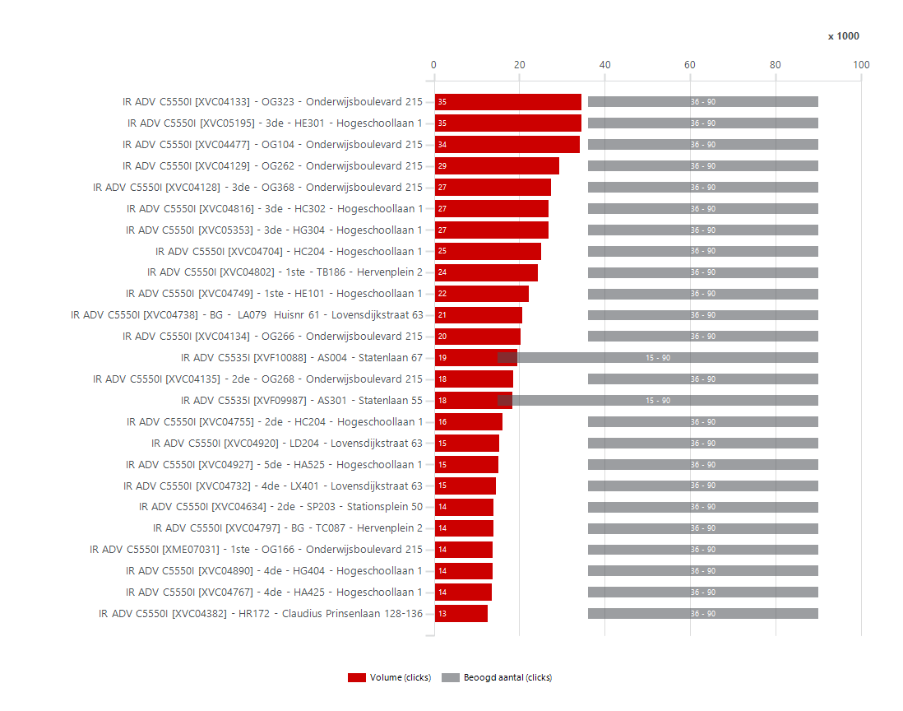
3352940 | NL Stichting Avans | Stichting Avans |  | IPF TX 3000 | Colour | LFP | BAJA00999 | lx101 | Lovensdijkstraat 61 | 4818 AJ | Breda | 33,660 |  |  |  |  |  |  |  |  |  |  |  |  |  |  |  |  | XVC05195 | IR ADV C5550I | 34,571 | 36,000 | 54,000 | XVC04133 | IR ADV C5550I | 16,351 | 18,226 | XVC05195 | IR ADV C5550I | 23,114 | 10,662
3352940 | NL Stichting Avans | Stichting Avans |  | IPF TX 3000 | Colour | LFP | BAJA00931 | CA180 | Prof. Cobbenhagenlaan 13 | 5037 DA | TILBURG | 33,660 |  |  |  |  |  |  |  |  |  |  |  |  |  |  |  |  | XVC04477 | IR ADV C5550I | 34,137 | 36,000 | 54,000 | XVC04477 | IR ADV C5550I | 15,133 | 19,004 | XVC04129 | IR ADV C5550I | 17,972 | 10,657
3352940 | NL Stichting Avans | Stichting Avans |  | IPF TX 3000 | Colour | LFP | BAJA01268 | OA010 | Onderwijsboulevard 215 | 5223 DE | 's-Hertogenbosch | 33,660 |  |  |  |  |  |  |  |  |  |  |  |  |  |  |  |  | XVC04129 | IR ADV C5550I | 29,369 | 36,000 | 54,000 | XVC05353 | IR ADV C5550I | 14,950 | 11,807 | XVC04816 | IR ADV C5550I | 15,644 | 10,330
3352940 | NL Stichting Avans | Stichting Avans | PR180123 | IR ADV C5535I | Colour | MFD | XVF10088 | AS004 | Statenlaan 67 | 5223 LA | 's-Hertogenbosch | 33,660 | 19,459 | 15,000 | 90,000 |  |  | 75,000 | 8,729 | 10,730 | 7,049 | 11,976 | 434 | 18,591 | 13,037 | 790 | 18,669 | 481 | XVC04128 | IR ADV C5550I | 27,459 | 36,000 | 54,000 | XVC04738 | IR ADV C5550I | 14,368 | 6,302 | XVC04477 | IR ADV C5550I | 23,916 | 9,230
3352940 | NL Stichting Avans | Stichting Avans | PR180122 | IR ADV C5535I | Colour | MFD | XVF09987 | AS301 | Statenlaan 55 | 5223 LA | 's-Hertogenbosch | 33,660 | 18,435 | 15,000 | 90,000 |  |  | 75,000 | 8,654 | 9,781 | 5,598 | 12,264 | 573 | 17,289 | 11,730 | 1,724 | 16,711 | 517 | XVC04816 | IR ADV C5550I | 26,781 | 36,000 | 54,000 | XVC04129 | IR ADV C5550I | 13,273 | 16,096 | XVC05353 | IR ADV C5550I | 17,720 | 8,887
3352940 | NL Stichting Avans | Stichting Avans | PR180125 | IR ADV C5535I | Colour | MFD | XVF10048 | MB002 | Mill Hillplein 1 | 4701 BS | Roosendaal | 33,660 | 11,792 | 15,000 | 90,000 | 3,208 |  | 75,000 | 7,288 | 4,504 | 4,685 | 6,374 | 733 | 10,326 | 7,872 | 750 | 11,042 | 1,276 | XVC05353 | IR ADV C5550I | 26,757 | 36,000 | 54,000 | XVC04704 | IR ADV C5550I | 12,788 | 12,252 | XVC04802 | IR ADV C5550I | 15,616 | 8,301
3352940 | NL Stichting Avans | Stichting Avans | PR180033 | IR ADV C5535I | Colour | MFD | XVF08296 | OGS90 | Onderwijsboulevard 215 | 5223 DE | 's-Hertogenbosch | 33,660 | 11,674 | 15,000 | 90,000 | 3,326 |  | 75,000 | 7,792 | 3,882 | 3,170 | 8,262 | 242 | 11,190 | 7,301 | 1,253 | 10,421 | 822 | XVC04704 | IR ADV C5550I | 25,040 | 36,000 | 54,000 | XVC04816 | IR ADV C5550I | 10,852 | 15,929 | XVC04128 | IR ADV C5550I | 19,130 | 7,932
3352940 | NL Stichting Avans | Stichting Avans | PR180010 | IR ADV C5535I | Colour | MFD | XVF08408 | SP303 | Stationsplein 50 | 5211 AP | 's-Hertogenbosch | 33,660 | 9,154 | 15,000 | 90,000 | 5,846 |  | 75,000 | 2,367 | 6,787 | 2,698 | 6,150 | 306 | 8,542 | 5,773 | 800 | 8,354 | 255 | XVC04802 | IR ADV C5550I | 24,261 | 36,000 | 54,000 | XVC04128 | IR ADV C5550I | 9,799 | 17,660 | XVC04354 | IR ADV C5550I | 2,032 | 7,753
3352940 | NL Stichting Avans | Stichting Avans | PR180082 | IR ADV C5535I | Colour | MFD | XVF08995 | HQ275 | Hogeschoollaan 1 | 4818 CR | Breda | 33,660 | 8,411 | 15,000 | 90,000 | 6,589 |  | 75,000 | 2,587 | 5,824 | 1,883 | 6,338 | 190 | 8,031 | 5,052 | 1,107 | 7,304 | 194 | XVC04749 | IR ADV C5550I | 22,223 | 36,000 | 54,000 | XVF10088 | IR ADV C5535I | 8,729 | 10,730 | XVC04704 | IR ADV C5550I | 17,228 | 7,197
3352940 | NL Stichting Avans | Stichting Avans | PR180043 | IR ADV C5535I | Colour | MFD | XVF08962 | 1ste - OG168 | Onderwijsboulevard 215 | 5223 DE | 's-Hertogenbosch | 33,660 | 8,244 | 15,000 | 90,000 | 6,756 |  | 75,000 | 4,130 | 4,114 | 2,101 | 5,872 | 271 | 7,702 | 5,037 | 365 | 7,879 | 241 | XVC04738 | IR ADV C5550I | 20,670 | 36,000 | 54,000 | XVF09987 | IR ADV C5535I | 8,654 | 9,781 | XVF10088 | IR ADV C5535I | 11,976 | 7,049
3352940 | NL Stichting Avans | Stichting Avans | PR180036 | IR ADV C5535I | Colour | MFD | XVF08967 | 1 - OAS09 | Onderwijsboulevard 215 | 5223 DE | 's-Hertogenbosch | 33,660 | 7,427 | 15,000 | 90,000 | 7,573 |  | 75,000 | 3,982 | 3,445 | 1,824 | 5,254 | 349 | 6,729 | 4,451 | 115 | 7,312 | 312 | XVC04134 | IR ADV C5550I | 20,344 | 36,000 | 54,000 | XVC04134 | IR ADV C5550I | 8,523 | 11,821 | XVC04134 | IR ADV C5550I | 13,098 | 6,318
3352940 | NL Stichting Avans | Stichting Avans | PR180040 | IR ADV C5535I | Colour | MFD | XVF08779 | OG067 | Onderwijsboulevard 215 | 5223 DE | 's-Hertogenbosch | 33,660 | 6,675 | 15,000 | 90,000 | 8,325 |  | 75,000 | 3,159 | 3,516 | 2,571 | 3,932 | 172 | 6,331 | 4,537 | 872 | 5,803 | 786 | XVF10088 | IR ADV C5535I | 19,459 | 15,000 | 75,000 | XVC04802 | IR ADV C5550I | 8,498 | 15,763 | XVC04749 | IR ADV C5550I | 16,112 | 5,835
3352940 | NL Stichting Avans | Stichting Avans | PR180119 | IR ADV C5535I | Colour | MFD | XVF09553 | BG - CX001 | Prof. Cobbenhagenlaan 13 | 5037 DA | TILBURG | 33,660 | 5,974 | 15,000 | 90,000 | 9,026 |  | 75,000 | 2,767 | 3,207 | 2,207 | 3,330 | 437 | 5,100 | 3,872 | 160 | 5,814 | 295 | XVC04135 | IR ADV C5550I | 18,481 | 36,000 | 54,000 | XVC04135 | IR ADV C5550I | 8,225 | 10,256 | XVC04425 | IR ADV C5550I | 3,626 | 5,705
3352940 | NL Stichting Avans | Stichting Avans | PR180089 | IR ADV C5535I | Colour | MFD | XVF08928 | HE101 | Hogeschoollaan 1 | 4818 CR | Breda | 33,660 | 5,885 | 15,000 | 90,000 | 9,115 |  | 75,000 | 2,326 | 3,559 | 2,013 | 3,638 | 234 | 5,417 | 3,832 | 722 | 5,163 | 840 | XVF09987 | IR ADV C5535I | 18,435 | 15,000 | 75,000 | XVC04749 | IR ADV C5550I | 7,854 | 14,369 | XVF09987 | IR ADV C5535I | 12,264 | 5,598
3352940 | NL Stichting Avans | Stichting Avans | PR180114 | IR ADV C5535I | Colour | MFD | XVF10213 | BG - CA010G | Prof. Cobbenhagenlaan 13 | 5037 DA | TILBURG | 33,660 | 5,713 | 15,000 | 90,000 | 9,287 |  | 75,000 | 1,993 | 3,720 | 2,200 | 3,350 | 163 | 5,387 | 3,875 | 1,473 | 4,240 | 439 | XVC04755 | IR ADV C5550I | 16,128 | 36,000 | 54,000 | XVC04354 | IR ADV C5550I | 7,808 | 2,034 | XVC04732 | IR ADV C5550I | 8,342 | 5,543
3352940 | NL Stichting Avans | Stichting Avans | HQ775 | IR ADV C5535I | Colour | MFD | XVF09600 | 6de - HQ674 | Hogeschoollaan 1 | 4818 CR | Breda | 33,660 | 5,622 | 15,000 | 90,000 | 9,378 |  | 75,000 | 2,847 | 2,775 | 1,813 | 3,656 | 153 | 5,316 | 3,641 | 410 | 5,212 | 198 | XVC04920 | IR ADV C5550I | 15,315 | 36,000 | 54,000 | XVF08296 | IR ADV C5535I | 7,792 | 3,882 | XVC05282 | IR ADV C5550I | 4,030 | 5,484
3352940 | NL Stichting Avans | Stichting Avans | PR180124 | IR ADV C5535I | Colour | MFD | XVF10111 | MA101 | Mill Hillplein 1 | 4701 BS | Roosendaal | 33,660 | 5,578 | 15,000 | 90,000 | 9,422 |  | 75,000 | 2,554 | 3,024 | 2,253 | 2,978 | 347 | 4,884 | 3,742 | 700 | 4,878 | 436 | XVC04927 | IR ADV C5550I | 15,171 | 36,000 | 54,000 | XVC04382 | IR ADV C5550I | 7,686 | 4,867 | XVC04135 | IR ADV C5550I | 12,964 | 5,389
3352940 | NL Stichting Avans | Stichting Avans | PQ82554 | IR ADV C5535I | Colour | MFD | XMH13540 | 4e | Claudius Prinsenlaan 128-136 | 4818 CP | Breda | 33,660 | 5,481 | 15,000 | 90,000 | 9,519 |  | 75,000 | 3,248 | 2,233 | 1,700 | 3,458 | 323 | 4,835 | 3,429 | 428 | 5,053 | 434 | XVC04732 | IR ADV C5550I | 14,525 | 36,000 | 54,000 | XVF10048 | IR ADV C5535I | 7,288 | 4,504 | XVC04738 | IR ADV C5550I | 15,258 | 5,185
3352940 | NL Stichting Avans | Stichting Avans | PR180035 | IR ADV C5535I | Colour | MFD | XVF08979 | OA092 | Onderwijsboulevard 215 | 5223 DE | 's-Hertogenbosch | 33,660 | 4,836 | 15,000 | 90,000 | 10,164 |  | 75,000 | 3,888 | 948 | 1,292 | 3,398 | 146 | 4,544 | 2,991 | 62 | 4,774 | 29 | XVC04634 | IR ADV C5550I | 13,972 | 36,000 | 54,000 | XVC04755 | IR ADV C5550I | 7,043 | 9,085 | XVC04382 | IR ADV C5550I | 6,684 | 5,184
3352940 | NL Stichting Avans | Stichting Avans | PR180065 | IR ADV C5535I | Colour | MFD | XVF09120 | BG - LC010 | Lovensdijkstraat 63 | 4818 AJ | Breda | 33,660 | 4,741 | 15,000 | 90,000 | 10,259 |  | 75,000 | 2,755 | 1,986 | 1,543 | 3,046 | 152 | 4,437 | 3,066 | 407 | 4,334 | 999 | XVC04797 | IR ADV C5550I | 13,927 | 36,000 | 54,000 | XVC04732 | IR ADV C5550I | 6,805 | 7,720 | XVC04650 | IR ADV C5550I | 3,218 | 5,006
3352940 | NL Stichting Avans | Stichting Avans | PR180060 | IR ADV C5535I | Colour | MFD | XVF09132 | 2de - LX201 | Lovensdijkstraat 63 | 4818 AJ | Breda | 33,660 | 4,615 | 15,000 | 90,000 | 10,385 |  | 75,000 | 2,967 | 1,648 | 1,503 | 2,968 | 144 | 4,327 | 2,987 | 497 | 4,118 | 223 | XME07031 | IR ADV C5550I | 13,726 | 36,000 | 54,000 | XVC04920 | IR ADV C5550I | 6,464 | 8,851 | XME07031 | IR ADV C5550I | 8,672 | 4,905
3352940 | NL Stichting Avans | Stichting Avans | PR180073 | IR ADV C5535I | Colour | MFD | XVF09944 | HQ475 | Hogeschoollaan 1 | 4818 CR | Breda | 33,660 | 4,227 | 15,000 | 90,000 | 10,773 |  | 75,000 | 2,415 | 1,812 | 962 | 3,172 | 93 | 4,041 | 2,548 | 391 | 3,836 | 379 | XVC04890 | IR ADV C5550I | 13,674 | 36,000 | 54,000 | XVC04737 | IR ADV C5550I | 6,443 | 4,376 | XVF10048 | IR ADV C5535I | 6,374 | 4,685
3352940 | NL Stichting Avans | Stichting Avans | PR180001 | IR ADV C5535I | Colour | MFD | XVF08223 | BG PP057 | Parallelweg 21-24 | 5223 AL | 's-Hertogenbosch | 33,660 | 4,226 | 15,000 | 90,000 | 10,774 |  | 75,000 | 2,050 | 2,176 | 1,868 | 2,022 | 336 | 3,554 | 2,879 | 340 | 3,886 | 264 | XVC04767 | IR ADV C5550I | 13,588 | 36,000 | 54,000 | XME07031 | IR ADV C5550I | 6,281 | 7,445 | XVC04767 | IR ADV C5550I | 8,602 | 4,628
3352940 | NL Stichting Avans | Stichting Avans | PR180059 | IR ADV C5535I | Colour | MFD | XVF09296 | 2de - LA234 | Lovensdijkstraat 63 | 4818 AJ | Breda | 33,660 | 4,119 | 15,000 | 90,000 | 10,881 |  | 75,000 | 3,357 | 762 | 1,613 | 1,982 | 524 | 3,071 | 2,604 | 108 | 4,011 | 148 | XVC04382 | IR ADV C5550I | 12,553 | 36,000 | 54,000 | XVC05282 | IR ADV C5550I | 6,140 | 4,012 | XVC04890 | IR ADV C5550I | 8,746 | 4,558
3352940 | NL Stichting Avans | Stichting Avans | PR180066 | IR ADV C5535I | Colour | MFD | XVF08837 | LCS82 | Lovensdijkstraat 63 | 4818 AJ | Breda | 33,660 | 4,032 | 15,000 | 90,000 | 10,968 |  | 75,000 | 1,267 | 2,765 | 1,374 | 2,624 | 34 | 3,964 | 2,686 | 303 | 3,729 | 359 | XVF10048 | IR ADV C5535I | 11,792 | 15,000 | 75,000 | XVC04126 | IR ADV C5550I | 5,746 | 2,292 | XVC04755 | IR ADV C5550I | 11,724 | 4,039
3352940 | NL Stichting Avans | Stichting Avans | PR180067 | IR ADV C5535I | Colour | MFD | XVF09004 | LD101 | Lovensdijkstraat 63 | 4818 AJ | Breda | 33,660 | 3,831 | 15,000 | 90,000 | 11,169 |  | 75,000 | 1,949 | 1,882 | 1,409 | 2,170 | 252 | 3,327 | 2,494 | 685 | 3,146 | 207 | XVF08296 | IR ADV C5535I | 11,674 | 15,000 | 75,000 | XVC04762 | IR ADV C5550I | 5,627 | 5,619 | XVC04634 | IR ADV C5550I | 9,788 | 3,911
3352940 | NL Stichting Avans | Stichting Avans | PR180098 | IR ADV C5535I | Colour | MFD | XVF08978 | HN002 | Hogeschoollaan 1 | 4818 CR | Breda | 33,660 | 3,707 | 15,000 | 90,000 | 11,293 |  | 75,000 | 1,184 | 2,523 | 1,136 | 2,454 | 117 | 3,473 | 2,363 | 1,030 | 2,677 | 293 | XVC04451 | IR ADV C5550I | 11,382 | 36,000 | 54,000 | XVC04425 | IR ADV C5550I | 5,333 | 4,105 | XVC04927 | IR ADV C5550I | 10,952 | 3,760
3352940 | NL Stichting Avans | Stichting Avans | PR180084 | IR ADV C5535I | Colour | MFD | XVF09005 | 3de - HA395 | Hogeschoollaan 1 | 4818 CR | Breda | 33,660 | 3,673 | 15,000 | 90,000 | 11,327 |  | 75,000 | 2,166 | 1,507 | 1,112 | 2,370 | 191 | 3,291 | 2,297 | 582 | 3,091 | 151 | XVC04762 | IR ADV C5550I | 11,246 | 36,000 | 54,000 | XVC04124 | IR ADV C5550I | 5,264 | 4,748 | XVC04124 | IR ADV C5550I | 6,090 | 3,571
3352940 | NL Stichting Avans | Stichting Avans | PR180005 | IR ADV C5535I | Colour | MFD | XVF08363 | PA494 | Parallelweg 64 | 5223 AL | 's-Hertogenbosch | 33,660 | 3,565 | 15,000 | 90,000 | 11,435 |  | 75,000 | 1,252 | 2,313 | 631 | 2,846 | 88 | 3,389 | 2,054 | 195 | 3,370 | 512 | XVC04737 | IR ADV C5550I | 10,819 | 36,000 | 54,000 | XVC04868 | IR ADV C5550I | 5,185 | 3,425 | XVC04737 | IR ADV C5550I | 7,306 | 3,363
3352940 | NL Stichting Avans | Stichting Avans | PR180037 | IR ADV C5535I | Colour | MFD | XVF08980 | OB090 | Onderwijsboulevard 215 | 5223 DE | 's-Hertogenbosch | 33,660 | 3,556 | 15,000 | 90,000 | 11,444 |  | 75,000 | 2,516 | 1,040 | 1,264 | 1,738 | 554 | 2,448 | 2,133 | 100 | 3,456 | 234 | XVC04865 | IR ADV C5550I | 10,683 | 36,000 | 54,000 | XVC04890 | IR ADV C5550I | 5,031 | 8,643 | XVC04920 | IR ADV C5550I | 11,976 | 3,199
3352940 | NL Stichting Avans | Stichting Avans | PR180091 | IR ADV C5535I | Colour | MFD | XVF08790 | 2de - HE201 | Hogeschoollaan 1 | 4818 CR | Breda | 33,660 | 3,208 | 15,000 | 90,000 | 11,792 |  | 75,000 | 1,653 | 1,555 | 826 | 2,248 | 134 | 2,940 | 1,950 | 62 | 3,146 | 96 | XVC04798 | IR ADV C5550I | 10,522 | 36,000 | 54,000 | XVC04125 | IR ADV C5550I | 5,018 | 3,509 | XVC04762 | IR ADV C5550I | 7,958 | 3,193
3352940 | NL Stichting Avans | Stichting Avans | PR180083 | IR ADV C5535I | Colour | MFD | XVF09000 | HA106 | Hogeschoollaan 1 | 4818 CR | Breda | 33,660 | 3,007 | 15,000 | 90,000 | 11,993 |  | 75,000 | 897 | 2,110 | 1,497 | 1,470 | 40 | 2,927 | 2,232 | 783 | 2,224 | 831 | XVC04750 | IR ADV C5550I | 10,355 | 36,000 | 54,000 | XVC04797 | IR ADV C5550I | 4,864 | 9,063 | XVF08296 | IR ADV C5535I | 8,262 | 3,170
3352940 | NL Stichting Avans | Stichting Avans | PR180076 | IR ADV C5535I | Colour | MFD | XVF09868 | 4de - HA488 | Hogeschoollaan 1 | 4818 CR | Breda | 33,660 | 2,936 | 15,000 | 90,000 | 12,064 |  | 75,000 | 1,264 | 1,672 | 837 | 2,028 | 71 | 2,794 | 1,851 | 760 | 2,176 | 68 | XVC05282 | IR ADV C5550I | 10,152 | 36,000 | 54,000 | XVC04182 | IR ADV C5550I | 4,836 | 2,284 | XVC04126 | IR ADV C5550I | 4,534 | 3,153
3352940 | NL Stichting Avans | Stichting Avans | PR180096 | IR ADV C5535I | Colour | MFD | XVF08861 | HGS06 | Hogeschoollaan 1 | 4818 CR | Breda | 33,660 | 2,895 | 15,000 | 90,000 | 12,105 |  | 75,000 | 1,709 | 1,186 | 550 | 2,182 | 163 | 2,569 | 1,641 | 6 | 2,889 | 34 | XVC04124 | IR ADV C5550I | 10,012 | 36,000 | 54,000 | XVC04451 | IR ADV C5550I | 4,794 | 6,588 | XVC04127 | IR ADV C5550I | 3,900 | 3,076
3352940 | NL Stichting Avans | Stichting Avans | PR180057 | IR ADV C5535I | Colour | MFD | XVF09289 | BG - LA088 | Lovensdijkstraat 63 | 4818 AJ | Breda | 33,660 | 2,773 | 15,000 | 90,000 | 12,227 |  | 75,000 | 2,046 | 727 | 1,502 | 1,228 | 43 | 2,687 | 2,116 | 98 | 2,675 | 102 | XVC04354 | IR ADV C5550I | 9,842 | 36,000 | 54,000 | XVC04750 | IR ADV C5550I | 4,762 | 5,593 | XVC04797 | IR ADV C5550I | 10,630 | 3,038
3352940 | NL Stichting Avans | Stichting Avans | PR180064 | IR ADV C5535I | Colour | MFD | XVF09294 | LA130 | Lovensdijkstraat 63 | 4818 AJ | Breda | 33,660 | 2,747 | 15,000 | 90,000 | 12,253 |  | 75,000 | 1,315 | 1,432 | 754 | 1,982 | 11 | 2,725 | 1,745 | 162 | 2,585 | 145 | XVC04425 | IR ADV C5550I | 9,438 | 36,000 | 54,000 | XVC04927 | IR ADV C5550I | 4,751 | 10,420 | XVC04451 | IR ADV C5550I | 8,204 | 3,015
3352940 | NL Stichting Avans | Stichting Avans | PR180003 | IR ADV C5535I | Colour | MFD | XVF08364 | PR205 | Parallelweg 21-24 | 5223 AL | 's-Hertogenbosch | 33,660 | 2,667 | 15,000 | 90,000 | 12,333 |  | 75,000 | 1,091 | 1,576 | 1,204 | 1,378 | 86 | 2,495 | 1,893 | 250 | 2,417 | 323 | XVF08408 | IR ADV C5535I | 9,154 | 15,000 | 75,000 | XVC04650 | IR ADV C5550I | 4,547 | 4,034 | XVC04709 | IR ADV C5550I | 1,912 | 2,871 |  |  |  |  |  |  | Kleurvolume per systeem
3352940 | NL Stichting Avans | Stichting Avans | PR180061 | IR ADV C5535I | Colour | MFD | XVF09281 | 3de - LX301 | Lovensdijkstraat 63 | 4818 AJ | Breda | 33,660 | 2,649 | 15,000 | 90,000 | 12,351 |  | 75,000 | 1,410 | 1,239 | 817 | 1,762 | 70 | 2,509 | 1,698 | 50 | 2,599 | 64 | XVC04868 | IR ADV C5550I | 8,610 | 36,000 | 54,000 | XVF08962 | IR ADV C5535I | 4,130 | 4,114 | XVC04390 | IR ADV C5550I | 1,420 | 2,776 |  |  |  |  |  |  | 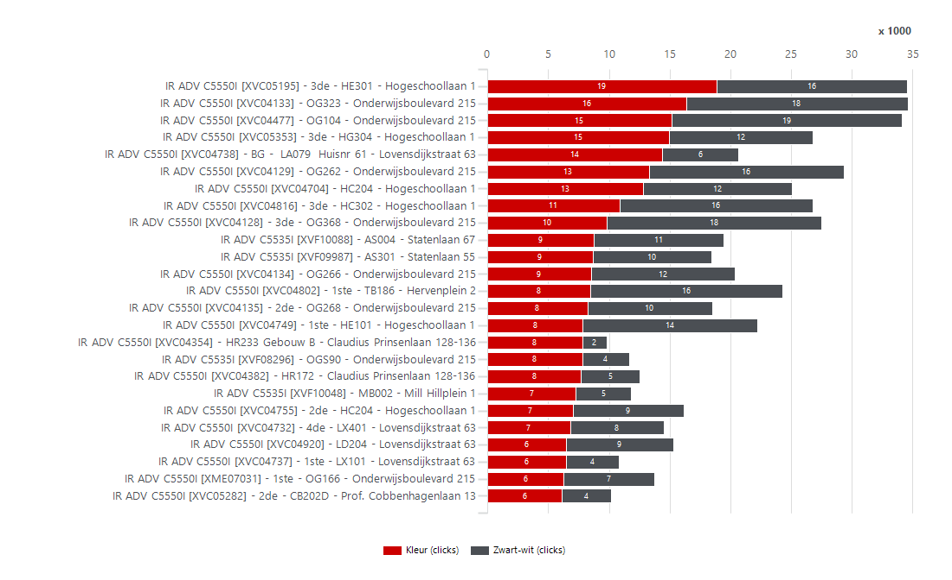
3352940 | NL Stichting Avans | Stichting Avans | PR180029 | IR ADV C5535I | Colour | MFD | XVF08295 | OG028 | Onderwijsboulevard 215 | 5223 DE | 's-Hertogenbosch | 33,660 | 2,636 | 15,000 | 90,000 | 12,364 |  | 75,000 | 2,113 | 523 | 2,002 | 368 | 266 | 2,104 | 2,186 | 270 | 2,366 | 219 | XVC04650 | IR ADV C5550I | 8,581 | 36,000 | 54,000 | XVC04289 | IR ADV C5550I | 4,033 | 1,790 | XVC04865 | IR ADV C5550I | 7,812 | 2,703
3352940 | NL Stichting Avans | Stichting Avans | PR180008 | IR ADV C5535I | Colour | MFD | XVF08401 | SP203 | Stationsplein 50 | 5211 AP | 's-Hertogenbosch | 33,660 | 2,447 | 15,000 | 90,000 | 12,553 |  | 75,000 | 900 | 1,547 | 591 | 1,796 | 60 | 2,327 | 1,489 | 15 | 2,432 | 27 | XVC04125 | IR ADV C5550I | 8,527 | 36,000 | 54,000 | XVC04127 | IR ADV C5550I | 4,000 | 3,253 | XVF08408 | IR ADV C5535I | 6,150 | 2,698
3352940 | NL Stichting Avans | Stichting Avans | PR180118 | IR ADV C5535I | Colour | MFD | XVF09630 | 2de - CB203A | Prof. Cobbenhagenlaan 13 | 5037 DA | TILBURG | 33,660 | 2,411 | 15,000 | 90,000 | 12,589 |  | 75,000 | 1,199 | 1,212 | 615 | 1,694 | 102 | 2,207 | 1,462 | 277 | 2,134 | 178 | XVF08995 | IR ADV C5535I | 8,411 | 15,000 | 75,000 | XVF08967 | IR ADV C5535I | 3,982 | 3,445 | XVC04798 | IR ADV C5550I | 7,714 | 2,615
3352940 | NL Stichting Avans | Stichting Avans | PR180014 | IR ADV C5535I | Colour | MFD | XVF08498 | 2de - TB286 | Hervenplein 2 | 5232 JE | 's-Hertogenbosch | 33,660 | 2,337 | 15,000 | 90,000 | 12,663 |  | 75,000 | 1,146 | 1,191 | 604 | 1,686 | 47 | 2,243 | 1,447 | 267 | 2,070 | 142 | XVF08962 | IR ADV C5535I | 8,244 | 15,000 | 75,000 | XVF08979 | IR ADV C5535I | 3,888 | 948 | XVF08779 | IR ADV C5535I | 3,932 | 2,571
3352940 | NL Stichting Avans | Stichting Avans | PR180048 | IR ADV C5535I | Colour | MFD | XVF09330 | 1ste - BC197 | Beukenlaan 1 | 4834 CR | Breda | 33,660 | 2,164 | 15,000 | 90,000 | 12,836 |  | 75,000 | 1,312 | 852 | 1,179 | 814 | 171 | 1,822 | 1,586 | 343 | 1,821 | 373 | XVC04126 | IR ADV C5550I | 8,038 | 36,000 | 54,000 | XVC04767 | IR ADV C5550I | 3,877 | 9,711 | XVC04289 | IR ADV C5550I | 3,186 | 2,413
3352940 | NL Stichting Avans | Stichting Avans | PR180018 | IR ADV C5535I | Colour | MFD | XVF08586 | 3de - TC386 | Hervenplein 2 | 5232 JE | 's-Hertogenbosch | 33,660 | 1,995 | 15,000 | 90,000 | 13,005 |  | 75,000 | 451 | 1,544 | 856 | 1,052 | 87 | 1,821 | 1,382 | 374 | 1,621 | 45 | XVF08967 | IR ADV C5535I | 7,427 | 15,000 | 75,000 | XVC04865 | IR ADV C5550I | 3,874 | 6,809 | XVC04750 | IR ADV C5550I | 7,730 | 2,266
3352940 | NL Stichting Avans | Stichting Avans | PR180102 | IR ADV C5535I | Colour | MFD | XVF09046 | 1e verd. via trap | Havensingel 25 | 5211 TX | 's-Hertogenbosch | 33,660 | 1,807 | 15,000 | 90,000 | 13,193 |  | 75,000 | 597 | 1,210 | 404 | 1,268 | 135 | 1,537 | 1,038 | 146 | 1,661 | 36 | XVC04127 | IR ADV C5550I | 7,253 | 36,000 | 54,000 | XVC04634 | IR ADV C5550I | 3,871 | 10,101 | XVF10111 | IR ADV C5535I | 2,978 | 2,253
3352940 | NL Stichting Avans | Stichting Avans | PR180031 | IR ADV C5535I | Colour | MFD | XVF08398 | 1ste - OX101 | Onderwijsboulevard 215 | 5223 DE | 's-Hertogenbosch | 33,660 | 1,786 | 15,000 | 90,000 | 13,214 |  | 75,000 | 1,346 | 440 | 664 | 926 | 196 | 1,394 | 1,127 | 36 | 1,750 | 66 | XVC04182 | IR ADV C5550I | 7,120 | 36,000 | 54,000 | XVC04709 | IR ADV C5550I | 3,865 | 1,471 | XVF09553 | IR ADV C5535I | 3,330 | 2,207
3352940 | NL Stichting Avans | Stichting Avans | PR180006 | IR ADV C5535I | Colour | MFD | XVF08449 | SP010 | Stationsplein 50 | 5211 AP | 's-Hertogenbosch | 33,660 | 1,626 | 15,000 | 90,000 | 13,374 |  | 75,000 | 811 | 815 | 682 | 894 | 50 | 1,526 | 1,129 | 142 | 1,484 | 73 | XVF08779 | IR ADV C5535I | 6,675 | 15,000 | 75,000 | XVC04798 | IR ADV C5550I | 3,465 | 7,057 | XVF10213 | IR ADV C5535I | 3,350 | 2,200
3352940 | NL Stichting Avans | Stichting Avans | PR180007 | IR ADV C5535I | Colour | MFD | XVF08508 | SP114 | Stationsplein 50 | 5211 AP | 's-Hertogenbosch | 33,660 | 1,454 | 15,000 | 90,000 | 13,546 |  | 75,000 | 215 | 1,239 | 465 | 988 | 1 | 1,452 | 959 | 341 | 1,113 | 75 | XVF09553 | IR ADV C5535I | 5,974 | 15,000 | 75,000 | XVF09296 | IR ADV C5535I | 3,357 | 762 | XVC04125 | IR ADV C5550I | 6,300 | 2,163
3352940 | NL Stichting Avans | Stichting Avans | PR180045 | IR ADV C5535I | Colour | MFD | XVF09335 | 1ste - BA165 | Beukenlaan 1 | 4834 CR | Breda | 33,660 | 1,433 | 15,000 | 90,000 | 13,567 |  | 75,000 | 979 | 454 | 656 | 726 | 51 | 1,331 | 1,019 | 106 | 1,327 | 108 | XVF08928 | IR ADV C5535I | 5,885 | 15,000 | 75,000 | XMH13540 | IR ADV C5535I | 3,248 | 2,233 | XVF08962 | IR ADV C5535I | 5,872 | 2,101
3352940 | NL Stichting Avans | Stichting Avans | PR180004 | IR ADV C5535I | Colour | MFD | XVF08483 | 3de - PA394 | Parallelweg 64 | 5223 AL | 's-Hertogenbosch | 33,660 | 1,321 | 15,000 | 90,000 | 13,679 |  | 75,000 | 486 | 835 | 423 | 850 | 48 | 1,225 | 848 | 256 | 1,065 | 504 | XVC04289 | IR ADV C5550I | 5,823 | 36,000 | 54,000 | XVF08779 | IR ADV C5535I | 3,159 | 3,516 | XVC04264 | IR ADV C5550I | 2,016 | 2,060
3352940 | NL Stichting Avans | Stichting Avans | PR180100 | IR ADV C5535I | Colour | MFD | XVF08787 | BG - HF007 | Hogeschoollaan 1 | 4818 CR | Breda | 33,660 | 1,267 | 10,000 | 60,000 | 8,733 |  | 50,000 | 505 | 762 | 439 | 722 | 106 | 1,055 | 800 | 103 | 1,164 | 67 | XVF10213 | IR ADV C5535I | 5,713 | 15,000 | 75,000 | XVC04603 | IR ADV C5550I | 3,101 | 565 | XVF08928 | IR ADV C5535I | 3,638 | 2,013
3352940 | NL Stichting Avans | Stichting Avans | PR180011 | IR ADV C5535I | Colour | MFD | XVF08407 | 4de - SP421 | Stationsplein 50 | 5211 AP | 's-Hertogenbosch | 33,660 | 1,244 | 15,000 | 90,000 | 13,756 |  | 75,000 | 700 | 544 | 254 | 986 | 4 | 1,236 | 747 | 121 | 1,123 | 40 | XVF09600 | IR ADV C5535I | 5,622 | 15,000 | 75,000 | XVF09132 | IR ADV C5535I | 2,967 | 1,648 | XVF08295 | IR ADV C5535I | 368 | 2,002
3352940 | NL Stichting Avans | Stichting Avans | PR180071 | IR ADV C5535I | Colour | MFD | XVF09835 | LD321 | Lovensdijkstraat 63 | 4818 AJ | Breda | 33,660 | 1,138 | 15,000 | 90,000 | 13,862 |  | 75,000 | 403 | 735 | 440 | 652 | 46 | 1,046 | 766 | 201 | 937 | 137 | XVF10111 | IR ADV C5535I | 5,578 | 15,000 | 75,000 | XVF09600 | IR ADV C5535I | 2,847 | 2,775 | XVC04603 | IR ADV C5550I | 1,242 | 1,911
3352940 | NL Stichting Avans | Stichting Avans | PR180030 | IR ADV C5535I | Colour | MFD | XVF08178 | Opslag in het hoofdgebouw, locatie OGS57 | Onderwijsboulevard 215 | 5223 DE | 's-Hertogenbosch | 33,660 | 1,123 | 15,000 | 90,000 | 13,877 |  | 75,000 | 316 | 807 | 297 | 768 | 58 | 1,007 | 681 | 151 | 972 | 8 | XMH13540 | IR ADV C5535I | 5,481 | 15,000 | 75,000 | XVF09553 | IR ADV C5535I | 2,767 | 3,207 | XVF08995 | IR ADV C5535I | 6,338 | 1,883
3352940 | NL Stichting Avans | Stichting Avans | PR180049 | IR ADV C5535I | Colour | MFD | XVF11384 | HR372 | Claudius Prinsenlaan 128-136 | 4818 CP | Breda | 33,660 | 971 | 15,000 | 90,000 | 14,029 |  | 75,000 | 579 | 392 | 198 | 742 | 31 | 909 | 569 | 58 | 913 | 154 | XVC04709 | IR ADV C5550I | 5,336 | 36,000 | 54,000 | XVF09120 | IR ADV C5535I | 2,755 | 1,986 | XVF08223 | IR ADV C5535I | 2,022 | 1,868
3352940 | NL Stichting Avans | Stichting Avans | PR180121 | IR ADV C5535I | Colour | MFD | XVF09878 | 1ste - CX101 | Prof. Cobbenhagenlaan 13 | 5037 DA | TILBURG | 33,660 | 859 | 15,000 | 90,000 | 14,141 |  | 75,000 | 296 | 563 | 286 | 482 | 93 | 673 | 527 | 110 | 749 | 137 | XVC04754 | IR ADV C5550I | 4,973 | 36,000 | 54,000 | XVC04390 | IR ADV C5550I | 2,670 | 2,109 | XVC04868 | IR ADV C5550I | 6,556 | 1,841
3352940 | NL Stichting Avans | Stichting Avans | PR180032 | IR ADV C5535I | Colour | MFD | XVF08276 | 2de - OX201 | Onderwijsboulevard 215 | 5223 DE | 's-Hertogenbosch | 33,660 | 841 | 15,000 | 90,000 | 14,159 |  | 75,000 | 500 | 341 | 224 | 478 | 139 | 563 | 463 | 304 | 537 | 207 | XVF08979 | IR ADV C5535I | 4,836 | 15,000 | 75,000 | XVF08995 | IR ADV C5535I | 2,587 | 5,824 | XVF08967 | IR ADV C5535I | 5,254 | 1,824
3352940 | NL Stichting Avans | Stichting Avans | PR180046 | IR ADV C5535I | Colour | MFD | XVF11386 | BA202 | Beukenlaan 1 | 4834 CR | Breda | 33,660 | 322 | 15,000 | 90,000 | 14,678 |  | 75,000 | 253 | 69 | 263 | 32 | 27 | 268 | 279 | 8 | 314 | 49 | XVC04390 | IR ADV C5550I | 4,779 | 36,000 | 54,000 | XVF10111 | IR ADV C5535I | 2,554 | 3,024 | XVC04182 | IR ADV C5550I | 4,156 | 1,822
3352940 | NL Stichting Avans | Stichting Avans | PR180097 | IR ADV C5535I | Colour | MFD | XVF08724 | HGS06 | Hogeschoollaan 1 | 4818 CR | Breda | 33,660 | 229 | 15,000 | 90,000 | 14,771 |  | 75,000 | 101 | 128 | 88 | 126 | 15 | 199 | 151 | 1 | 228 | 1 | XVF09120 | IR ADV C5535I | 4,741 | 15,000 | 75,000 | XVC04264 | IR ADV C5550I | 2,531 | 1,887 | XVF09600 | IR ADV C5535I | 3,656 | 1,813
3352940 | NL Stichting Avans | Stichting Avans | PR180053 | IR ADV C5535I | Colour | MFD | XVF11364 | PP364 | Parallelweg 21-23 | 5223 AL | 's-Hertogenbosch | 33,660 | 48 | 15,000 | 90,000 | 14,952 |  | 75,000 | 32 | 16 | 36 | 12 | 0 | 48 | 42 | 1 | 47 | 4 | XVF09132 | IR ADV C5535I | 4,615 | 15,000 | 75,000 | XVF08980 | IR ADV C5535I | 2,516 | 1,040 | XVC04792 | IR ADV C5550I | 2,404 | 1,801
3352940 | NL Stichting Avans | Stichting Avans | PR180052 | IR ADV C5535I | Colour | MFD | XVF11366 | HR072 | Claudius Prinsenlaan 128-136 | 4818 CP | Breda | 33,660 |  |  |  |  |  |  |  |  |  |  |  |  |  |  |  |  | XVC04747 | IR ADV C5550I | 4,538 | 36,000 | 54,000 | XVF09944 | IR ADV C5535I | 2,415 | 1,812 | XMH13540 | IR ADV C5535I | 3,458 | 1,700
3352940 | NL Stichting Avans | Stichting Avans | PR180027 | IR ADV C5550I | Colour | MFD | XVC04133 | OG323 | Onderwijsboulevard 215 | 5223 DE | 's-Hertogenbosch | 33,660 | 34,577 | 36,000 | 90,000 | 1,423 |  | 54,000 | 16,351 | 18,226 | 11,664 | 21,596 | 1,317 | 31,943 | 22,462 | 3,654 | 30,923 | 2,519 | XVC04264 | IR ADV C5550I | 4,418 | 36,000 | 54,000 | XVF08408 | IR ADV C5535I | 2,367 | 6,787 | XVF09296 | IR ADV C5535I | 1,982 | 1,613
3352940 | NL Stichting Avans | Stichting Avans | PR180080 | IR ADV C5550I | Colour | MFD | XVC05195 | 3de - HE301 | Hogeschoollaan 1 | 4818 CR | Breda | 33,660 | 34,571 | 36,000 | 90,000 | 1,429 |  | 54,000 | 18,844 | 15,727 | 10,662 | 23,114 | 795 | 32,981 | 22,219 | 2,780 | 31,791 | 2,188 | XVC05198 | IR ADV C5550I | 4,407 | 36,000 | 54,000 | XVF08928 | IR ADV C5535I | 2,326 | 3,559 | XVF09120 | IR ADV C5535I | 3,046 | 1,543
3352940 | NL Stichting Avans | Stichting Avans | PR180041 | IR ADV C5550I | Colour | MFD | XVC04477 | OG104 | Onderwijsboulevard 215 | 5223 DE | 's-Hertogenbosch | 33,660 | 34,137 | 36,000 | 90,000 | 1,863 |  | 54,000 | 15,133 | 19,004 | 9,230 | 23,916 | 991 | 32,155 | 21,188 | 2,289 | 31,848 | 1,941 | XVC04792 | IR ADV C5550I | 4,381 | 36,000 | 54,000 | XVF09005 | IR ADV C5535I | 2,166 | 1,507 | XVC05198 | IR ADV C5550I | 2,778 | 1,541
3352940 | NL Stichting Avans | Stichting Avans | PR180022 | IR ADV C5550I | Colour | MFD | XVC04129 | OG262 | Onderwijsboulevard 215 | 5223 DE | 's-Hertogenbosch | 33,660 | 29,369 | 36,000 | 90,000 | 6,631 |  | 54,000 | 13,273 | 16,096 | 10,657 | 17,972 | 740 | 27,889 | 19,643 | 2,115 | 27,254 | 1,339 | XVF09944 | IR ADV C5535I | 4,227 | 15,000 | 75,000 | XVF08295 | IR ADV C5535I | 2,113 | 523 | XVF09132 | IR ADV C5535I | 2,968 | 1,503
3352940 | NL Stichting Avans | Stichting Avans | PR180028 | IR ADV C5550I | Colour | MFD | XVC04128 | 3de - OG368 | Onderwijsboulevard 215 | 5223 DE | 's-Hertogenbosch | 33,660 | 27,459 | 36,000 | 90,000 | 8,541 |  | 54,000 | 9,799 | 17,660 | 7,932 | 19,130 | 397 | 26,665 | 17,497 | 1,856 | 25,603 | 1,564 | XVF08223 | IR ADV C5535I | 4,226 | 15,000 | 75,000 | XVC05244 | IR ADV C5550I | 2,100 | 1,033 | XVF09289 | IR ADV C5535I | 1,228 | 1,502
3352940 | NL Stichting Avans | Stichting Avans | PR180078 | IR ADV C5550I | Colour | MFD | XVC04816 | 3de - HC302 | Hogeschoollaan 1 | 4818 CR | Breda | 33,660 | 26,781 | 36,000 | 90,000 | 9,219 |  | 54,000 | 10,852 | 15,929 | 10,330 | 15,644 | 807 | 25,167 | 18,152 | 2,263 | 24,518 | 981 | XVF09296 | IR ADV C5535I | 4,119 | 15,000 | 75,000 | XVC04747 | IR ADV C5550I | 2,062 | 2,476 | XVF09000 | IR ADV C5535I | 1,470 | 1,497 |  |  |  |  |  |  |  | Enkelzijdig volume per systeem
3352940 | NL Stichting Avans | Stichting Avans | PR180081 | IR ADV C5550I | Colour | MFD | XVC05353 | 3de - HG304 | Hogeschoollaan 1 | 4818 CR | Breda | 33,660 | 26,757 | 36,000 | 90,000 | 9,243 |  | 54,000 | 14,950 | 11,807 | 8,887 | 17,720 | 150 | 26,457 | 17,747 | 2,082 | 24,675 | 1,330 | XVF08837 | IR ADV C5535I | 4,032 | 15,000 | 75,000 | XVF08223 | IR ADV C5535I | 2,050 | 2,176 | XVF09004 | IR ADV C5535I | 2,170 | 1,409 |  |  |  |  |  |  |  |  | 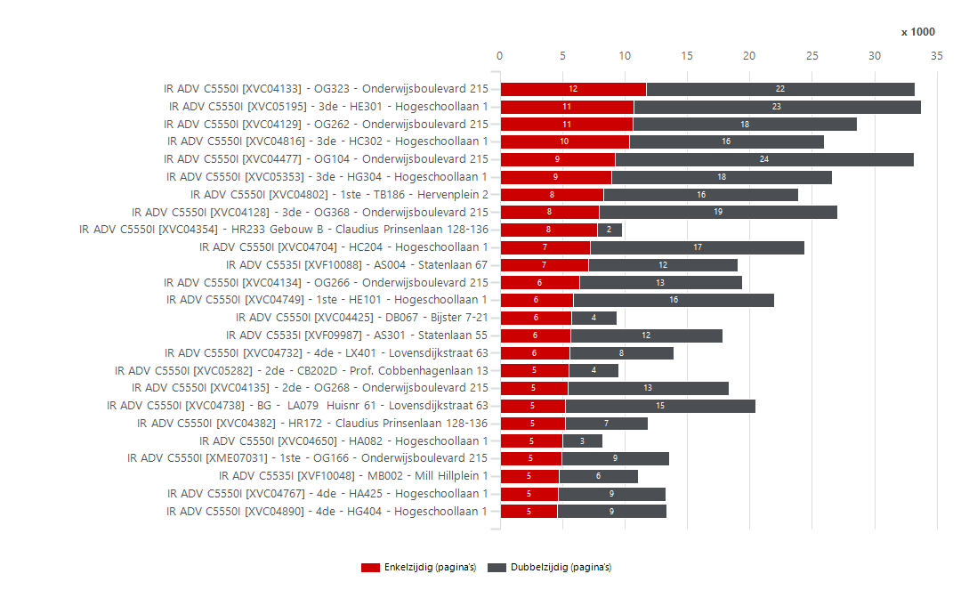
3352940 | NL Stichting Avans | Stichting Avans | PR180086 | IR ADV C5550I | Colour | MFD | XVC04704 | HC204 | Hogeschoollaan 1 | 4818 CR | Breda | 33,660 | 25,040 | 36,000 | 90,000 | 10,960 |  | 54,000 | 12,788 | 12,252 | 7,197 | 17,228 | 615 | 23,810 | 15,811 | 4,174 | 20,866 | 1,062 | XVF09004 | IR ADV C5535I | 3,831 | 15,000 | 75,000 | XVF09289 | IR ADV C5535I | 2,046 | 727 | XVF08837 | IR ADV C5535I | 2,624 | 1,374
3352940 | NL Stichting Avans | Stichting Avans | PR180013 | IR ADV C5550I | Colour | MFD | XVC04802 | 1ste - TB186 | Hervenplein 2 | 5232 JE | 's-Hertogenbosch | 33,660 | 24,261 | 36,000 | 90,000 | 11,739 |  | 54,000 | 8,498 | 15,763 | 8,301 | 15,616 | 344 | 23,573 | 16,109 | 3,263 | 20,998 | 1,682 | XVC04651 | IR ADV C5550I | 3,765 | 36,000 | 54,000 | XVF10213 | IR ADV C5535I | 1,993 | 3,720 | XVC04747 | IR ADV C5550I | 3,026 | 1,352
3352940 | NL Stichting Avans | Stichting Avans | PR180088 | IR ADV C5550I | Colour | MFD | XVC04749 | 1ste - HE101 | Hogeschoollaan 1 | 4818 CR | Breda | 33,660 | 22,223 | 36,000 | 90,000 | 13,777 |  | 54,000 | 7,854 | 14,369 | 5,835 | 16,112 | 276 | 21,671 | 13,891 | 3,397 | 18,826 | 1,420 | XVF08978 | IR ADV C5535I | 3,707 | 15,000 | 75,000 | XVF09004 | IR ADV C5535I | 1,949 | 1,882 | XVF08979 | IR ADV C5535I | 3,398 | 1,292
3352940 | NL Stichting Avans | Stichting Avans | PR180056 | IR ADV C5550I | Colour | MFD | XVC04738 | BG - LA079 Huisnr 61 | Lovensdijkstraat 63 | 4818 AJ | Breda | 33,660 | 20,670 | 36,000 | 90,000 | 15,330 |  | 54,000 | 14,368 | 6,302 | 5,185 | 15,258 | 227 | 20,216 | 12,814 | 1,471 | 19,199 | 1,602 | XVF09005 | IR ADV C5535I | 3,673 | 15,000 | 75,000 | XVC04792 | IR ADV C5550I | 1,798 | 2,583 | XVC04754 | IR ADV C5550I | 3,632 | 1,290
3352940 | NL Stichting Avans | Stichting Avans | PR180024 | IR ADV C5550I | Colour | MFD | XVC04134 | OG266 | Onderwijsboulevard 215 | 5223 DE | 's-Hertogenbosch | 33,660 | 20,344 | 36,000 | 90,000 | 15,656 |  | 54,000 | 8,523 | 11,821 | 6,318 | 13,098 | 928 | 18,488 | 12,867 | 811 | 19,533 | 1,251 | XVC04603 | IR ADV C5550I | 3,666 | 36,000 | 54,000 | XVC04800 | IR ADV C5550I | 1,789 | 914 | XVF08980 | IR ADV C5535I | 1,738 | 1,264
3352940 | NL Stichting Avans | Stichting Avans | PR180025 | IR ADV C5550I | Colour | MFD | XVC04135 | 2de - OG268 | Onderwijsboulevard 215 | 5223 DE | 's-Hertogenbosch | 33,660 | 18,481 | 36,000 | 90,000 | 17,519 |  | 54,000 | 8,225 | 10,256 | 5,389 | 12,964 | 128 | 18,225 | 11,871 | 990 | 17,491 | 676 | XVF08363 | IR ADV C5535I | 3,565 | 15,000 | 75,000 | XVC04741 | IR ADV C5550I | 1,721 | 1,125 | XVF08364 | IR ADV C5535I | 1,378 | 1,204
3352940 | NL Stichting Avans | Stichting Avans | PR180087 | IR ADV C5550I | Colour | MFD | XVC04755 | 2de - HC204 | Hogeschoollaan 1 | 4818 CR | Breda | 33,660 | 16,128 | 36,000 | 90,000 | 19,872 |  | 54,000 | 7,043 | 9,085 | 4,039 | 11,724 | 366 | 15,396 | 9,901 | 5,629 | 10,499 | 829 | XVF08980 | IR ADV C5535I | 3,556 | 15,000 | 75,000 | XVF08861 | IR ADV C5535I | 1,709 | 1,186 | XVF09330 | IR ADV C5535I | 814 | 1,179
3352940 | NL Stichting Avans | Stichting Avans | PR180068 | IR ADV C5550I | Colour | MFD | XVC04920 | LD204 | Lovensdijkstraat 63 | 4818 AJ | Breda | 33,660 | 15,315 | 36,000 | 90,000 | 20,685 |  | 54,000 | 6,464 | 8,851 | 3,199 | 11,976 | 140 | 15,035 | 9,187 | 238 | 15,077 | 1,357 | XVF08790 | IR ADV C5535I | 3,208 | 15,000 | 75,000 | XVF08790 | IR ADV C5535I | 1,653 | 1,555 | XVF08978 | IR ADV C5535I | 2,454 | 1,136
3352940 | NL Stichting Avans | Stichting Avans | PR180077 | IR ADV C5550I | Colour | MFD | XVC04927 | 5de - HA525 | Hogeschoollaan 1 | 4818 CR | Breda | 33,660 | 15,171 | 36,000 | 90,000 | 20,829 |  | 54,000 | 4,751 | 10,420 | 3,760 | 10,952 | 459 | 14,253 | 9,236 | 1,360 | 13,811 | 262 | XVC05244 | IR ADV C5550I | 3,133 | 36,000 | 54,000 | XVC05281 | IR ADV C5550I | 1,538 | 418 | XVC04741 | IR ADV C5550I | 1,568 | 1,135
3352940 | NL Stichting Avans | Stichting Avans | PR180062 | IR ADV C5550I | Colour | MFD | XVC04732 | 4de - LX401 | Lovensdijkstraat 63 | 4818 AJ | Breda | 33,660 | 14,525 | 36,000 | 90,000 | 21,475 |  | 54,000 | 6,805 | 7,720 | 5,543 | 8,342 | 640 | 13,245 | 9,714 | 1,027 | 13,498 | 358 | XVF09000 | IR ADV C5535I | 3,007 | 15,000 | 75,000 | XVC04754 | IR ADV C5550I | 1,530 | 3,443 | XVF09005 | IR ADV C5535I | 2,370 | 1,112
3352940 | NL Stichting Avans | Stichting Avans | PR180009 | IR ADV C5550I | Colour | MFD | XVC04634 | 2de - SP203 | Stationsplein 50 | 5211 AP | 's-Hertogenbosch | 33,660 | 13,972 | 36,000 | 90,000 | 22,028 |  | 54,000 | 3,871 | 10,101 | 3,911 | 9,788 | 273 | 13,426 | 8,805 | 1,453 | 12,519 | 727 | XVF09868 | IR ADV C5535I | 2,936 | 15,000 | 75,000 | XVC05198 | IR ADV C5550I | 1,525 | 2,882 | XVC04651 | IR ADV C5550I | 2,508 | 1,087
3352940 | NL Stichting Avans | Stichting Avans | PR180015 | IR ADV C5550I | Colour | MFD | XVC04797 | BG - TC087 | Hervenplein 2 | 5232 JE | 's-Hertogenbosch | 33,660 | 13,927 | 36,000 | 90,000 | 22,073 |  | 54,000 | 4,864 | 9,063 | 3,038 | 10,630 | 259 | 13,409 | 8,353 | 854 | 13,073 | 189 | XVF08861 | IR ADV C5535I | 2,895 | 15,000 | 75,000 | XVF09281 | IR ADV C5535I | 1,410 | 1,239 | XVF09944 | IR ADV C5535I | 3,172 | 962
3352940 | NL Stichting Avans | Stichting Avans | PR180034 | IR ADV C5550I | Colour | MFD | XME07031 | 1ste - OG166 | Onderwijsboulevard 215 | 5223 DE | 's-Hertogenbosch | 33,660 | 13,726 | 36,000 | 90,000 | 22,274 |  | 54,000 | 6,281 | 7,445 | 4,905 | 8,672 | 149 | 13,428 | 9,241 | 762 | 12,964 | 411 | XVC04741 | IR ADV C5550I | 2,846 | 36,000 | 54,000 | XVF08398 | IR ADV C5535I | 1,346 | 440 | XVC05244 | IR ADV C5550I | 1,978 | 898
3352940 | NL Stichting Avans | Stichting Avans | PR180072 | IR ADV C5550I | Colour | MFD | XVC04890 | 4de - HG404 | Hogeschoollaan 1 | 4818 CR | Breda | 33,660 | 13,674 | 36,000 | 90,000 | 22,326 |  | 54,000 | 5,031 | 8,643 | 4,558 | 8,746 | 370 | 12,934 | 8,931 | 2,627 | 11,047 | 603 | XVF09289 | IR ADV C5535I | 2,773 | 15,000 | 75,000 | XVC04651 | IR ADV C5550I | 1,340 | 2,425 | XVF08586 | IR ADV C5535I | 1,052 | 856
3352940 | NL Stichting Avans | Stichting Avans | PR180075 | IR ADV C5550I | Colour | MFD | XVC04767 | 4de - HA425 | Hogeschoollaan 1 | 4818 CR | Breda | 33,660 | 13,588 | 36,000 | 90,000 | 22,412 |  | 54,000 | 3,877 | 9,711 | 4,628 | 8,602 | 358 | 12,872 | 8,929 | 2,085 | 11,503 | 343 | XVF09294 | IR ADV C5535I | 2,747 | 15,000 | 75,000 | XVF09294 | IR ADV C5535I | 1,315 | 1,432 | XVF09868 | IR ADV C5535I | 2,028 | 837
3352940 | NL Stichting Avans | Stichting Avans | PR180055 | IR ADV C5550I | Colour | MFD | XVC04382 | HR172 | Claudius Prinsenlaan 128-136 | 4818 CP | Breda | 33,660 | 12,553 | 36,000 | 90,000 | 23,447 |  | 54,000 | 7,686 | 4,867 | 5,184 | 6,684 | 685 | 11,183 | 8,526 | 185 | 12,368 | 380 | XVC04800 | IR ADV C5550I | 2,703 | 36,000 | 54,000 | XVF09330 | IR ADV C5535I | 1,312 | 852 | XVF08790 | IR ADV C5535I | 2,248 | 826
3352940 | NL Stichting Avans | Stichting Avans | PR180023 | IR ADV C5550I | Colour | MFD | XVC04451 | OG228 | Onderwijsboulevard 215 | 5223 DE | 's-Hertogenbosch | 33,660 | 11,382 | 36,000 | 90,000 | 24,618 |  | 54,000 | 4,794 | 6,588 | 3,015 | 8,204 | 163 | 11,056 | 7,117 | 736 | 10,646 | 262 | XVF08364 | IR ADV C5535I | 2,667 | 15,000 | 75,000 | XVF08837 | IR ADV C5535I | 1,267 | 2,765 | XVF09281 | IR ADV C5535I | 1,762 | 817
3352940 | NL Stichting Avans | Stichting Avans | PR180090 | IR ADV C5550I | Colour | MFD | XVC04762 | 2de - HE201 | Hogeschoollaan 1 | 4818 CR | Breda | 33,660 | 11,246 | 36,000 | 90,000 | 24,754 |  | 54,000 | 5,627 | 5,619 | 3,193 | 7,958 | 95 | 11,056 | 7,172 | 1,328 | 9,918 | 474 | XVF09281 | IR ADV C5535I | 2,649 | 15,000 | 75,000 | XVF09868 | IR ADV C5535I | 1,264 | 1,672 | NGRA021436 | LBP312X | 190 | 762
3352940 | NL Stichting Avans | Stichting Avans | PR180058 | IR ADV C5550I | Colour | MFD | XVC04737 | 1ste - LX101 | Lovensdijkstraat 63 | 4818 AJ | Breda | 33,660 | 10,819 | 36,000 | 90,000 | 25,181 |  | 54,000 | 6,443 | 4,376 | 3,363 | 7,306 | 150 | 10,519 | 7,016 | 306 | 10,513 | 508 | XVF08295 | IR ADV C5535I | 2,636 | 15,000 | 75,000 | XVF08363 | IR ADV C5535I | 1,252 | 2,313 | XVF09294 | IR ADV C5535I | 1,982 | 754
3352940 | NL Stichting Avans | Stichting Avans | PR180069 | IR ADV C5550I | Colour | MFD | XVC04865 | 2de - LD209 | Lovensdijkstraat 63 | 4818 AJ | Breda | 33,660 | 10,683 | 36,000 | 90,000 | 25,317 |  | 54,000 | 3,874 | 6,809 | 2,703 | 7,812 | 168 | 10,347 | 6,609 | 809 | 9,874 | 1,519 | XVF08401 | IR ADV C5535I | 2,447 | 15,000 | 75,000 | XVF09630 | IR ADV C5535I | 1,199 | 1,212 | XVF08449 | IR ADV C5535I | 894 | 682
3352940 | NL Stichting Avans | Stichting Avans | PR180016 | IR ADV C5550I | Colour | MFD | XVC04798 | 1ste - TC186 | Hervenplein 2 | 5232 JE | 's-Hertogenbosch | 33,660 | 10,522 | 36,000 | 90,000 | 25,478 |  | 54,000 | 3,465 | 7,057 | 2,615 | 7,714 | 193 | 10,136 | 6,472 | 764 | 9,758 | 548 | XVF09630 | IR ADV C5535I | 2,411 | 15,000 | 75,000 | XVF08978 | IR ADV C5535I | 1,184 | 2,523 | XVC05281 | IR ADV C5550I | 1,272 | 673
3352940 | NL Stichting Avans | Stichting Avans | PR180092 | IR ADV C5550I | Colour | MFD | XVC04750 | 1ste - HG104 | Hogeschoollaan 1 | 4818 CR | Breda | 33,660 | 10,355 | 36,000 | 90,000 | 25,645 |  | 54,000 | 4,762 | 5,593 | 2,266 | 7,730 | 359 | 9,637 | 6,131 | 1,929 | 8,426 | 769 | XVF08498 | IR ADV C5535I | 2,337 | 15,000 | 75,000 | XVF08498 | IR ADV C5535I | 1,146 | 1,191 | XVF08398 | IR ADV C5535I | 926 | 664
3352940 | NL Stichting Avans | Stichting Avans | PR180117 | IR ADV C5550I | Colour | MFD | XVC05282 | 2de - CB202D | Prof. Cobbenhagenlaan 13 | 5037 DA | TILBURG | 33,660 | 10,152 | 36,000 | 90,000 | 25,848 |  | 54,000 | 6,140 | 4,012 | 5,484 | 4,030 | 638 | 8,876 | 7,499 | 615 | 9,537 | 512 | XVF09330 | IR ADV C5535I | 2,164 | 15,000 | 75,000 | XVF08364 | IR ADV C5535I | 1,091 | 1,576 | XVF09335 | IR ADV C5535I | 726 | 656
3352940 | NL Stichting Avans | Stichting Avans | PR180021 | IR ADV C5550I | Colour | MFD | XVC04124 | OG260 | Onderwijsboulevard 215 | 5223 DE | 's-Hertogenbosch | 33,660 | 10,012 | 36,000 | 90,000 | 25,988 |  | 54,000 | 5,264 | 4,748 | 3,571 | 6,090 | 351 | 9,310 | 6,616 | 594 | 9,418 | 894 | XVF08586 | IR ADV C5535I | 1,995 | 15,000 | 75,000 | XVF09335 | IR ADV C5535I | 979 | 454 | XVF08363 | IR ADV C5535I | 2,846 | 631
3352940 | NL Stichting Avans | Stichting Avans | PR180054 | IR ADV C5550I | Colour | MFD | XVC04354 | HR233 Gebouw B | Claudius Prinsenlaan 128-136 | 4818 CP | Breda | 33,660 | 9,842 | 36,000 | 90,000 | 26,158 |  | 54,000 | 7,808 | 2,034 | 7,753 | 2,032 | 57 | 9,728 | 8,769 | 91 | 9,751 | 665 | XVC05281 | IR ADV C5550I | 1,956 | 36,000 | 54,000 | XVF08401 | IR ADV C5535I | 900 | 1,547 | XVF09630 | IR ADV C5535I | 1,694 | 615
3352940 | NL Stichting Avans | Stichting Avans | PR180050 | IR ADV C5550I | Colour | MFD | XVC04425 | DB067 | Bijster 7-21 | 4817 HZ | Breda | 33,660 | 9,438 | 36,000 | 90,000 | 26,562 |  | 54,000 | 5,333 | 4,105 | 5,705 | 3,626 | 107 | 9,224 | 7,518 | 348 | 9,090 | 1,076 | XVF09046 | IR ADV C5535I | 1,807 | 15,000 | 75,000 | XVF09000 | IR ADV C5535I | 897 | 2,110 | XVC04800 | IR ADV C5550I | 1,936 | 610
3352940 | NL Stichting Avans | Stichting Avans | PR180070 | IR ADV C5550I | Colour | MFD | XVC04868 | 2de - LD235 | Lovensdijkstraat 63 | 4818 AJ | Breda | 33,660 | 8,610 | 36,000 | 90,000 | 27,390 |  | 54,000 | 5,185 | 3,425 | 1,841 | 6,556 | 213 | 8,184 | 5,119 | 291 | 8,319 | 538 | XVF08398 | IR ADV C5535I | 1,786 | 15,000 | 75,000 | XVF08449 | IR ADV C5535I | 811 | 815 | XVF08498 | IR ADV C5535I | 1,686 | 604
3352940 | NL Stichting Avans | Stichting Avans | PR180099 | IR ADV C5550I | Colour | MFD | XVC04650 | HA082 | Hogeschoollaan 1 | 4818 CR | Breda | 33,660 | 8,581 | 36,000 | 90,000 | 27,419 |  | 54,000 | 4,547 | 4,034 | 5,006 | 3,218 | 357 | 7,867 | 6,615 | 719 | 7,862 | 1,091 | XVF08449 | IR ADV C5535I | 1,626 | 15,000 | 75,000 | XVF08407 | IR ADV C5535I | 700 | 544 | XVF08401 | IR ADV C5535I | 1,796 | 591
3352940 | NL Stichting Avans | Stichting Avans | PR180038 | IR ADV C5550I | Colour | MFD | XVC04125 | AU390 | Onderwijsboulevard 215 | 5223 DE | 's-Hertogenbosch | 33,660 | 8,527 | 36,000 | 90,000 | 27,473 |  | 54,000 | 5,018 | 3,509 | 2,163 | 6,300 | 64 | 8,399 | 5,313 | 15 | 8,512 | 184 | XVF08508 | IR ADV C5535I | 1,454 | 15,000 | 75,000 | XVF09046 | IR ADV C5535I | 597 | 1,210 | XVF08861 | IR ADV C5535I | 2,182 | 550 |  |  |  |  |  |  |  |  |  | Volume per systeem
3352940 | NL Stichting Avans | Stichting Avans | PR180020 | IR ADV C5550I | Colour | MFD | XVC04126 | 3de - OX301 | Onderwijsboulevard 215 | 5223 DE | 's-Hertogenbosch | 33,660 | 8,038 | 36,000 | 90,000 | 27,962 |  | 54,000 | 5,746 | 2,292 | 3,153 | 4,534 | 351 | 7,336 | 5,420 | 673 | 7,365 | 266 | XVF09335 | IR ADV C5535I | 1,433 | 15,000 | 75,000 | XVF11384 | IR ADV C5535I | 579 | 392 | XVF08508 | IR ADV C5535I | 988 | 465 |  |  |  |  |  |  |  |  |  | 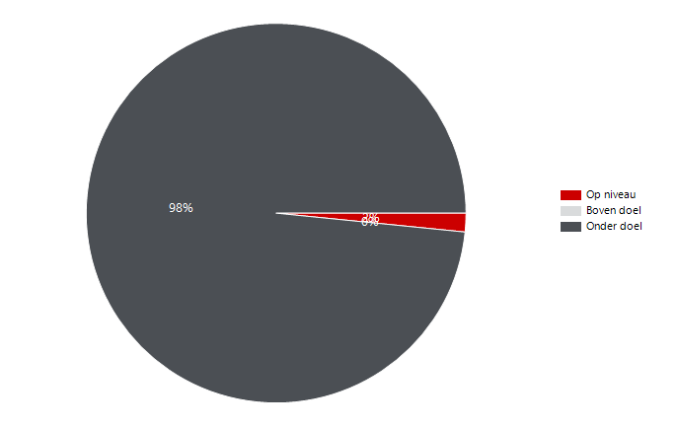
3352940 | NL Stichting Avans | Stichting Avans | PR180019 | IR ADV C5550I | Colour | MFD | XVC04127 | 1ste - OG160 | Onderwijsboulevard 215 | 5223 DE | 's-Hertogenbosch | 33,660 | 7,253 | 36,000 | 90,000 | 28,747 |  | 54,000 | 4,000 | 3,253 | 3,076 | 3,900 | 277 | 6,699 | 5,026 | 250 | 7,003 | 190 | XVF08483 | IR ADV C5535I | 1,321 | 15,000 | 75,000 | XVF08787 | IR ADV C5535I | 505 | 762 | XVF09835 | IR ADV C5535I | 652 | 440
3352940 | NL Stichting Avans | Stichting Avans | PR180044 | IR ADV C5550I | Colour | MFD | XVC04182 | BA082 | Beukenlaan 1 | 4834 CR | Breda | 33,660 | 7,120 | 36,000 | 90,000 | 28,880 |  | 54,000 | 4,836 | 2,284 | 1,822 | 4,156 | 1,142 | 4,836 | 3,900 | 931 | 6,189 | 536 | XVF08787 | IR ADV C5535I | 1,267 | 10,000 | 50,000 | XVF08276 | IR ADV C5535I | 500 | 341 | XVF08787 | IR ADV C5535I | 722 | 439
3352940 | NL Stichting Avans | Stichting Avans | PR180042 | IR ADV C5550I | Colour | MFD | XVC04289 | OG164 | Onderwijsboulevard 215 | 5223 DE | 's-Hertogenbosch | 33,660 | 5,823 | 36,000 | 90,000 | 30,177 |  | 54,000 | 4,033 | 1,790 | 2,413 | 3,186 | 224 | 5,375 | 4,006 | 143 | 5,680 | 1,993 | XVF08407 | IR ADV C5535I | 1,244 | 15,000 | 75,000 | XVF08483 | IR ADV C5535I | 486 | 835 | XVF08483 | IR ADV C5535I | 850 | 423
3352940 | NL Stichting Avans | Stichting Avans | PR180085 | IR ADV C5550I | Colour | MFD | XVC04709 | GA005 | Beverweg 4 | 4817 LL | Breda | 33,660 | 5,336 | 36,000 | 90,000 | 30,664 |  | 54,000 | 3,865 | 1,471 | 2,871 | 1,912 | 553 | 4,230 | 3,827 | 1,149 | 4,187 | 348 | XVF09835 | IR ADV C5535I | 1,138 | 15,000 | 75,000 | XVF08586 | IR ADV C5535I | 451 | 1,544 | XVF09046 | IR ADV C5535I | 1,268 | 404
3352940 | NL Stichting Avans | Stichting Avans | PR180094 | IR ADV C5550I | Colour | MFD | XVC04754 | HG090 | Hogeschoollaan 1 | 4818 CR | Breda | 33,660 | 4,973 | 36,000 | 90,000 | 31,027 |  | 54,000 | 1,530 | 3,443 | 1,290 | 3,632 | 51 | 4,871 | 3,106 | 229 | 4,744 | 118 | XVF08178 | IR ADV C5535I | 1,123 | 15,000 | 75,000 | XVF09835 | IR ADV C5535I | 403 | 735 | NGRA011884 | LBP312X | 76 | 400
3352940 | NL Stichting Avans | Stichting Avans | PR180047 | IR ADV C5550I | Colour | MFD | XVC04390 | BB090 | Beukenlaan 1 | 4834 CR | Breda | 33,660 | 4,779 | 36,000 | 90,000 | 31,221 |  | 54,000 | 2,670 | 2,109 | 2,776 | 1,420 | 583 | 3,613 | 3,486 | 1,029 | 3,750 | 727 | XVF11384 | IR ADV C5535I | 971 | 15,000 | 75,000 | XVF08178 | IR ADV C5535I | 316 | 807 | NGRA104004 | LBP312X | 166 | 348
3352940 | NL Stichting Avans | Stichting Avans | PR180095 | IR ADV C5550I | Colour | MFD | XVC04747 | HG090 | Hogeschoollaan 1 | 4818 CR | Breda | 33,660 | 4,538 | 36,000 | 90,000 | 31,462 |  | 54,000 | 2,062 | 2,476 | 1,352 | 3,026 | 160 | 4,218 | 2,865 | 194 | 4,344 | 195 | NGRA021436 | LBP312X | 952 | 2,250 | 6,750 | XVF09878 | IR ADV C5535I | 296 | 563 | XVF08178 | IR ADV C5535I | 768 | 297
3352940 | NL Stichting Avans | Stichting Avans | PR180002 | IR ADV C5550I | Colour | MFD | XVC04264 | PP271 | Parallelweg 21-24 | 5223 AL | 's-Hertogenbosch | 33,660 | 4,418 | 36,000 | 90,000 | 31,582 |  | 54,000 | 2,531 | 1,887 | 2,060 | 2,016 | 342 | 3,734 | 3,068 | 642 | 3,776 | 581 | XVF09878 | IR ADV C5535I | 859 | 15,000 | 75,000 | XVF11386 | IR ADV C5535I | 253 | 69 | NGRA021595 | LBP312X | 18 | 291
3352940 | NL Stichting Avans | Stichting Avans | PR180113 | IR ADV C5550I | Colour | MFD | XVC05198 | CX105 | Prof. Cobbenhagenlaan 13 | 5037 DA | TILBURG | 33,660 | 4,407 | 36,000 | 90,000 | 31,593 |  | 54,000 | 1,525 | 2,882 | 1,541 | 2,778 | 88 | 4,231 | 2,930 | 338 | 4,069 | 211 | XVF08276 | IR ADV C5535I | 841 | 15,000 | 75,000 | XVC04430 | IR ADV C5550I | 222 | 54 | XVF09878 | IR ADV C5535I | 482 | 286
3352940 | NL Stichting Avans | Stichting Avans | PR180012 | IR ADV C5550I | Colour | MFD | XVC04792 | BG - TB086 | Hervenplein 2 | 5232 JE | 's-Hertogenbosch | 33,660 | 4,381 | 36,000 | 90,000 | 31,619 |  | 54,000 | 1,798 | 2,583 | 1,801 | 2,404 | 176 | 4,029 | 3,003 | 683 | 3,698 | 287 | NGRA104004 | LBP312X | 514 | 2,250 | 6,750 | XVF08508 | IR ADV C5535I | 215 | 1,239 | XVF11386 | IR ADV C5535I | 32 | 263
3352940 | NL Stichting Avans | Stichting Avans | PR180093 | IR ADV C5550I | Colour | MFD | XVC04651 | HA514 | Hogeschoollaan 1 | 4818 CR | Breda | 33,660 | 3,765 | 36,000 | 90,000 | 32,235 |  | 54,000 | 1,340 | 2,425 | 1,087 | 2,508 | 170 | 3,425 | 2,341 | 1,363 | 2,402 | 236 | NGRA011884 | LBP312X | 476 | 2,250 | 6,750 | XVF08724 | IR ADV C5535I | 101 | 128 | XVF08407 | IR ADV C5535I | 986 | 254
3352940 | NL Stichting Avans | Stichting Avans | PR180026 | IR ADV C5550I | Colour | MFD | XVC04603 | OB305 | Onderwijsboulevard 215 | 5223 DE | 's-Hertogenbosch | 33,660 | 3,666 | 36,000 | 90,000 | 32,334 |  | 54,000 | 3,101 | 565 | 1,911 | 1,242 | 513 | 2,640 | 2,532 | 86 | 3,580 | 45 | NGRA021604 | LBP312X | 336 | 2,250 | 6,750 | XVF11364 | IR ADV C5535I | 32 | 16 | XVF08276 | IR ADV C5535I | 478 | 224
3352940 | NL Stichting Avans | Stichting Avans | 31065264 | IR ADV C5550I | Colour | MFD | XVC05244 | CB101 | Prof. Cobbenhagenlaan 13 | 5037 DA | TILBURG | 33,660 | 3,133 | 36,000 | 90,000 | 32,867 |  | 54,000 | 2,100 | 1,033 | 898 | 1,978 | 257 | 2,619 | 1,887 | 371 | 2,762 | 403 | NGRA021611 | LBP312X | 324 | 2,250 | 6,750 | NGRA021436 | LBP312X | 0 | 952 | NGRA021611 | LBP312X | 114 | 210
3352940 | NL Stichting Avans | Stichting Avans | PR180101 | IR ADV C5550I | Colour | MFD | XVC04741 | HGS06 | Hogeschoollaan 1 | 4818 CR | Breda | 33,660 | 2,846 | 36,000 | 90,000 | 33,154 |  | 54,000 | 1,721 | 1,125 | 1,135 | 1,568 | 143 | 2,560 | 1,919 | 69 | 2,777 | 52 | XVF11386 | IR ADV C5535I | 322 | 15,000 | 75,000 | NGRA104004 | LBP312X | 0 | 514 | XVC04430 | IR ADV C5550I | 76 | 199
3352940 | NL Stichting Avans | Stichting Avans | PR180017 | IR ADV C5550I | Colour | MFD | XVC04800 | 2de - TC286 | Hervenplein 2 | 5232 JE | 's-Hertogenbosch | 33,660 | 2,703 | 36,000 | 90,000 | 33,297 |  | 54,000 | 1,789 | 914 | 610 | 1,936 | 157 | 2,389 | 1,578 | 485 | 2,218 | 235 | NGRA021595 | LBP312X | 309 | 2,250 | 6,750 | NGRA011884 | LBP312X | 0 | 476 | XVF11384 | IR ADV C5535I | 742 | 198
3352940 | NL Stichting Avans | Stichting Avans | PR180116 | IR ADV C5550I | Colour | MFD | XVC05281 | CB201F | Prof. Cobbenhagenlaan 13 | 5037 DA | TILBURG | 33,660 | 1,956 | 36,000 | 90,000 | 34,044 |  | 54,000 | 1,538 | 418 | 673 | 1,272 | 11 | 1,934 | 1,309 | 240 | 1,716 | 407 | XVC04430 | IR ADV C5550I | 276 | 12,000 | 18,000 | NGRA021604 | LBP312X | 0 | 336 | NGRA104000 | LBP312X | 48 | 182
3352940 | NL Stichting Avans | Stichting Avans | PR180051 | IR ADV C5550I | Colour | MFD | XVC04430 | HN122 | Bijster 7-21 | 4817 HZ | Breda | 33,660 | 276 | 12,000 | 30,000 | 11,724 |  | 18,000 | 222 | 54 | 199 | 76 | 1 | 274 | 237 | 0 | 276 | 4 | NGRA102839 | LBP312X | 273 | 2,250 | 6,750 | NGRA021611 | LBP312X | 0 | 324 | NGRA021604 | LBP312X | 162 | 174
3352940 | NL Stichting Avans | Stichting Avans | PR180111 | LBP312X | BW | Printer | NGRA021436 | 1e-OG120 | Onderwijsboulevard 215 | 5223 DE | 's-Hertogenbosch | 33,660 | 952 | 2,250 | 9,000 | 1,298 |  | 6,750 | 0 | 952 | 762 | 190 | 0 | 952 | 857 | 0 | 952 | 0 | NGRA021434 | LBP312X | 234 | 2,250 | 6,750 | NGRA021595 | LBP312X | 0 | 309 | NGRA102839 | LBP312X | 102 | 171
3352940 | NL Stichting Avans | Stichting Avans | 31073745 | LBP312X | BW | Printer | NGRA104004 | HE103 | Hogeschoollaan 1 | 4818 CR | Breda | 33,660 | 514 | 2,250 | 9,000 | 1,736 |  | 6,750 | 0 | 514 | 348 | 166 | 0 | 514 | 431 | 0 | 514 | 0 | NGRA104000 | LBP312X | 230 | 2,250 | 6,750 | NGRA102839 | LBP312X | 0 | 273 | NGRA021428 | LBP312X | 82 | 98
3352940 | NL Stichting Avans | Stichting Avans | PR180103 | LBP312X | BW | Printer | NGRA011884 | Ruimte OG036 | Onderwijsboulevard 215 | 5223 DE | 's-Hertogenbosch | 33,660 | 476 | 2,250 | 9,000 | 1,774 |  | 6,750 | 0 | 476 | 400 | 76 | 0 | 476 | 438 | 0 | 476 | 0 | XVF08724 | IR ADV C5535I | 229 | 15,000 | 75,000 | NGRA021434 | LBP312X | 0 | 234 | XVF08724 | IR ADV C5535I | 126 | 88
3352940 | NL Stichting Avans | Stichting Avans | PR180112 | LBP312X | BW | Printer | NGRA021604 | Ruimte BA039 | Beukenlaan 1 | 4834 CR | Breda | 33,660 | 336 | 2,250 | 9,000 | 1,914 |  | 6,750 | 0 | 336 | 174 | 162 | 0 | 336 | 255 | 0 | 336 | 0 | NGRA021428 | LBP312X | 180 | 2,250 | 6,750 | NGRA104000 | LBP312X | 0 | 230 | NGRA021427 | LBP312X | 34 | 80
3352940 | NL Stichting Avans | Stichting Avans | PR180110 | LBP312X | BW | Printer | NGRA021611 | LA101C | Lovensdijkstraat 61 | 4818 AJ | Breda | 33,660 | 324 | 2,250 | 9,000 | 1,926 |  | 6,750 | 0 | 324 | 210 | 114 | 0 | 324 | 267 | 0 | 324 | 0 | NGRA021427 | LBP312X | 114 | 2,250 | 6,750 | NGRA021428 | LBP312X | 0 | 180 | NGRA021434 | LBP312X | 162 | 72
3352940 | NL Stichting Avans | Stichting Avans | PR180105 | LBP312X | BW | Printer | NGRA021595 | 1e-TA102 | Hervenplein 2 | 5232 JE | 's-Hertogenbosch | 33,660 | 309 | 2,250 | 9,000 | 1,941 |  | 6,750 | 0 | 309 | 291 | 18 | 0 | 309 | 300 | 0 | 309 | 0 | NGRA104007 | LBP312X | 68 | 2,250 | 6,750 | NGRA021427 | LBP312X | 0 | 114 | NGRA104007 | LBP312X | 4 | 64
3352940 | NL Stichting Avans | Stichting Avans | 31073745 | LBP312X | BW | Printer | NGRA102839 | LA003 | Lovensdijkstraat 61 | 4818 AJ | Breda | 33,660 | 273 | 2,250 | 9,000 | 1,977 |  | 6,750 | 0 | 273 | 171 | 102 | 0 | 273 | 222 | 0 | 273 | 0 | NGRA104023 | LBP312X | 64 | 2,250 | 6,750 | NGRA104007 | LBP312X | 0 | 68 | XVF11364 | IR ADV C5535I | 12 | 36
3352940 | NL Stichting Avans | Stichting Avans | PR180104 | LBP312X | BW | Printer | NGRA021434 | 1e-OG112 | Onderwijsboulevard 215 | 5223 DE | 's-Hertogenbosch | 33,660 | 234 | 2,250 | 9,000 | 2,016 |  | 6,750 | 0 | 234 | 72 | 162 | 0 | 234 | 153 | 0 | 234 | 0 | XVF11364 | IR ADV C5535I | 48 | 15,000 | 75,000 | NGRA104023 | LBP312X | 0 | 64 | NGRA104023 | LBP312X | 36 | 28
3352940 | NL Stichting Avans | Stichting Avans | 31073745 | LBP312X | BW | Printer | NGRA104000 | HA087 | Hogeschoollaan 1 | 4818 CR | Breda | 33,660 | 230 | 2,250 | 9,000 | 2,020 |  | 6,750 | 0 | 230 | 182 | 48 | 0 | 230 | 206 | 0 | 230 | 0 | NGRA021424 | LBP312X | 35 | 1,500 | 4,500 | NGRA021424 | LBP312X | 0 | 35 | NGRA021424 | LBP312X | 18 | 17
3352940 | NL Stichting Avans | Stichting Avans | PR180108 | LBP312X | BW | Printer | NGRA021428 | 1-BG-HE003a | Hogeschoollaan 1 | 4818 CR | Breda | 33,660 | 180 | 2,250 | 9,000 | 2,070 |  | 6,750 | 0 | 180 | 98 | 82 | 0 | 180 | 139 | 0 | 180 | 0 | NGRA021440 | LBP312X | 0 | 750 | 2,250 | NGRA021440 | LBP312X | 0 | 0 | NGRA021440 | LBP312X | 0 | 0
3352940 | NL Stichting Avans | Stichting Avans | PR180106 | LBP312X | BW | Printer | NGRA021427 | TC103 | Hervenplein 2 | 5232 JE | 's-Hertogenbosch | 33,660 | 114 | 2,250 | 9,000 | 2,136 |  | 6,750 | 0 | 114 | 80 | 34 | 0 | 114 | 97 | 0 | 114 | 0
3352940 | NL Stichting Avans | Stichting Avans | 31073745 | LBP312X | BW | Printer | NGRA104007 | OG328 | Onderwijsboulevard 215 | 5223 DE | 's-Hertogenbosch | 33,660 | 68 | 2,250 | 9,000 | 2,182 |  | 6,750 | 0 | 68 | 64 | 4 | 0 | 68 | 66 | 0 | 68 | 0
3352940 | NL Stichting Avans | Stichting Avans | 31073745 | LBP312X | BW | Printer | NGRA104023 | LA103 | Lovensdijkstraat 61 | 4818 AJ | Breda | 33,660 | 64 | 2,250 | 9,000 | 2,186 |  | 6,750 | 0 | 64 | 28 | 36 | 0 | 64 | 46 | 0 | 64 | 0
3352940 | NL Stichting Avans | Stichting Avans | PR180109 | LBP312X | BW | Printer | NGRA021424 | ZA001 | Nieuwe Inslag 99 | 4817 GN | Breda | 33,660 | 35 | 1,500 | 6,000 | 1,465 |  | 4,500 | 0 | 35 | 17 | 18 | 0 | 35 | 26 | 0 | 35 | 0
3352940 | NL Stichting Avans | Stichting Avans | PR180107 | LBP312X | BW | Printer | NGRA021440 | HGS06 | Hogeschoollaan 1 | 4818 CR | Breda | 33,660 | 0 | 750 | 3,000 | 750 |  | 2,250 | 0 | 0 | 0 | 0 | 0 | 0 | 0 | 0 | 0 | 0
3352940 | NL Stichting Avans | Stichting Avans | 31073745 | LBP312X | BW | Printer | NGRA102840 | Academiebureau | Parallelweg 21-24 | 5223 AL | 's-Hertogenbosch | 33,660
3352940 | NL Stichting Avans | Stichting Avans | 31073745 | LBP312X | BW | Printer | NGRA104018 | OG309 | Onderwijsboulevard 215 | 5223 DE | 's-Hertogenbosch | 33,660
3352940 | NL Stichting Avans | Stichting Avans | 31073745 | LBP312X | BW | Printer | NGRA104013 | HES90 - Opslag | Hogeschoollaan 1 | 4818 CR | Breda | 33,660
3352940 | NL Stichting Avans | Stichting Avans | MOPS-55275 | UNIFLOW EU MODEL | BW | Uniflow | CNL-UNI-000784A8_001 |  | Onderwijsboulevard 215 | 5223 DE | 's-Hertogenbosch | 33,660
3352940 | NL Stichting Avans | Stichting Avans | 31073745 | UNIFLOW EU MODEL | BW | Uniflow | CNL-UNI-000784A8_002 |  | Onderwijsboulevard 215 | 5223 DE | 's-Hertogenbosch | 33,660
3352940 | NL Stichting Avans | Stichting Avans | PQ82554 | UNIFLOW EU MODEL | BW | Uniflow | CNL-UNI-000784A8 |  | Onderwijsboulevard 215 | 5223 DE | 's-Hertogenbosch | 33,660

Volume per device Q4 2022
Avans
 | Volume per systeem

 |  |  |  |  |  |  |  |  |  |  |  |  |  |  |  |  |  |  |  |  |  |  |  |  |  |  |  |  |  |  | Volume (clicks) | Ondergrens volumedoel (clicks) | Inzetgebied (clicks) |  |  | Kleur (clicks) | Zwart-wit (clicks) |  |  | Dubbelzijdig (pagina's) | Enkelzijdig (pagina's)
 |  |  |  |  |  |  |  |  |  |  |  |  |  |  |  |  |  |  |  |  |  |  |  |  |  |  |  |  | Top 25 |  | 752,126 | 816,000 | 1,434,000 | Top 25 |  | 312,982 | 374,516 | Top 25 |  | 489,490 | 218,877
 |  |  |  |  |  |  |  |  |  |  |  |  |  |  |  |  |  |  |  |  |  |  |  |  |  |  |  |  | Rest |  | 666,792 | 2,054,583 | 6,363,751 | Rest |  | 318,874 | 412,546 | Rest |  | 434,018 | 226,461

Klantaccount-nummer | Klantnaam | Naam printerpark | Activumreferentie klant | Model | Kleuronder-steuning | Systeemtype | Serienummer | Locatie | Adres | Postcode | Plaats | Aanwezig-heid (min.) | Volume (clicks) | Ondergrens volumedoel (clicks) | Bovengrens volumedoel (clicks) | Beneden volumedoel (clicks) | Boven volumedoel (clicks) | Inzetgebied (clicks) | Kleur (clicks) | Zwart-wit (clicks) | Enkelzijdig (pagina's) | Dubbelzijdig (pagina's) | Pagina's A3 | Pagina's A4 | Papier-verbruik (vellen) | Kopieën (clicks) | Prints (clicks) | Scans (clicks) | Serienummer | Model | Volume (clicks) | Ondergrens volumedoel (clicks) | Inzetgebied (clicks) | Serienummer | Model | Kleur (clicks) | Zwart-wit (clicks) | Serienummer | Model | Dubbelzijdig (pagina's) | Enkelzijdig (pagina's) |  | Op niveau | Onder doel | Boven doel | Aantal apparaten zonder doelvolume | Aantal apparaten zonder tellerstanden |  |  | Volume per systeem
3352940 | NL Stichting Avans |  | PQ-127004 | IMAGEPRESSC710 | Colour | MFD | 3EW00829 | BG repro | Beukenlaan 1 | 4834 CR | Breda | 17,850 | 4,044 | 23,500 | 297,667 | 19,456 |  | 274,167 | 3,118 | 926 | 2,012 | 870 | 1,162 | 1,720 | 2,447 | 2 | 4,042 | 4 | XVC04816 | IR ADV C5550I | 52,671 | 36,000 | 54,000 | XVC05195 | IR ADV C5550I | 21,079 | 26,930 | XVC04816 | IR ADV C5550I | 31,740 | 19,438 | Total | 11 | 117 |  |  | 12 |  |  | 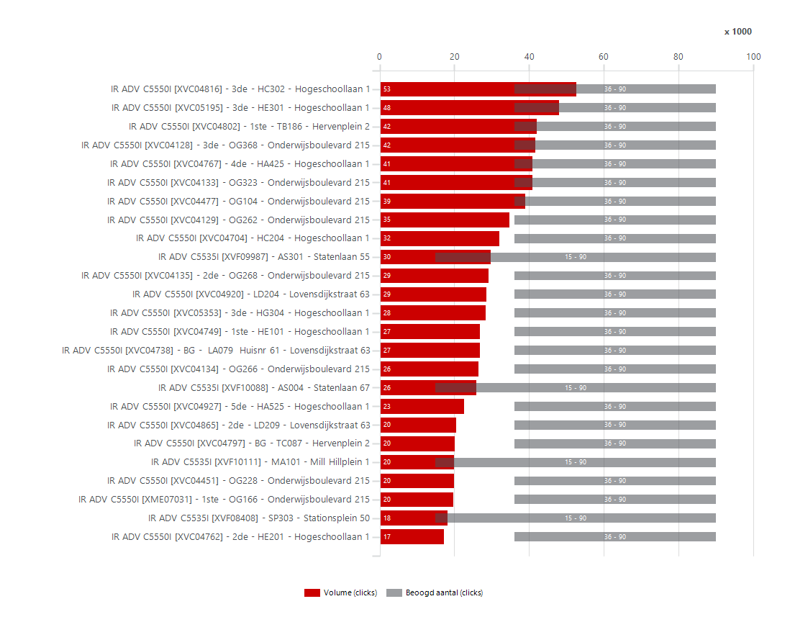
3352940 | NL Stichting Avans |  | PQ-127007 | IMAGEPRESSC710 | Colour | MFD | 3EW00831 | BG Repro lokaal PP015 | Parallelweg 21-24 | 5223 AL | 's-Hertogenbosch | 17,850 | 2,148 | 23,500 | 297,667 | 21,352 |  | 274,167 | 1,809 | 339 | 831 | 968 | 349 | 1,450 | 1,315 | 2 | 2,146 | 2 | XVC05195 | IR ADV C5550I | 48,009 | 36,000 | 54,000 | XVC04816 | IR ADV C5550I | 19,008 | 33,663 | XVC04133 | IR ADV C5550I | 25,340 | 13,506
3352940 | NL Stichting Avans | Stichting Avans |  | IPF TX 3000 | Colour | LFP | BAJA01268 | OA010 | Onderwijsboulevard 215 | 5223 DE | 's-Hertogenbosch | 33,150 |  |  |  |  |  |  |  |  |  |  |  |  |  |  |  |  | XVC04802 | IR ADV C5550I | 42,140 | 36,000 | 54,000 | XVC04477 | IR ADV C5550I | 18,132 | 20,882 | XVC04802 | IR ADV C5550I | 28,716 | 12,937
3352940 | NL Stichting Avans | Stichting Avans |  | IPF TX 3000 | Colour | LFP | BAJA00999 | lx101 | Lovensdijkstraat 61 | 4818 AJ | Breda | 33,150 |  |  |  |  |  |  |  |  |  |  |  |  |  |  |  |  | XVC04128 | IR ADV C5550I | 41,769 | 36,000 | 54,000 | XVC04133 | IR ADV C5550I | 17,194 | 23,637 | XVF09987 | IR ADV C5535I | 16,014 | 12,493
3352940 | NL Stichting Avans | Stichting Avans |  | IPF TX 3000 | Colour | LFP | BAJA00931 | CA180 | Prof. Cobbenhagenlaan 13 | 5037 DA | TILBURG | 33,150 |  |  |  |  |  |  |  |  |  |  |  |  |  |  |  |  | XVC04767 | IR ADV C5550I | 40,922 | 36,000 | 54,000 | XVC04802 | IR ADV C5550I | 16,625 | 25,515 | XVC05195 | IR ADV C5550I | 35,462 | 11,983
3352940 | NL Stichting Avans | Stichting Avans |  | IPF TX 3000 | Colour | LFP | BAJA02676 | MA001 | Mill Hillplein 1 | 4701 BS | Roosendaal | 33,150 |  |  |  |  |  |  |  |  |  |  |  |  |  |  |  |  | XVC04133 | IR ADV C5550I | 40,831 | 36,000 | 54,000 | XVC04738 | IR ADV C5550I | 15,814 | 10,945 | XVC04129 | IR ADV C5550I | 22,158 | 11,856
3352940 | NL Stichting Avans | Stichting Avans | PR180122 | IR ADV C5535I | Colour | MFD | XVF09987 | AS301 | Statenlaan 55 | 5223 LA | 's-Hertogenbosch | 33,150 | 29,760 | 15,000 | 90,000 |  |  | 75,000 | 11,562 | 18,198 | 12,493 | 16,014 | 1,253 | 27,254 | 20,500 | 2,514 | 27,246 | 1,508 | XVC04477 | IR ADV C5550I | 39,014 | 36,000 | 54,000 | XVC04129 | IR ADV C5550I | 15,584 | 19,127 | XVC04128 | IR ADV C5550I | 29,206 | 11,576
3352940 | NL Stichting Avans | Stichting Avans | PR180123 | IR ADV C5535I | Colour | MFD | XVF10088 | AS004 | Statenlaan 67 | 5223 LA | 's-Hertogenbosch | 33,150 | 25,977 | 15,000 | 90,000 |  |  | 75,000 | 8,328 | 17,649 | 6,021 | 19,302 | 654 | 24,669 | 15,672 | 1,390 | 24,587 | 1,742 | XVC04129 | IR ADV C5550I | 34,711 | 36,000 | 54,000 | XVC04128 | IR ADV C5550I | 15,125 | 26,644 | XVC05353 | IR ADV C5550I | 16,326 | 11,266
3352940 | NL Stichting Avans | Stichting Avans | PR180124 | IR ADV C5535I | Colour | MFD | XVF10111 | MA101 | Mill Hillplein 1 | 4701 BS | Roosendaal | 33,150 | 20,002 | 15,000 | 90,000 |  |  | 75,000 | 8,507 | 11,495 | 5,540 | 12,846 | 1,616 | 16,770 | 11,963 | 4,433 | 15,569 | 1,156 | XVC04704 | IR ADV C5550I | 32,004 | 36,000 | 54,000 | XVC04704 | IR ADV C5550I | 14,409 | 17,595 | XVC04704 | IR ADV C5550I | 20,546 | 10,252
3352940 | NL Stichting Avans | Stichting Avans | PR180010 | IR ADV C5535I | Colour | MFD | XVF08408 | SP303 | Stationsplein 50 | 5211 AP | 's-Hertogenbosch | 33,150 | 18,211 | 15,000 | 90,000 |  |  | 75,000 | 6,959 | 11,252 | 3,642 | 14,244 | 325 | 17,561 | 10,764 | 983 | 17,228 | 331 | XVF09987 | IR ADV C5535I | 29,760 | 15,000 | 75,000 | XVC04920 | IR ADV C5550I | 13,801 | 14,812 | XVC04477 | IR ADV C5550I | 28,524 | 9,220
3352940 | NL Stichting Avans | Stichting Avans | PR180043 | IR ADV C5535I | Colour | MFD | XVF08962 | 1ste - OG168 | Onderwijsboulevard 215 | 5223 DE | 's-Hertogenbosch | 33,150 | 14,809 | 15,000 | 90,000 | 191 |  | 75,000 | 7,315 | 7,494 | 4,675 | 9,728 | 406 | 13,997 | 9,539 | 675 | 14,134 | 944 | XVC04135 | IR ADV C5550I | 29,175 | 36,000 | 54,000 | XVC05353 | IR ADV C5550I | 12,762 | 15,601 | XVC04920 | IR ADV C5550I | 19,494 | 7,655
3352940 | NL Stichting Avans | Stichting Avans | PR180125 | IR ADV C5535I | Colour | MFD | XVF10048 | MB002 | Mill Hillplein 1 | 4701 BS | Roosendaal | 33,150 | 14,386 | 15,000 | 90,000 | 614 |  | 75,000 | 8,437 | 5,949 | 5,171 | 8,748 | 467 | 13,452 | 9,545 | 1,008 | 13,378 | 1,637 | XVC04920 | IR ADV C5550I | 28,613 | 36,000 | 54,000 | XVC04134 | IR ADV C5550I | 11,745 | 14,637 | XVC04134 | IR ADV C5550I | 18,098 | 7,560
3352940 | NL Stichting Avans | Stichting Avans | PR180114 | IR ADV C5535I | Colour | MFD | XVF10213 | BG - CA010G | Prof. Cobbenhagenlaan 13 | 5037 DA | TILBURG | 33,150 | 14,165 | 15,000 | 90,000 | 835 |  | 75,000 | 4,073 | 10,092 | 2,915 | 10,722 | 528 | 13,109 | 8,276 | 8,133 | 6,032 | 484 | XVC05353 | IR ADV C5550I | 28,363 | 36,000 | 54,000 | XVF09987 | IR ADV C5535I | 11,562 | 18,198 | XVC04749 | IR ADV C5550I | 19,492 | 6,993
3352940 | NL Stichting Avans | Stichting Avans | PR180089 | IR ADV C5535I | Colour | MFD | XVF08928 | HE101 | Hogeschoollaan 1 | 4818 CR | Breda | 33,150 | 13,799 | 15,000 | 90,000 | 1,201 |  | 75,000 | 4,897 | 8,902 | 2,899 | 10,682 | 218 | 13,363 | 8,240 | 1,337 | 12,462 | 847 | XVC04749 | IR ADV C5550I | 26,914 | 36,000 | 54,000 | XVC05282 | IR ADV C5550I | 10,447 | 6,365 | XVC04135 | IR ADV C5550I | 22,150 | 6,496
3352940 | NL Stichting Avans | Stichting Avans | PR180033 | IR ADV C5535I | Colour | MFD | XVF08296 | OGS90 | Onderwijsboulevard 215 | 5223 DE | 's-Hertogenbosch | 33,150 | 13,570 | 15,000 | 90,000 | 1,430 |  | 75,000 | 6,673 | 6,897 | 5,266 | 7,746 | 558 | 12,454 | 9,139 | 835 | 12,735 | 713 | XVC04738 | IR ADV C5550I | 26,759 | 36,000 | 54,000 | XVC04927 | IR ADV C5550I | 10,361 | 12,208 | XME07031 | IR ADV C5550I | 13,190 | 6,310
3352940 | NL Stichting Avans | Stichting Avans | PR180082 | IR ADV C5535I | Colour | MFD | XVF08995 | HQ275 | Hogeschoollaan 1 | 4818 CR | Breda | 33,150 | 12,475 | 15,000 | 90,000 | 2,525 |  | 75,000 | 3,671 | 8,804 | 2,977 | 9,198 | 300 | 11,875 | 7,576 | 1,752 | 10,723 | 291 | XVC04134 | IR ADV C5550I | 26,382 | 36,000 | 54,000 | XVC04650 | IR ADV C5550I | 10,113 | 6,023 | XVC04927 | IR ADV C5550I | 15,724 | 6,149
3352940 | NL Stichting Avans | Stichting Avans | PR180073 | IR ADV C5535I | Colour | MFD | XVF09944 | HQ475 | Hogeschoollaan 1 | 4818 CR | Breda | 33,150 | 12,253 | 15,000 | 90,000 | 2,747 |  | 75,000 | 4,089 | 8,164 | 3,417 | 8,684 | 152 | 11,949 | 7,759 | 1,435 | 10,818 | 379 | XVF10088 | IR ADV C5535I | 25,977 | 15,000 | 75,000 | XVC04135 | IR ADV C5550I | 9,753 | 19,422 | XVC04767 | IR ADV C5550I | 34,330 | 6,126
3352940 | NL Stichting Avans | Stichting Avans | PR180036 | IR ADV C5535I | Colour | MFD | XVF08967 | 1 - OAS09 | Onderwijsboulevard 215 | 5223 DE | 's-Hertogenbosch | 33,150 | 12,149 | 15,000 | 90,000 | 2,851 |  | 75,000 | 8,566 | 3,583 | 5,010 | 6,260 | 879 | 10,391 | 8,140 | 687 | 11,462 | 1,118 | XVC04927 | IR ADV C5550I | 22,569 | 36,000 | 54,000 | XVC04737 | IR ADV C5550I | 9,573 | 6,794 | XVC04890 | IR ADV C5550I | 10,614 | 6,048
3352940 | NL Stichting Avans | Stichting Avans | PR180091 | IR ADV C5535I | Colour | MFD | XVF08790 | 2de - HE201 | Hogeschoollaan 1 | 4818 CR | Breda | 33,150 | 12,030 | 15,000 | 90,000 | 2,970 |  | 75,000 | 5,424 | 6,606 | 3,222 | 8,632 | 176 | 11,678 | 7,538 | 1,411 | 10,619 | 920 | XVC04865 | IR ADV C5550I | 20,402 | 36,000 | 54,000 | XME07031 | IR ADV C5550I | 8,869 | 10,851 | XVF10088 | IR ADV C5535I | 19,302 | 6,021
3352940 | NL Stichting Avans | Stichting Avans | PR180040 | IR ADV C5535I | Colour | MFD | XVF08779 | OG067 | Onderwijsboulevard 215 | 5223 DE | 's-Hertogenbosch | 33,150 | 11,728 | 15,000 | 90,000 | 3,272 |  | 75,000 | 7,599 | 4,129 | 4,107 | 7,104 | 517 | 10,694 | 7,659 | 657 | 11,071 | 859 | XVC04797 | IR ADV C5550I | 20,181 | 36,000 | 54,000 | XVC04451 | IR ADV C5550I | 8,575 | 11,255 | XVC04264 | IR ADV C5550I | 5,296 | 6,002
3352940 | NL Stichting Avans | Stichting Avans | HQ775 | IR ADV C5535I | Colour | MFD | XVF09600 | 6de - HQ674 | Hogeschoollaan 1 | 4818 CR | Breda | 33,150 | 10,126 | 15,000 | 90,000 | 4,874 |  | 75,000 | 5,663 | 4,463 | 3,314 | 6,562 | 250 | 9,626 | 6,595 | 646 | 9,480 | 307 | XVF10111 | IR ADV C5535I | 20,002 | 15,000 | 75,000 | XVF08967 | IR ADV C5535I | 8,566 | 3,583 | XVC04650 | IR ADV C5550I | 9,770 | 5,853
3352940 | NL Stichting Avans | Stichting Avans | PR180083 | IR ADV C5535I | Colour | MFD | XVF09000 | HA106 | Hogeschoollaan 1 | 4818 CR | Breda | 33,150 | 7,602 | 15,000 | 90,000 | 7,398 |  | 75,000 | 3,081 | 4,521 | 4,779 | 2,728 | 95 | 7,412 | 6,143 | 2,607 | 4,995 | 1,623 | XVC04451 | IR ADV C5550I | 19,830 | 36,000 | 54,000 | XVF10111 | IR ADV C5535I | 8,507 | 11,495 | XVC04797 | IR ADV C5550I | 14,008 | 5,846
3352940 | NL Stichting Avans | Stichting Avans | PR180067 | IR ADV C5535I | Colour | MFD | XVF09004 | LD101 | Lovensdijkstraat 63 | 4818 AJ | Breda | 33,150 | 7,353 | 15,000 | 90,000 | 7,647 |  | 75,000 | 3,991 | 3,362 | 3,634 | 3,494 | 225 | 6,903 | 5,381 | 356 | 6,997 | 354 | XME07031 | IR ADV C5550I | 19,720 | 36,000 | 54,000 | XVC04868 | IR ADV C5550I | 8,472 | 5,657 | XVC04738 | IR ADV C5550I | 20,574 | 5,822
3352940 | NL Stichting Avans | Stichting Avans | PR180048 | IR ADV C5535I | Colour | MFD | XVF09330 | 1ste - BC197 | Beukenlaan 1 | 4834 CR | Breda | 33,150 | 7,124 | 15,000 | 90,000 | 7,876 |  | 75,000 | 4,545 | 2,579 | 3,934 | 2,442 | 748 | 5,628 | 5,155 | 1,117 | 6,007 | 2,057 | XVF08408 | IR ADV C5535I | 18,211 | 15,000 | 75,000 | XVC04732 | IR ADV C5550I | 8,469 | 6,728 | XVC05282 | IR ADV C5550I | 9,634 | 5,783
3352940 | NL Stichting Avans | Stichting Avans | PR180060 | IR ADV C5535I | Colour | MFD | XVF09132 | 2de - LX201 | Lovensdijkstraat 63 | 4818 AJ | Breda | 33,150 | 6,956 | 15,000 | 90,000 | 8,044 |  | 75,000 | 3,833 | 3,123 | 1,984 | 4,680 | 292 | 6,372 | 4,324 | 369 | 6,587 | 499 | XVC04762 | IR ADV C5550I | 17,197 | 36,000 | 54,000 | XVF10048 | IR ADV C5535I | 8,437 | 5,949 | XVC04425 | IR ADV C5550I | 3,782 | 5,686
3352940 | NL Stichting Avans | Stichting Avans | PR180065 | IR ADV C5535I | Colour | MFD | XVF09120 | BG - LC010 | Lovensdijkstraat 63 | 4818 AJ | Breda | 33,150 | 6,592 | 15,000 | 90,000 | 8,408 |  | 75,000 | 3,018 | 3,574 | 1,546 | 4,934 | 112 | 6,368 | 4,013 | 1,067 | 5,525 | 508 | XVC04750 | IR ADV C5550I | 17,054 | 36,000 | 54,000 | XVC04749 | IR ADV C5550I | 8,367 | 18,547 | XVC04865 | IR ADV C5550I | 14,254 | 5,655
3352940 | NL Stichting Avans | Stichting Avans | PR180084 | IR ADV C5535I | Colour | MFD | XVF09005 | 3de - HA395 | Hogeschoollaan 1 | 4818 CR | Breda | 33,150 | 6,379 | 15,000 | 90,000 | 8,621 |  | 75,000 | 2,618 | 3,761 | 2,316 | 3,938 | 125 | 6,129 | 4,285 | 773 | 5,606 | 272 | XVC04890 | IR ADV C5550I | 16,930 | 36,000 | 54,000 | XVF10088 | IR ADV C5535I | 8,328 | 17,649 | XVC04732 | IR ADV C5550I | 8,948 | 5,604
3352940 | NL Stichting Avans | Stichting Avans | PR180001 | IR ADV C5535I | Colour | MFD | XVF08223 | BG PP057 | Parallelweg 21-24 | 5223 AL | 's-Hertogenbosch | 33,150 | 5,999 | 15,000 | 90,000 | 9,001 |  | 75,000 | 3,451 | 2,548 | 2,982 | 2,018 | 999 | 4,001 | 3,991 | 1,093 | 4,906 | 728 | XVC05282 | IR ADV C5550I | 16,812 | 36,000 | 54,000 | XVC04755 | IR ADV C5550I | 7,965 | 5,522 | XVF10111 | IR ADV C5535I | 12,846 | 5,540
3352940 | NL Stichting Avans | Stichting Avans | PR180066 | IR ADV C5535I | Colour | MFD | XVF08837 | LCS82 | Lovensdijkstraat 63 | 4818 AJ | Breda | 33,150 | 5,977 | 15,000 | 90,000 | 9,023 |  | 75,000 | 2,604 | 3,373 | 2,287 | 3,622 | 68 | 5,841 | 4,098 | 391 | 5,586 | 476 | XVC04737 | IR ADV C5550I | 16,367 | 36,000 | 54,000 | XVC04890 | IR ADV C5550I | 7,796 | 9,134 | XVC04451 | IR ADV C5550I | 13,976 | 5,451
3352940 | NL Stichting Avans | Stichting Avans | PR180118 | IR ADV C5535I | Colour | MFD | XVF09630 | 2de - CB203A | Prof. Cobbenhagenlaan 13 | 5037 DA | TILBURG | 33,150 | 5,974 | 15,000 | 90,000 | 9,026 |  | 75,000 | 3,017 | 2,957 | 2,042 | 3,668 | 264 | 5,446 | 3,876 | 318 | 5,656 | 324 | XVC04650 | IR ADV C5550I | 16,136 | 36,000 | 54,000 | XVF08779 | IR ADV C5535I | 7,599 | 4,129 | XVF08296 | IR ADV C5535I | 7,746 | 5,266
3352940 | NL Stichting Avans | Stichting Avans | PR180076 | IR ADV C5535I | Colour | MFD | XVF09868 | 4de - HA488 | Hogeschoollaan 1 | 4818 CR | Breda | 33,150 | 5,882 | 15,000 | 90,000 | 9,118 |  | 75,000 | 2,053 | 3,829 | 2,060 | 3,594 | 228 | 5,426 | 3,857 | 1,457 | 4,425 | 141 | XVC04798 | IR ADV C5550I | 15,969 | 36,000 | 54,000 | XVC04865 | IR ADV C5550I | 7,503 | 12,899 | XVC04798 | IR ADV C5550I | 10,404 | 5,197
3352940 | NL Stichting Avans | Stichting Avans | PR180003 | IR ADV C5535I | Colour | MFD | XVF08364 | PR205 | Parallelweg 21-24 | 5223 AL | 's-Hertogenbosch | 33,150 | 5,873 | 15,000 | 90,000 | 9,127 |  | 75,000 | 2,786 | 3,087 | 2,225 | 3,468 | 180 | 5,513 | 3,959 | 296 | 5,577 | 709 | XVC04732 | IR ADV C5550I | 15,197 | 36,000 | 54,000 | XVC04264 | IR ADV C5550I | 7,475 | 5,418 | XVF10048 | IR ADV C5535I | 8,748 | 5,171
3352940 | NL Stichting Avans | Stichting Avans | PR180119 | IR ADV C5535I | Colour | MFD | XVF09553 | BG - CX001 | Prof. Cobbenhagenlaan 13 | 5037 DA | TILBURG | 33,150 | 5,435 | 15,000 | 90,000 | 9,565 |  | 75,000 | 2,721 | 2,714 | 1,779 | 2,920 | 736 | 3,963 | 3,239 | 251 | 5,184 | 623 | XVF08962 | IR ADV C5535I | 14,809 | 15,000 | 75,000 | XVC04124 | IR ADV C5550I | 7,452 | 4,984 | XVC04390 | IR ADV C5550I | 6,146 | 5,129
3352940 | NL Stichting Avans | Stichting Avans | PR180005 | IR ADV C5535I | Colour | MFD | XVF08363 | PA494 | Parallelweg 64 | 5223 AL | 's-Hertogenbosch | 33,150 | 5,411 | 15,000 | 90,000 | 9,589 |  | 75,000 | 1,964 | 3,447 | 1,230 | 4,080 | 101 | 5,209 | 3,270 | 236 | 5,175 | 689 | XVF10048 | IR ADV C5535I | 14,386 | 15,000 | 75,000 | XVF08962 | IR ADV C5535I | 7,315 | 7,494 | XVC04124 | IR ADV C5550I | 6,696 | 5,069
3352940 | NL Stichting Avans | Stichting Avans | PR180061 | IR ADV C5535I | Colour | MFD | XVF09281 | 3de - LX301 | Lovensdijkstraat 63 | 4818 AJ | Breda | 33,150 | 5,379 | 15,000 | 90,000 | 9,621 |  | 75,000 | 3,608 | 1,771 | 1,657 | 3,630 | 92 | 5,195 | 3,472 | 290 | 5,089 | 203 | XVF10213 | IR ADV C5535I | 14,165 | 15,000 | 75,000 | XVC04126 | IR ADV C5550I | 7,117 | 5,124 | XVC04762 | IR ADV C5550I | 12,512 | 5,047
3352940 | NL Stichting Avans | Stichting Avans | PR180030 | IR ADV C5535I | Colour | MFD | XVF08178 | Opslag in het hoofdgebouw, locatie OGS57 | Onderwijsboulevard 215 | 5223 DE | 's-Hertogenbosch | 33,150 | 5,226 | 15,000 | 90,000 | 9,774 |  | 75,000 | 1,518 | 3,708 | 2,199 | 2,920 | 107 | 5,012 | 3,659 | 574 | 4,652 | 384 | XVC04868 | IR ADV C5550I | 14,129 | 36,000 | 54,000 | XVF08408 | IR ADV C5535I | 6,959 | 11,252 | XVF08967 | IR ADV C5535I | 6,260 | 5,010
3352940 | NL Stichting Avans | Stichting Avans | PR180018 | IR ADV C5535I | Colour | MFD | XVF08586 | 3de - TC386 | Hervenplein 2 | 5232 JE | 's-Hertogenbosch | 33,150 | 5,181 | 15,000 | 90,000 | 9,819 |  | 75,000 | 1,289 | 3,892 | 1,600 | 3,474 | 107 | 4,967 | 3,337 | 1,147 | 4,034 | 261 | XVC04634 | IR ADV C5550I | 14,087 | 36,000 | 54,000 | XVC04603 | IR ADV C5550I | 6,713 | 1,728 | XVF09000 | IR ADV C5535I | 2,728 | 4,779
3352940 | NL Stichting Avans | Stichting Avans | PR180064 | IR ADV C5535I | Colour | MFD | XVF09294 | LA130 | Lovensdijkstraat 63 | 4818 AJ | Breda | 33,150 | 4,760 | 15,000 | 90,000 | 10,240 |  | 75,000 | 3,000 | 1,760 | 972 | 3,694 | 94 | 4,572 | 2,819 | 855 | 3,905 | 112 | XVF08928 | IR ADV C5535I | 13,799 | 15,000 | 75,000 | XVF08296 | IR ADV C5535I | 6,673 | 6,897 | XVF08962 | IR ADV C5535I | 9,728 | 4,675 |  |  |  |  |  |  | Kleurvolume per systeem
3352940 | NL Stichting Avans | Stichting Avans | PR180014 | IR ADV C5535I | Colour | MFD | XVF08498 | 2de - TB286 | Hervenplein 2 | 5232 JE | 's-Hertogenbosch | 33,150 | 4,710 | 15,000 | 90,000 | 10,290 |  | 75,000 | 1,812 | 2,898 | 1,538 | 3,078 | 85 | 4,416 | 3,077 | 731 | 3,979 | 185 | XVF08296 | IR ADV C5535I | 13,570 | 15,000 | 75,000 | XVC04382 | IR ADV C5550I | 6,408 | 3,457 | XVC04603 | IR ADV C5550I | 2,730 | 4,193 |  |  |  |  |  |  | 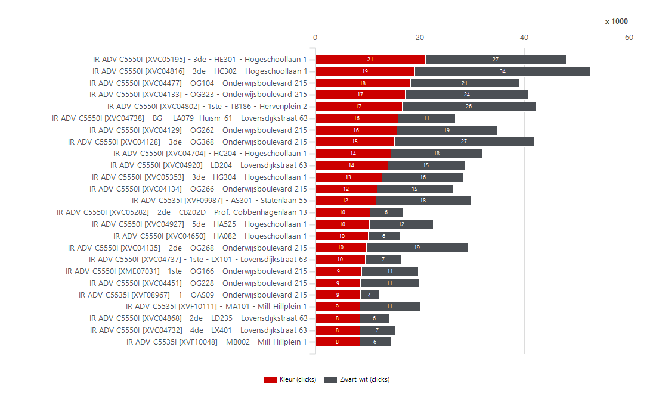
3352940 | NL Stichting Avans | Stichting Avans | PR180096 | IR ADV C5535I | Colour | MFD | XVF08861 | HGS06 | Hogeschoollaan 1 | 4818 CR | Breda | 33,150 | 4,635 | 15,000 | 90,000 | 10,365 |  | 75,000 | 2,722 | 1,913 | 754 | 3,600 | 281 | 4,073 | 2,554 | 76 | 4,559 | 85 | XVC04755 | IR ADV C5550I | 13,487 | 36,000 | 54,000 | XVC04767 | IR ADV C5550I | 6,234 | 34,688 | XVF08779 | IR ADV C5535I | 7,104 | 4,107
3352940 | NL Stichting Avans | Stichting Avans | PR180006 | IR ADV C5535I | Colour | MFD | XVF08449 | SP010 | Stationsplein 50 | 5211 AP | 's-Hertogenbosch | 33,150 | 4,408 | 15,000 | 90,000 | 10,592 |  | 75,000 | 2,421 | 1,987 | 1,498 | 2,782 | 128 | 4,152 | 2,889 | 237 | 4,171 | 111 | XVC04264 | IR ADV C5550I | 12,893 | 36,000 | 54,000 | XVC04390 | IR ADV C5550I | 6,199 | 6,449 | XVC04382 | IR ADV C5550I | 5,184 | 4,076
3352940 | NL Stichting Avans | Stichting Avans | PR180035 | IR ADV C5535I | Colour | MFD | XVF08979 | OA092 | Onderwijsboulevard 215 | 5223 DE | 's-Hertogenbosch | 33,150 | 3,938 | 15,000 | 90,000 | 11,062 |  | 75,000 | 2,245 | 1,693 | 1,413 | 2,144 | 381 | 3,176 | 2,485 | 109 | 3,829 | 68 | XVC04390 | IR ADV C5550I | 12,648 | 36,000 | 54,000 | XVC04750 | IR ADV C5550I | 5,899 | 11,155 | XVF09330 | IR ADV C5535I | 2,442 | 3,934
3352940 | NL Stichting Avans | Stichting Avans | PR180008 | IR ADV C5535I | Colour | MFD | XVF08401 | SP203 | Stationsplein 50 | 5211 AP | 's-Hertogenbosch | 33,150 | 3,798 | 15,000 | 90,000 | 11,202 |  | 75,000 | 450 | 3,348 | 906 | 2,826 | 66 | 3,666 | 2,319 | 131 | 3,667 | 49 | XVF08995 | IR ADV C5535I | 12,475 | 15,000 | 75,000 | XVC04797 | IR ADV C5550I | 5,898 | 14,283 | XVC04737 | IR ADV C5550I | 12,204 | 3,883
3352940 | NL Stichting Avans | Stichting Avans | PR180011 | IR ADV C5535I | Colour | MFD | XVF08407 | 4de - SP421 | Stationsplein 50 | 5211 AP | 's-Hertogenbosch | 33,150 | 3,460 | 15,000 | 90,000 | 11,540 |  | 75,000 | 1,963 | 1,497 | 862 | 2,536 | 62 | 3,336 | 2,130 | 81 | 3,379 | 20 | XVC04124 | IR ADV C5550I | 12,436 | 36,000 | 54,000 | XVC04762 | IR ADV C5550I | 5,742 | 11,455 | XVC04127 | IR ADV C5550I | 4,714 | 3,850
3352940 | NL Stichting Avans | Stichting Avans | PR180031 | IR ADV C5535I | Colour | MFD | XVF08398 | 1ste - OX101 | Onderwijsboulevard 215 | 5223 DE | 's-Hertogenbosch | 33,150 | 3,341 | 15,000 | 90,000 | 11,659 |  | 75,000 | 1,825 | 1,516 | 1,304 | 1,742 | 295 | 2,751 | 2,175 | 99 | 3,242 | 484 | XVF09944 | IR ADV C5535I | 12,253 | 15,000 | 75,000 | XVC04709 | IR ADV C5550I | 5,691 | 3,060 | XVC04634 | IR ADV C5550I | 10,074 | 3,806
3352940 | NL Stichting Avans | Stichting Avans | PR180057 | IR ADV C5535I | Colour | MFD | XVF09289 | BG - LA088 | Lovensdijkstraat 63 | 4818 AJ | Breda | 33,150 | 3,315 | 15,000 | 90,000 | 11,685 |  | 75,000 | 1,962 | 1,353 | 1,108 | 2,054 | 153 | 3,009 | 2,135 | 64 | 3,251 | 219 | XVC04126 | IR ADV C5550I | 12,241 | 36,000 | 54,000 | XVF09600 | IR ADV C5535I | 5,663 | 4,463 | XVF08408 | IR ADV C5535I | 14,244 | 3,642
3352940 | NL Stichting Avans | Stichting Avans | PR180071 | IR ADV C5535I | Colour | MFD | XVF09835 | LD321 | Lovensdijkstraat 63 | 4818 AJ | Breda | 33,150 | 3,167 | 15,000 | 90,000 | 11,833 |  | 75,000 | 1,259 | 1,908 | 1,185 | 1,884 | 98 | 2,971 | 2,127 | 919 | 2,248 | 466 | XVF08967 | IR ADV C5535I | 12,149 | 15,000 | 75,000 | XVF08790 | IR ADV C5535I | 5,424 | 6,606 | XVF09004 | IR ADV C5535I | 3,494 | 3,634
3352940 | NL Stichting Avans | Stichting Avans | PR180045 | IR ADV C5535I | Colour | MFD | XVF09335 | 1ste - BA165 | Beukenlaan 1 | 4834 CR | Breda | 33,150 | 3,135 | 15,000 | 90,000 | 11,865 |  | 75,000 | 2,033 | 1,102 | 1,281 | 1,656 | 198 | 2,739 | 2,109 | 391 | 2,744 | 414 | XVF08790 | IR ADV C5535I | 12,030 | 15,000 | 75,000 | XVC04425 | IR ADV C5550I | 5,213 | 4,474 | XVC04126 | IR ADV C5550I | 8,102 | 3,507
3352940 | NL Stichting Avans | Stichting Avans | PR180097 | IR ADV C5535I | Colour | MFD | XVF08724 | HGS06 | Hogeschoollaan 1 | 4818 CR | Breda | 33,150 | 3,039 | 15,000 | 90,000 | 11,961 |  | 75,000 | 1,649 | 1,390 | 394 | 2,598 | 47 | 2,945 | 1,693 | 244 | 2,795 | 65 | XVF08779 | IR ADV C5535I | 11,728 | 15,000 | 75,000 | XVF08928 | IR ADV C5535I | 4,897 | 8,902 | XVC04747 | IR ADV C5550I | 4,568 | 3,455
3352940 | NL Stichting Avans | Stichting Avans | PR180100 | IR ADV C5535I | Colour | MFD | XVF08787 | BG - HF007 | Hogeschoollaan 1 | 4818 CR | Breda | 33,150 | 2,976 | 15,000 | 90,000 | 12,024 |  | 75,000 | 1,893 | 1,083 | 1,549 | 1,266 | 161 | 2,654 | 2,182 | 240 | 2,736 | 141 | XVC04754 | IR ADV C5550I | 10,150 | 36,000 | 54,000 | XVF09330 | IR ADV C5535I | 4,545 | 2,579 | XVF09944 | IR ADV C5535I | 8,684 | 3,417
3352940 | NL Stichting Avans | Stichting Avans | PR180059 | IR ADV C5535I | Colour | MFD | XVF09296 | 2de - LA234 | Lovensdijkstraat 63 | 4818 AJ | Breda | 33,150 | 2,811 | 15,000 | 90,000 | 12,189 |  | 75,000 | 1,986 | 825 | 1,389 | 1,076 | 346 | 2,119 | 1,927 | 107 | 2,704 | 328 | XVF09600 | IR ADV C5535I | 10,126 | 15,000 | 75,000 | XVC05198 | IR ADV C5550I | 4,531 | 3,878 | XVC04750 | IR ADV C5550I | 13,084 | 3,340
3352940 | NL Stichting Avans | Stichting Avans | PR180098 | IR ADV C5535I | Colour | MFD | XVF08978 | HN002 | Hogeschoollaan 1 | 4818 CR | Breda | 33,150 | 2,493 | 15,000 | 90,000 | 12,507 |  | 75,000 | 853 | 1,640 | 1,235 | 1,190 | 68 | 2,357 | 1,830 | 300 | 2,193 | 146 | XVC04382 | IR ADV C5550I | 9,865 | 36,000 | 54,000 | XVC04127 | IR ADV C5550I | 4,472 | 4,401 | XVF09600 | IR ADV C5535I | 6,562 | 3,314
3352940 | NL Stichting Avans | Stichting Avans | PQ82554 | IR ADV C5535I | Colour | MFD | XMH13540 | 4e | Claudius Prinsenlaan 128-136 | 4818 CP | Breda | 15,810 | 2,331 | 7,333 | 44,000 | 5,002 |  | 36,667 | 1,438 | 893 | 791 | 1,428 | 112 | 2,107 | 1,505 | 19 | 2,312 | 31 | XVC04425 | IR ADV C5550I | 9,687 | 36,000 | 54,000 | XVC04754 | IR ADV C5550I | 4,438 | 5,712 | XVC04709 | IR ADV C5550I | 4,676 | 3,261
3352940 | NL Stichting Avans | Stichting Avans | PR180007 | IR ADV C5535I | Colour | MFD | XVF08508 | SP114 | Stationsplein 50 | 5211 AP | 's-Hertogenbosch | 33,150 | 2,200 | 15,000 | 90,000 | 12,800 |  | 75,000 | 697 | 1,503 | 765 | 1,408 | 27 | 2,146 | 1,469 | 383 | 1,817 | 158 | XVC04792 | IR ADV C5550I | 9,224 | 36,000 | 54,000 | XVC05244 | IR ADV C5550I | 4,148 | 2,669 | XVF08790 | IR ADV C5535I | 8,632 | 3,222
3352940 | NL Stichting Avans | Stichting Avans | PR180121 | IR ADV C5535I | Colour | MFD | XVF09878 | 1ste - CX101 | Prof. Cobbenhagenlaan 13 | 5037 DA | TILBURG | 33,150 | 2,142 | 15,000 | 90,000 | 12,858 |  | 75,000 | 1,055 | 1,087 | 831 | 954 | 357 | 1,428 | 1,308 | 43 | 2,099 | 570 | XVC04127 | IR ADV C5550I | 8,873 | 36,000 | 54,000 | XVC04798 | IR ADV C5550I | 4,113 | 11,856 | XVC04754 | IR ADV C5550I | 6,752 | 3,191
3352940 | NL Stichting Avans | Stichting Avans | PR180046 | IR ADV C5535I | Colour | MFD | XVF11386 | BA202 | Beukenlaan 1 | 4834 CR | Breda | 33,150 | 1,993 | 15,000 | 90,000 | 13,007 |  | 75,000 | 701 | 1,292 | 678 | 1,278 | 37 | 1,919 | 1,317 | 974 | 1,019 | 435 | XVC04709 | IR ADV C5550I | 8,751 | 36,000 | 54,000 | XVF09944 | IR ADV C5535I | 4,089 | 8,164 | XVC04868 | IR ADV C5550I | 10,916 | 3,061
3352940 | NL Stichting Avans | Stichting Avans | PR180037 | IR ADV C5535I | Colour | MFD | XVF08980 | OB090 | Onderwijsboulevard 215 | 5223 DE | 's-Hertogenbosch | 33,150 | 1,953 | 15,000 | 90,000 | 13,047 |  | 75,000 | 1,127 | 826 | 806 | 1,050 | 97 | 1,759 | 1,331 | 91 | 1,862 | 59 | XVC04603 | IR ADV C5550I | 8,441 | 36,000 | 54,000 | XVF10213 | IR ADV C5535I | 4,073 | 10,092 | XVF08223 | IR ADV C5535I | 2,018 | 2,982
3352940 | NL Stichting Avans | Stichting Avans | PR180032 | IR ADV C5535I | Colour | MFD | XVF08276 | 2de - OX201 | Onderwijsboulevard 215 | 5223 DE | 's-Hertogenbosch | 33,150 | 1,740 | 15,000 | 90,000 | 13,260 |  | 75,000 | 676 | 1,064 | 529 | 1,134 | 77 | 1,586 | 1,096 | 400 | 1,340 | 349 | XVC05198 | IR ADV C5550I | 8,409 | 36,000 | 54,000 | XVF09004 | IR ADV C5535I | 3,991 | 3,362 | XVC05198 | IR ADV C5550I | 4,892 | 2,978
3352940 | NL Stichting Avans | Stichting Avans | PR180029 | IR ADV C5535I | Colour | MFD | XVF08295 | OG028 | Onderwijsboulevard 215 | 5223 DE | 's-Hertogenbosch | 33,150 | 1,691 | 15,000 | 90,000 | 13,309 |  | 75,000 | 1,123 | 568 | 1,199 | 352 | 140 | 1,411 | 1,375 | 203 | 1,488 | 241 | XVC04747 | IR ADV C5550I | 8,373 | 36,000 | 54,000 | XVC04747 | IR ADV C5550I | 3,974 | 4,399 | XVC04354 | IR ADV C5550I | 946 | 2,977
3352940 | NL Stichting Avans | Stichting Avans | PR180102 | IR ADV C5535I | Colour | MFD | XVF09046 | 1e verd. via trap | Havensingel 25 | 5211 TX | 's-Hertogenbosch | 33,150 | 1,625 | 15,000 | 90,000 | 13,375 |  | 75,000 | 611 | 1,014 | 522 | 1,082 | 21 | 1,583 | 1,063 | 68 | 1,557 | 67 | XVF09000 | IR ADV C5535I | 7,602 | 15,000 | 75,000 | XVC04792 | IR ADV C5550I | 3,927 | 5,297 | XVF08995 | IR ADV C5535I | 9,198 | 2,977
3352940 | NL Stichting Avans | Stichting Avans | PR180053 | IR ADV C5535I | Colour | MFD | XVF11364 | PP364 | Parallelweg 21-23 | 5223 AL | 's-Hertogenbosch | 33,150 | 1,128 | 15,000 | 90,000 | 13,872 |  | 75,000 | 670 | 458 | 861 | 192 | 75 | 978 | 957 | 161 | 967 | 144 | XVF09004 | IR ADV C5535I | 7,353 | 15,000 | 75,000 | XVF09132 | IR ADV C5535I | 3,833 | 3,123 | XVF10213 | IR ADV C5535I | 10,722 | 2,915
3352940 | NL Stichting Avans | Stichting Avans | PR180004 | IR ADV C5535I | Colour | MFD | XVF08483 | 3de - PA394 | Parallelweg 64 | 5223 AL | 's-Hertogenbosch | 33,150 | 1,095 | 15,000 | 90,000 | 13,905 |  | 75,000 | 532 | 563 | 508 | 530 | 57 | 981 | 773 | 274 | 821 | 3,602 | XVF09330 | IR ADV C5535I | 7,124 | 15,000 | 75,000 | XVC04182 | IR ADV C5550I | 3,767 | 3,082 | XVF08928 | IR ADV C5535I | 10,682 | 2,899
3352940 | NL Stichting Avans | Stichting Avans | PR180049 | IR ADV C5535I | Colour | MFD | XVF11384 | HR372 | Claudius Prinsenlaan 128-136 | 4818 CP | Breda | 33,150 | 1,055 | 15,000 | 90,000 | 13,945 |  | 75,000 | 544 | 511 | 201 | 840 | 14 | 1,027 | 621 | 1 | 1,054 | 357 | XVC04125 | IR ADV C5550I | 7,105 | 36,000 | 54,000 | XVF08995 | IR ADV C5535I | 3,671 | 8,804 | XVC04755 | IR ADV C5550I | 10,224 | 2,829
3352940 | NL Stichting Avans | Stichting Avans | PR180052 | IR ADV C5535I | Colour | MFD | XVF11366 | HR072 | Claudius Prinsenlaan 128-136 | 4818 CP | Breda | 33,150 |  |  |  |  |  |  |  |  |  |  |  |  |  |  |  |  | XVC04289 | IR ADV C5550I | 7,071 | 36,000 | 54,000 | XVF09281 | IR ADV C5535I | 3,608 | 1,771 | XVC04289 | IR ADV C5550I | 3,750 | 2,812
3352940 | NL Stichting Avans | Stichting Avans | PR180078 | IR ADV C5550I | Colour | MFD | XVC04816 | 3de - HC302 | Hogeschoollaan 1 | 4818 CR | Breda | 33,150 | 52,671 | 36,000 | 90,000 |  |  | 54,000 | 19,008 | 33,663 | 19,438 | 31,740 | 1,493 | 49,685 | 35,308 | 7,137 | 45,534 | 2,080 | XVF09132 | IR ADV C5535I | 6,956 | 15,000 | 75,000 | XVC04634 | IR ADV C5550I | 3,552 | 10,535 | XVC04792 | IR ADV C5550I | 6,310 | 2,701
3352940 | NL Stichting Avans | Stichting Avans | PR180080 | IR ADV C5550I | Colour | MFD | XVC05195 | 3de - HE301 | Hogeschoollaan 1 | 4818 CR | Breda | 33,150 | 48,009 | 36,000 | 90,000 |  |  | 54,000 | 21,079 | 26,930 | 11,983 | 35,462 | 564 | 46,881 | 29,714 | 7,010 | 40,999 | 2,559 | XVC04182 | IR ADV C5550I | 6,849 | 36,000 | 54,000 | XVC05281 | IR ADV C5550I | 3,525 | 1,379 | XVC04125 | IR ADV C5550I | 4,164 | 2,633
3352940 | NL Stichting Avans | Stichting Avans | PR180013 | IR ADV C5550I | Colour | MFD | XVC04802 | 1ste - TB186 | Hervenplein 2 | 5232 JE | 's-Hertogenbosch | 33,150 | 42,140 | 36,000 | 90,000 |  |  | 54,000 | 16,625 | 25,515 | 12,937 | 28,716 | 487 | 41,166 | 27,295 | 7,807 | 34,333 | 1,708 | XVC05244 | IR ADV C5550I | 6,817 | 36,000 | 54,000 | XVC04651 | IR ADV C5550I | 3,507 | 3,289 | XVC04182 | IR ADV C5550I | 3,816 | 2,350
3352940 | NL Stichting Avans | Stichting Avans | PR180028 | IR ADV C5550I | Colour | MFD | XVC04128 | 3de - OG368 | Onderwijsboulevard 215 | 5223 DE | 's-Hertogenbosch | 33,150 | 41,769 | 36,000 | 90,000 |  |  | 54,000 | 15,125 | 26,644 | 11,576 | 29,206 | 987 | 39,795 | 26,179 | 3,298 | 38,471 | 2,606 | XVC04651 | IR ADV C5550I | 6,796 | 36,000 | 54,000 | XVF08223 | IR ADV C5535I | 3,451 | 2,548 | XVF09005 | IR ADV C5535I | 3,938 | 2,316 |  |  |  |  |  |  |  | Enkelzijdig volume per systeem
3352940 | NL Stichting Avans | Stichting Avans | PR180075 | IR ADV C5550I | Colour | MFD | XVC04767 | 4de - HA425 | Hogeschoollaan 1 | 4818 CR | Breda | 33,150 | 40,922 | 36,000 | 90,000 |  |  | 54,000 | 6,234 | 34,688 | 6,126 | 34,330 | 466 | 39,990 | 23,291 | 2,595 | 38,327 | 590 | XVF09120 | IR ADV C5535I | 6,592 | 15,000 | 75,000 | XVC04289 | IR ADV C5550I | 3,418 | 3,653 | XVC04741 | IR ADV C5550I | 2,372 | 2,288 |  |  |  |  |  |  |  |  | 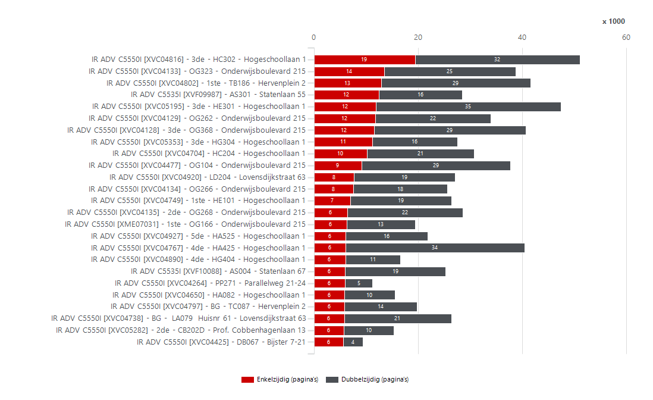
3352940 | NL Stichting Avans | Stichting Avans | PR180027 | IR ADV C5550I | Colour | MFD | XVC04133 | OG323 | Onderwijsboulevard 215 | 5223 DE | 's-Hertogenbosch | 33,150 | 40,831 | 36,000 | 90,000 |  |  | 54,000 | 17,194 | 23,637 | 13,506 | 25,340 | 1,985 | 36,861 | 26,176 | 5,154 | 35,677 | 3,144 | XVF09005 | IR ADV C5535I | 6,379 | 15,000 | 75,000 | XVC04741 | IR ADV C5550I | 3,245 | 1,725 | XVF08837 | IR ADV C5535I | 3,622 | 2,287
3352940 | NL Stichting Avans | Stichting Avans | PR180041 | IR ADV C5550I | Colour | MFD | XVC04477 | OG104 | Onderwijsboulevard 215 | 5223 DE | 's-Hertogenbosch | 33,150 | 39,014 | 36,000 | 90,000 |  |  | 54,000 | 18,132 | 20,882 | 9,220 | 28,524 | 1,270 | 36,474 | 23,482 | 5,608 | 33,406 | 2,149 | XVF08223 | IR ADV C5535I | 5,999 | 15,000 | 75,000 | 3EW00829 | IMAGEPRESSC710 | 3,118 | 926 | XVC05244 | IR ADV C5550I | 3,764 | 2,274
3352940 | NL Stichting Avans | Stichting Avans | PR180022 | IR ADV C5550I | Colour | MFD | XVC04129 | OG262 | Onderwijsboulevard 215 | 5223 DE | 's-Hertogenbosch | 33,150 | 34,711 | 36,000 | 90,000 | 1,289 |  | 54,000 | 15,584 | 19,127 | 11,856 | 22,158 | 697 | 33,317 | 22,935 | 2,328 | 32,383 | 1,186 | XVF08837 | IR ADV C5535I | 5,977 | 15,000 | 75,000 | XVC04125 | IR ADV C5550I | 3,089 | 4,016 | XVF08364 | IR ADV C5535I | 3,468 | 2,225
3352940 | NL Stichting Avans | Stichting Avans | PR180086 | IR ADV C5550I | Colour | MFD | XVC04704 | HC204 | Hogeschoollaan 1 | 4818 CR | Breda | 33,150 | 32,004 | 36,000 | 90,000 | 3,996 |  | 54,000 | 14,409 | 17,595 | 10,252 | 20,546 | 1,206 | 29,592 | 20,525 | 7,731 | 24,273 | 1,303 | XVF09630 | IR ADV C5535I | 5,974 | 15,000 | 75,000 | XVF09000 | IR ADV C5535I | 3,081 | 4,521 | XVF08178 | IR ADV C5535I | 2,920 | 2,199
3352940 | NL Stichting Avans | Stichting Avans | PR180025 | IR ADV C5550I | Colour | MFD | XVC04135 | 2de - OG268 | Onderwijsboulevard 215 | 5223 DE | 's-Hertogenbosch | 33,150 | 29,175 | 36,000 | 90,000 | 6,825 |  | 54,000 | 9,753 | 19,422 | 6,496 | 22,150 | 529 | 28,117 | 17,571 | 808 | 28,367 | 823 | XVF09868 | IR ADV C5535I | 5,882 | 15,000 | 75,000 | XVF09120 | IR ADV C5535I | 3,018 | 3,574 | XVF09868 | IR ADV C5535I | 3,594 | 2,060
3352940 | NL Stichting Avans | Stichting Avans | PR180068 | IR ADV C5550I | Colour | MFD | XVC04920 | LD204 | Lovensdijkstraat 63 | 4818 AJ | Breda | 33,150 | 28,613 | 36,000 | 90,000 | 7,387 |  | 54,000 | 13,801 | 14,812 | 7,655 | 19,494 | 1,464 | 25,685 | 17,402 | 1,652 | 26,961 | 3,226 | XVF08364 | IR ADV C5535I | 5,873 | 15,000 | 75,000 | XVF09630 | IR ADV C5535I | 3,017 | 2,957 | XVF09630 | IR ADV C5535I | 3,668 | 2,042
3352940 | NL Stichting Avans | Stichting Avans | PR180081 | IR ADV C5550I | Colour | MFD | XVC05353 | 3de - HG304 | Hogeschoollaan 1 | 4818 CR | Breda | 33,150 | 28,363 | 36,000 | 90,000 | 7,637 |  | 54,000 | 12,762 | 15,601 | 11,266 | 16,326 | 771 | 26,821 | 19,429 | 5,308 | 23,055 | 2,105 | XVF09553 | IR ADV C5535I | 5,435 | 15,000 | 75,000 | XVF09294 | IR ADV C5535I | 3,000 | 1,760 | 3EW00829 | IMAGEPRESSC710 | 870 | 2,012
3352940 | NL Stichting Avans | Stichting Avans | PR180088 | IR ADV C5550I | Colour | MFD | XVC04749 | 1ste - HE101 | Hogeschoollaan 1 | 4818 CR | Breda | 33,150 | 26,914 | 36,000 | 90,000 | 9,086 |  | 54,000 | 8,367 | 18,547 | 6,993 | 19,492 | 427 | 25,330 | 16,739 | 4,281 | 22,633 | 1,481 | XVF08363 | IR ADV C5535I | 5,411 | 15,000 | 75,000 | XVF08364 | IR ADV C5535I | 2,786 | 3,087 | XVF09132 | IR ADV C5535I | 4,680 | 1,984
3352940 | NL Stichting Avans | Stichting Avans | PR180056 | IR ADV C5550I | Colour | MFD | XVC04738 | BG - LA079 Huisnr 61 | Lovensdijkstraat 63 | 4818 AJ | Breda | 33,150 | 26,759 | 36,000 | 90,000 | 9,241 |  | 54,000 | 15,814 | 10,945 | 5,822 | 20,574 | 363 | 26,033 | 16,109 | 1,561 | 25,198 | 1,477 | XVF09281 | IR ADV C5535I | 5,379 | 15,000 | 75,000 | XVF08861 | IR ADV C5535I | 2,722 | 1,913 | XVF09553 | IR ADV C5535I | 2,920 | 1,779
3352940 | NL Stichting Avans | Stichting Avans | PR180024 | IR ADV C5550I | Colour | MFD | XVC04134 | OG266 | Onderwijsboulevard 215 | 5223 DE | 's-Hertogenbosch | 33,150 | 26,382 | 36,000 | 90,000 | 9,618 |  | 54,000 | 11,745 | 14,637 | 7,560 | 18,098 | 724 | 24,934 | 16,609 | 2,335 | 24,047 | 2,382 | XVF08178 | IR ADV C5535I | 5,226 | 15,000 | 75,000 | XVF09553 | IR ADV C5535I | 2,721 | 2,714 | XVC04651 | IR ADV C5550I | 4,866 | 1,720
3352940 | NL Stichting Avans | Stichting Avans | PR180077 | IR ADV C5550I | Colour | MFD | XVC04927 | 5de - HA525 | Hogeschoollaan 1 | 4818 CR | Breda | 33,150 | 22,569 | 36,000 | 90,000 | 13,431 |  | 54,000 | 10,361 | 12,208 | 6,149 | 15,724 | 696 | 21,177 | 14,011 | 2,685 | 19,884 | 728 | XVF08586 | IR ADV C5535I | 5,181 | 15,000 | 75,000 | XVF09005 | IR ADV C5535I | 2,618 | 3,761 | XVF09281 | IR ADV C5535I | 3,630 | 1,657
3352940 | NL Stichting Avans | Stichting Avans | PR180069 | IR ADV C5550I | Colour | MFD | XVC04865 | 2de - LD209 | Lovensdijkstraat 63 | 4818 AJ | Breda | 33,150 | 20,402 | 36,000 | 90,000 | 15,598 |  | 54,000 | 7,503 | 12,899 | 5,655 | 14,254 | 493 | 19,416 | 12,782 | 1,783 | 18,619 | 2,710 | XVC04741 | IR ADV C5550I | 4,970 | 36,000 | 54,000 | XVF08837 | IR ADV C5535I | 2,604 | 3,373 | XVF08586 | IR ADV C5535I | 3,474 | 1,600
3352940 | NL Stichting Avans | Stichting Avans | PR180015 | IR ADV C5550I | Colour | MFD | XVC04797 | BG - TC087 | Hervenplein 2 | 5232 JE | 's-Hertogenbosch | 33,150 | 20,181 | 36,000 | 90,000 | 15,819 |  | 54,000 | 5,898 | 14,283 | 5,846 | 14,008 | 327 | 19,527 | 12,850 | 2,695 | 17,486 | 973 | XVC05281 | IR ADV C5550I | 4,904 | 36,000 | 54,000 | XVC04354 | IR ADV C5550I | 2,553 | 1,446 | XVF08787 | IR ADV C5535I | 1,266 | 1,549
3352940 | NL Stichting Avans | Stichting Avans | PR180023 | IR ADV C5550I | Colour | MFD | XVC04451 | OG228 | Onderwijsboulevard 215 | 5223 DE | 's-Hertogenbosch | 33,150 | 19,830 | 36,000 | 90,000 | 16,170 |  | 54,000 | 8,575 | 11,255 | 5,451 | 13,976 | 403 | 19,024 | 12,439 | 1,109 | 18,721 | 608 | XVF09294 | IR ADV C5535I | 4,760 | 15,000 | 75,000 | XVF08449 | IR ADV C5535I | 2,421 | 1,987 | XVF09120 | IR ADV C5535I | 4,934 | 1,546
...
 |  |  |  |  |  |  |  |  |  |  |  |  |  |  |  |  |  |  |  |  |  |  |  |  |  |  |  |  |  |  |  |  |  |  |  |  |  |  |  |  |  |  |  |  |  |  |  |  |  | Volume per systeem
 |  |  |  |  |  |  |  |  |  |  |  |  |  |  |  |  |  |  |  |  |  |  |  |  |  |  |  |  |  |  |  |  |  |  |  |  |  |  |  |  |  |  |  |  |  |  |  |  |  |  | Volume per systeem
 |  |  |  |  |  |  |  |  |  |  |  |  |  |  |  |  |  |  |  |  |  |  |  |  |  |  |  |  |  |  |  |  |  |  |  |  |  |  |  |  |  |  |  |  |  |  |  |  |  |  | 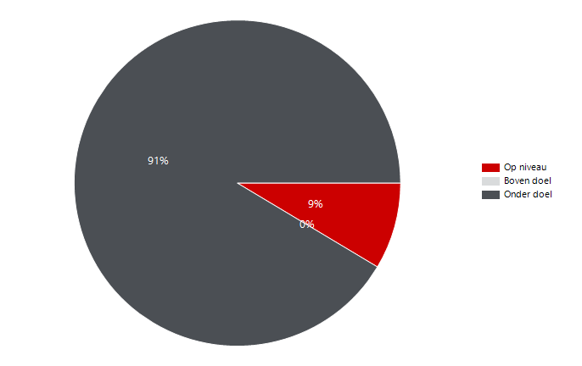
...

Volume per device Q1 2023
...
Aantal apparaten zonder tellerstanden |  |  | Volume per systeem
13 |  |  | 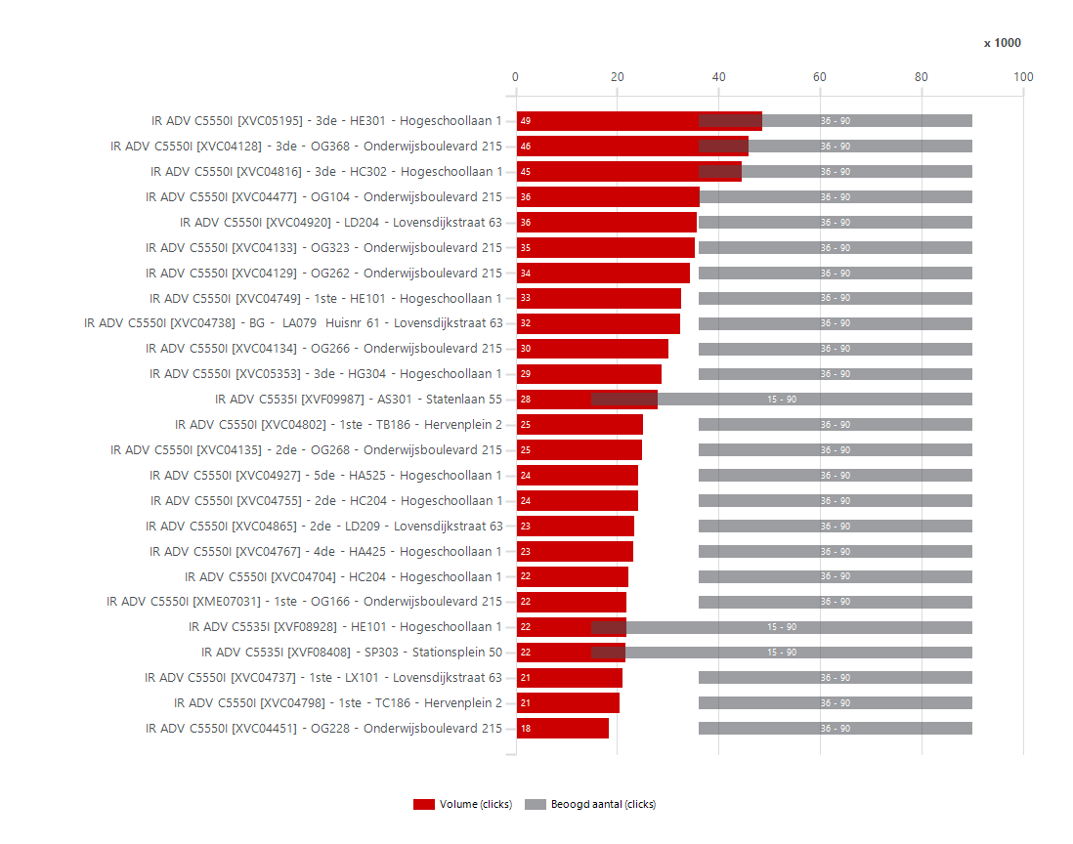
...
 | Kleurvolume per systeem
 | 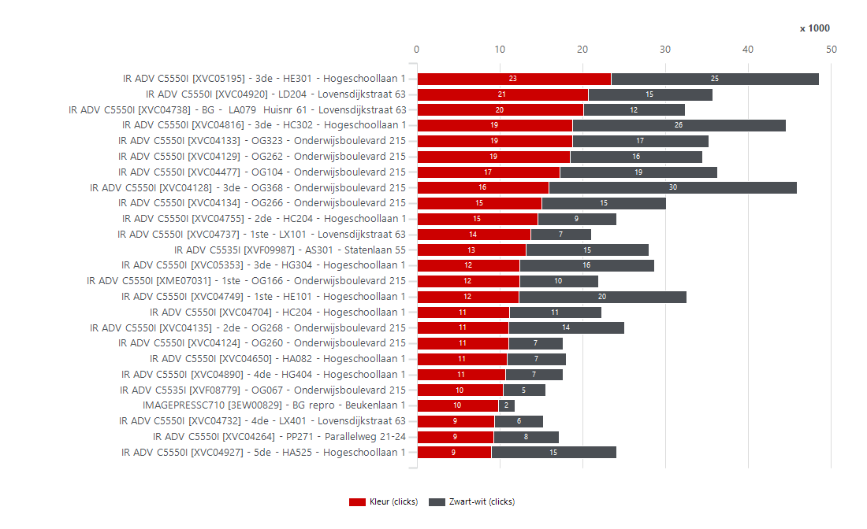
...
 |  | Enkelzijdig volume per systeem
 |  |  | 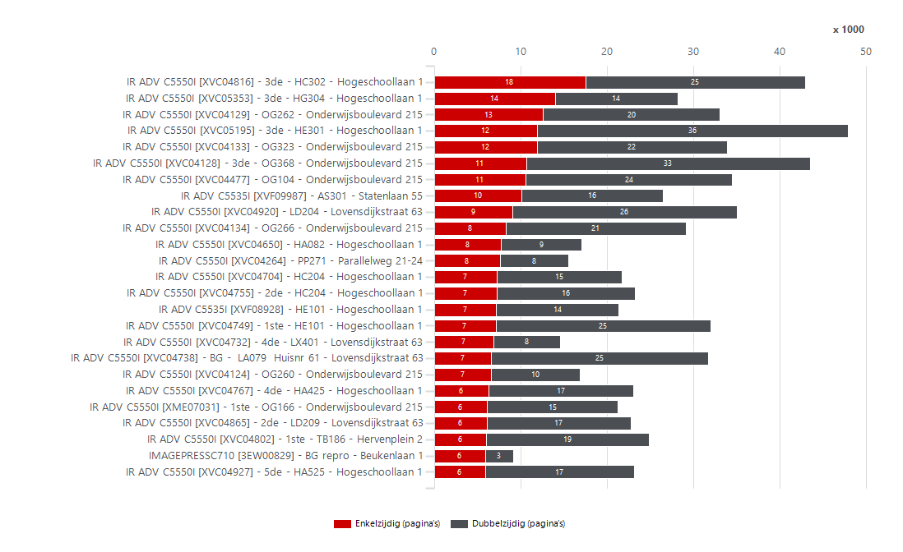
...
 |  |  |  | Volume per systeem
 |  |  |  | 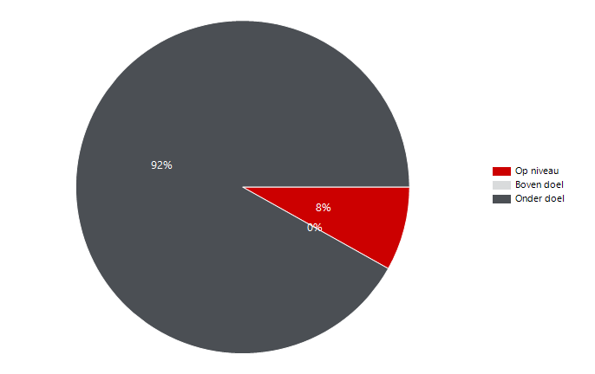
...

Volume per device Q2 2023
...
Aantal apparaten zonder tellerstanden |  |  | Volume per systeem
12 |  |  | 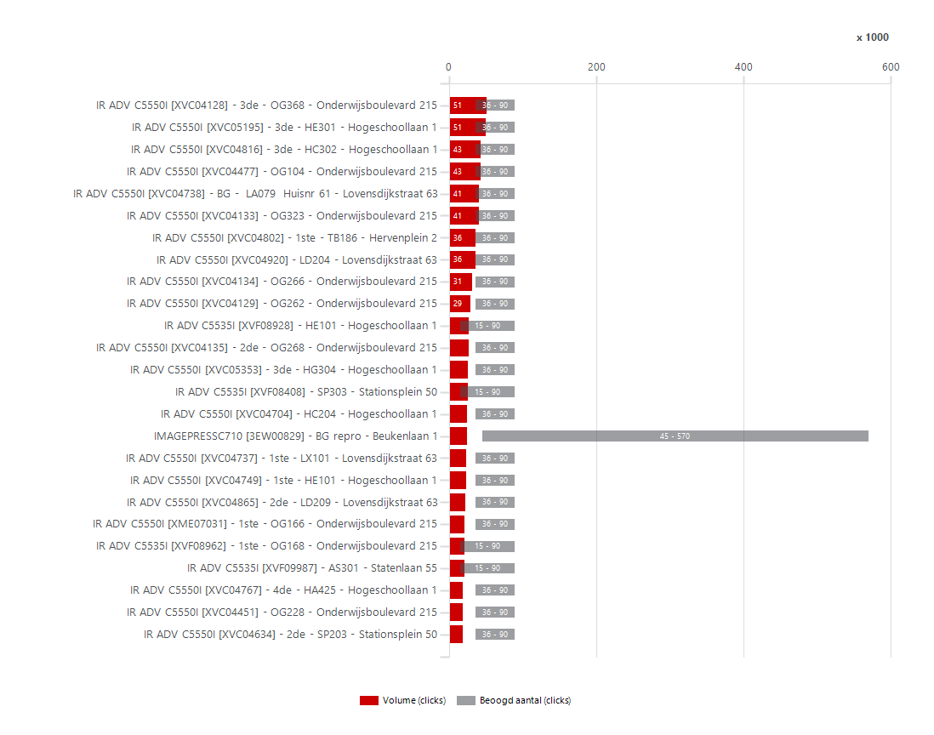
...
 | Kleurvolume per systeem
 | 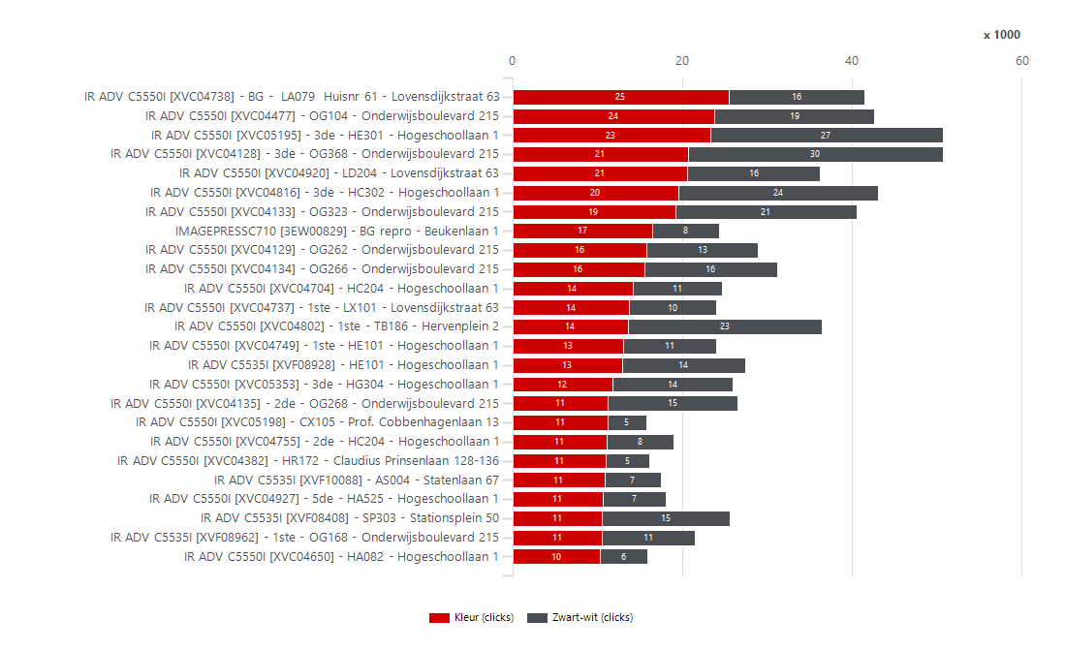
...
 |  | Enkelzijdig volume per systeem
 |  |  | 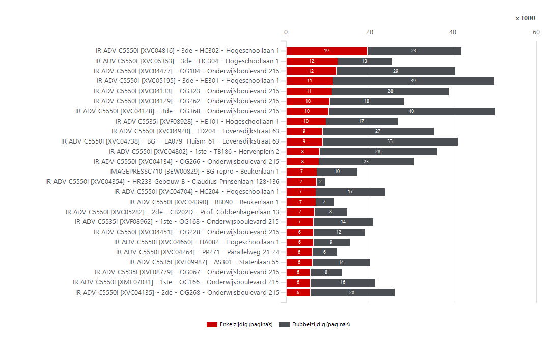
...
 |  |  |  | Volume per systeem
 |  |  |  | 
...

Volume per device Q3 2023
...
Aantal apparaten zonder tellerstanden |  |  | Volume per systeem
13 |  |  | 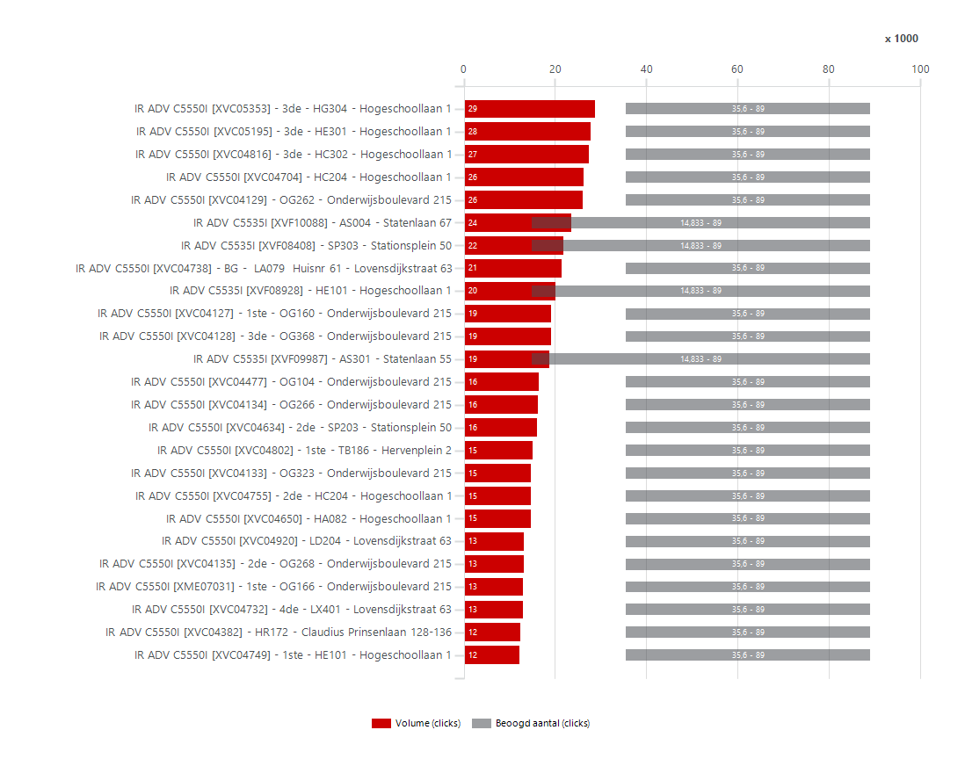
...
 | Kleurvolume per systeem
 | 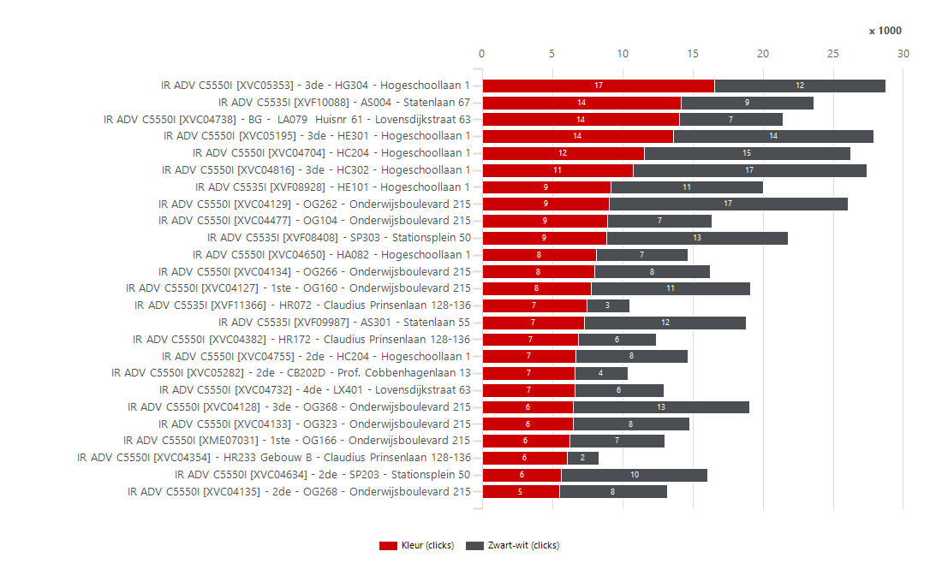
...
 |  | Enkelzijdig volume per systeem
 |  |  | 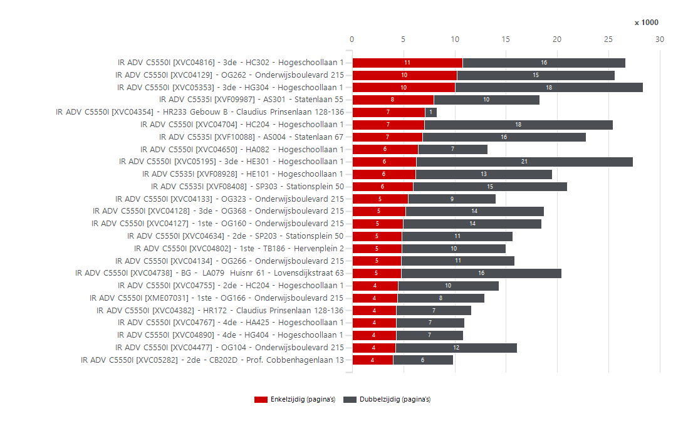
...
 |  |  |  | Volume per systeem
 |  |  |  | 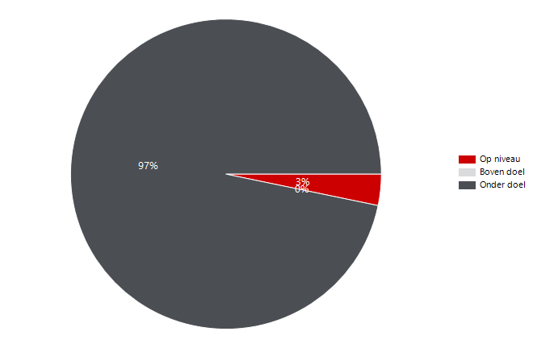
...

Modeltypen
...
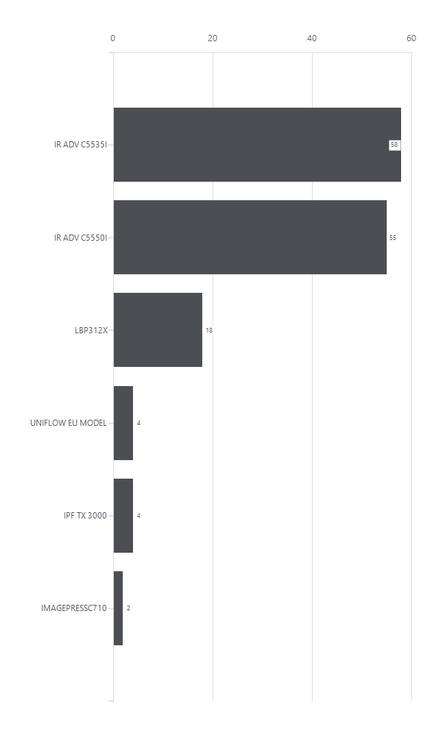
 |  | Aantal systemen per systeemmodel
Q | Totaal
...

Papierverbruik
Avans
 | Papierverbruik

Q | Totaal | Papierverbruik in de loop van de tijd (vellen)
2022Q3 | 611,109 | 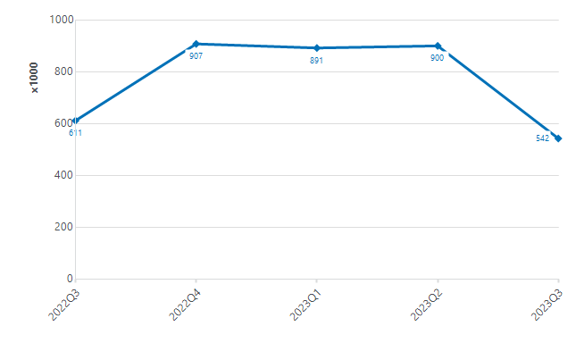
2022Q4 | 907,092
2023Q1 | 891,255
2023Q2 | 899,580
2023Q3 | 542,356

