Features to be developed
Category | Epic | Feature | Description | Technical details | Sprint | Hours
FPC | World Map | Landscape Initiative Search Column | 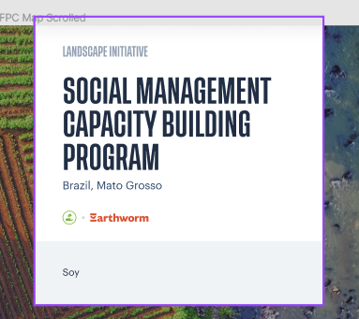 Visualizing the initiative implementers Visualizing whether an initiative is part of the FPC collection. Adding visual cue to the left pane. | Assumptions: Data remodeling completed. New APi version available Managing through outsystems is already possible (we can manage organization entities and we can manage implementers in compact. <LINK FEATURE>) | 0.25 | 114
FPC | Landscape Initiative Page | Upgrade navigation (IDH-agnostic) | 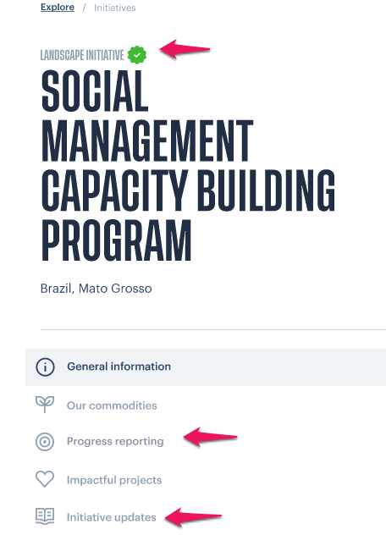 Front-end changes Left Menu Compacts -> Landscape Initiative. Goals & Indicators -> Progress reporting (also change logo) Compact updates -> Initiative Updates. Horizontal menu in content pane Header: About us -> General Information Compact partners -> Partners Contact Information -> Contact test |  | 0.25 | 114
FPC | Landscape Initiative Page | Introduce Implementers on LI page (IDH agnostic) + add category in outsystem | New front-end element to display the implementers New Implementers property to manage in OutSystems Navigate to implementer via logo/ implementor icon | Update API to include new data. | 0.25 | 114
FPC | Data Model Upgrade | Change buyers to generic organization entity | 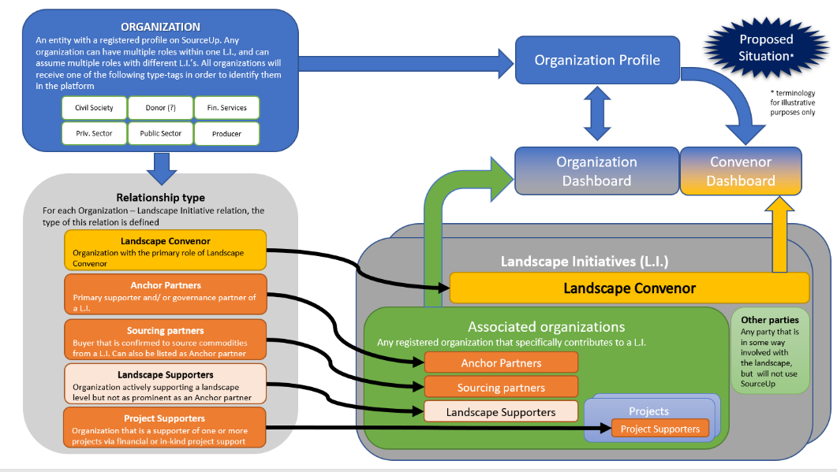 The current ''Buyers'' entity will be migrated to Organization. The current ''Participants'' will be migrated to Organization. Two types: Type as a property on organization itself. Used to categories the organizations. Type on the relationship between an organization and other entities. Landscape initiative <-> Organization Landscape convener Sourcing partner "Anchor partner" Participant Member Buyer Project <-> Organization Supporter | Updating data model/database Updating outsysems New API version. | 1 | 456
FPC | Non design related elements | Specific authorizations in the backoffice | This feature would expand on the current data entry and editing for the landscape initative owners in Outsystems. Currently they are only able to make changes in the Front End production environment. The new Outsystems users should be able to perform only those tasks that they are allowed to perform, based on their assigned roles. This is further managed by OutSystms admins, who can assign roles to different users. The new users should be able to add/ manage reporting details, add commodities | OutySystems should perform API calls to the back-end, on behalf of the logged in users. This will automatically enforce the rules that apply for this persons, based on their role. OutSystems should only display those UI elements that the logged in user is allowed to interact with, based on their role. Facts: Roles and Permissions systems is already implemented in the API. OS Admins can assign/remove roles to/from users. Assumptions: Pre-defined roles and their permissions is configured by IT developer OS Admins can then assign this roles to users. | 0.5 | 228
FPC | Organization profile | Convener profile layout | 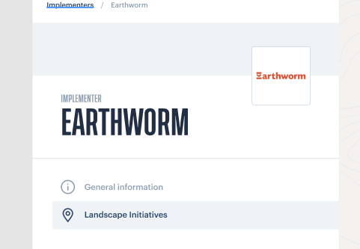 Introduce the entity of the Convenor profile (see Change buyers to generic organization entity for data model changes) Only the left menu is different compared to the default (buyer) layout. General information Landscape Initiatives (supported) Description below the title is not included |  | 0.125 | 57
FPC | Goals overview page | Grouping goals by theme | 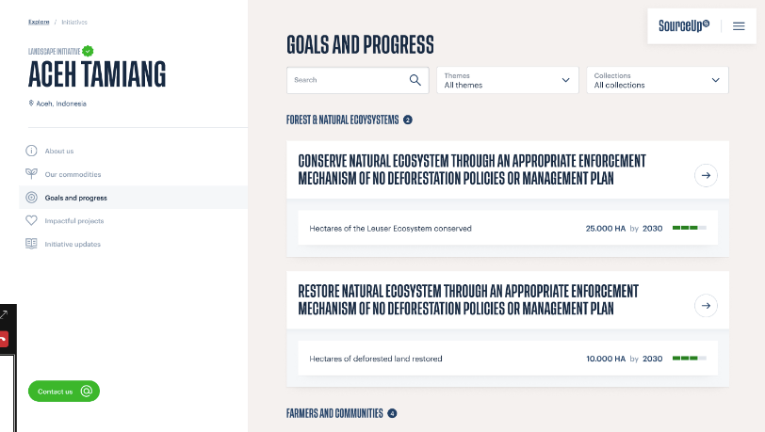 A new method to group goals by theme on the goals & indicators page. Each goal can only have one collection. Each goal can only have one theme. Group by using a heading A visual collection identifier (logo) should be applied to a goal in order to identify them as part of a specific (ore more) collection(s) |  | 0.5 | 228
FPC | Goals overview page | Show indicators grouped by their goal | 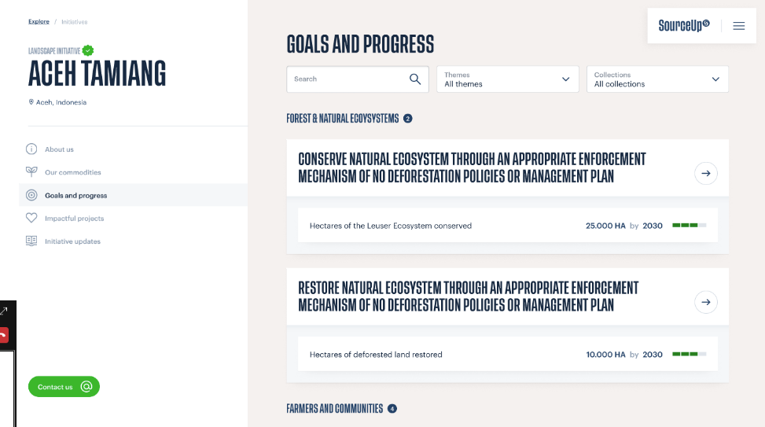 On the goals & indicator page, all indicators should be shown right away without having to click to see more. This helps buyers quickly understand what a landscape initiative is working towards. We show all indicators for this landscape initiative, grouped per goal A compact view of the target of each indicator is displayed. Design needs to be finalized. Multi-metric indicators do not exist. They are modeled as separate indicators |  | 0.25 | 114
FPC | Goals overview page | Visualisation of the progress | A visual for getting a quick overview of the progress being made at the indicator level |  | 0.25 | 114
FPC | Goals detail page | Landscape initiative specific goal description | On landscape initiative level, a descriptive text should be displayed, under the goal title. This text is not globally defined when creating/editing the Goal. Each landscape initiative will have their own goal description. | We define a {placeholder} in the data model to store this text field. A text must be able to be linked to a goal using some identifier. Needs to be managed via OutSystems (within the landscape section) An optional field. Front-end implementation should have a read more functionality (show more/show less link) | 0.5 | 228
FPC | Goals detail page | Indicator description | Adding the possibility to add a description, which is text, which is specific to each indicator within a landscape initiative. The same way indicator values (baseline, updates and targets) are currently modeled. This is an optional field. This should be displayed on the indicator detail page. |  | 0.5 | 228
FPC | Goals detail page | Narrative tab | 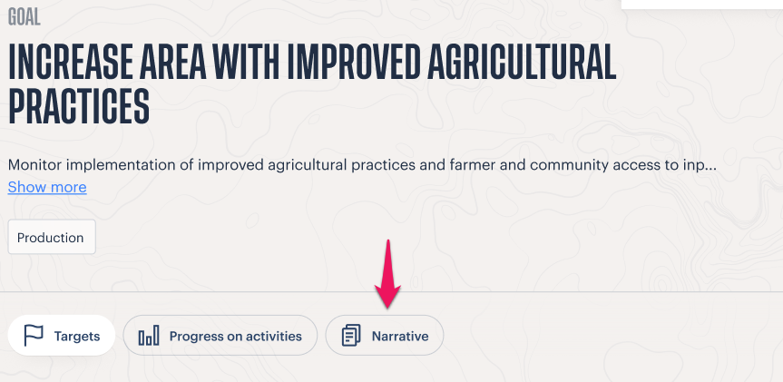 A tab on the goal detail page to display the narrative, which is an optional text field. The narrative is different per landscape initiative, the same way the goal description is different. (same functionality, blocks, different placement on page) Clicking the Narrative tab button displays the text. | Assumption: Goal description functionality is built, which we can re-use here in some way. Estimate is based on this scenario. | 0.25 | 114
FPC | Goals detail page | Indicator detail card (targets tab) | A list of "highlighted" indicators with their base line, updates and targets. Within OutSystems, a user could check a indicate that this indicator is highlighted. This will cause this indicator to show up on the Targets tab. Indicators that are not highlighted will show up on the Progress on Activities tab. Card has: - Title - Button redirects to the indicator detail page that already exists. - Baseline, latest update and targets. | Systems affected: Outsystems UI (option to highlight indicator) Back-end API (include new property for highlighting) Database (include new property for highlighting) Front-end (implement new design) | 0.25 | 114
FPC | Goals detail page | Progress on activities tab | A list of indicators that are not highlighted. Condensed view of an indicator card - Title - The last update value Grouping of indicators - A way of grouping indicators together. Phase 1, 2, 3 en 4. - It should not be a parent-child relationship. - There is no restriction of which phase should be created first (flexible). - The UI should indicate to which highlighted indicator these indicators belong to. |  | 0.5 | 228
FPC | Buffer | Sprint 0 | Preparation for the development sprint, ensuring adequate resources, and expertise needed throughout the sprint, ensuring that the sprint finishes in the dedcated time |  | 0.33 | 150
FPC | Buffer | Go live sprint (deployment) | Deploying newly developed features from the acceptance to the production environment, ensuring there are no bugs and the features are working smoothly. |  | 1 | 456
SourceUp | Communications | Update the media that can be added to compact updates | Update the current compact updates feature to include blocks that facilitate that addition of links for external videos and podcasts |  | tbd | tbd
SourceUp | Communications | Update the design icon of the compact updates | Add a border of the header image to the compact update overview icon
SourceUp | Communications | Rename ‘’Impact Stories’’ to ‘’Impact Resources’’ on the landing page | Renaming of a title on a page |  | tbd | tbd
SourceUp | Communications | Increase the size of the images that can be added for a compact story | specifics to be shared |  | tbd | tbd
SourceUp | Communications | Social media interfacing - support the sharing of content via LinkedIn | from the compact updates page, share the article to other social interfaces |  | tbd | tbd
SourceUp | Communications | Social media interfacing - support the sharing of content via Twitter | from the compact updates page, share the article to other social interfaces |  | tbd | tbd
SourceUp | Communications | Social media interfacing - support the sharing of content via Email | from the compact updates page, share the article to other social interfaces |  | tbd | tbd
SourceUp | Project improvement | Project roles and authorisations | extend the authorization to other users of the platform to be able to add and edit a project |  | tbd | tbd
SourceUp | Project improvement | Project creation flow | Setup a wizard to create a project and add its details in one flow |  | tbd | tbd
SourceUp | User sign up flow | Reduce steps | This feature needs to limit the interface transfers and simplify the proccess to sign up for the platform |  | tbd | tbd
SourceUp | General | Information button | With a hover option, a text baloon should pop up to add further explanation of selection of words. |  | tbd | tbd
SourceUp | General | Improve the platform design | Suggest improvements for UI/UX design for specific pages, improve the visual and typographic setting of new languages |  | tbd | tbd

