FULL RESULTS
How to use this tool, follow steps 1-6
1
Start off by filling in your company name and the date
stand alone version| by Rendemint bv | based on Global Compact 2010
FULL RESULTS
[COMPANY NAME]
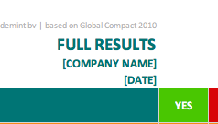

[DATE]
TOPIC | YES | NO | F/A | N/A | NOT ANSWERED
Human Rights | 0 | 0 | 0 | 0 | 96
Health and safety | 0 | 0 | 0 | 0 | 16
Hours, wages and leave | 0 | 0 | 0 | 0 | 20
Fair Treatment | 0 | 0 | 0 | 0 | 19
Community Impacts | 0 | 0 | 0 | 0 | 21
Product stewardship | 0 | 0 | 0 | 0 | 7
Country risk | 0 | 0 | 0 | 0 | 5
Suppliers | 0 | 0 | 0 | 0 | 8
LABOUR | 0 | 0 | 0 | 0 | 45
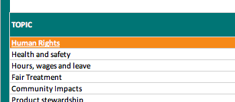
In this page (the "full results" page) choose a topic, for example
"human rights"
Trade Unions | 0 | 0 | 0 | 0 | 12
Forced labour | 0 | 0 | 0 | 0 | 10
2
Child labour | 0 | 0 | 0 | 0 | 7
Non-discrimination | 0 | 0 | 0 | 0 | 8
Suppliers | 0 | 0 | 0 | 0 | 8
ENVIRONMENT | 0 | 0 | 0 | 0 | 141
Compliance and Management | 0 | 0 | 0 | 0 | 42
Precaution | 0 | 0 | 0 | 0 | 7
Responsibility and Performance | 0 | 0 | 0 | 0 | 85
Technology | 0 | 0 | 0 | 0 | 7
ANTI-CORRUPTION | 0 | 0 | 0 | 0 | 51
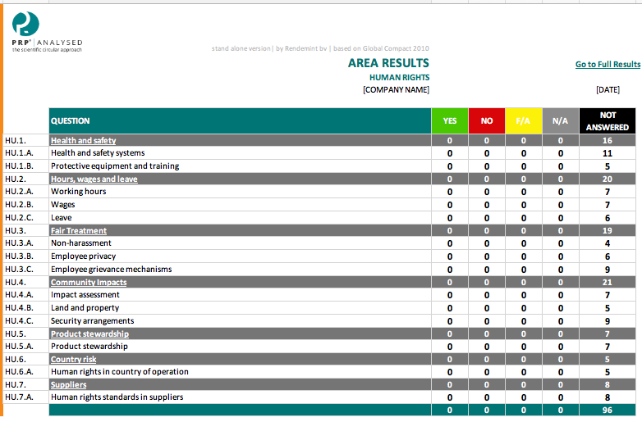
Then you are linked to the page "human rights"
ANTI-CORRUPTION ENVIRONMENT | 0 | 0 | 0 | 0 | 17
Policy and procedures | 0 | 0 | 0 | 0 | 15
THIRD PARTIES | 0 | 0 | 0 | 0 | 14
Joint Actions | 0 | 0 | 0 | 0 | 5
TOTAL | 0 | 0 | 0 | 0 | 333 | 333
3

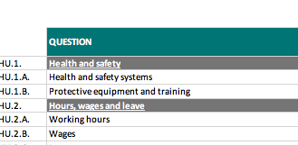
In the page "human rights" choose a question, for example about "health and safety"

4
4

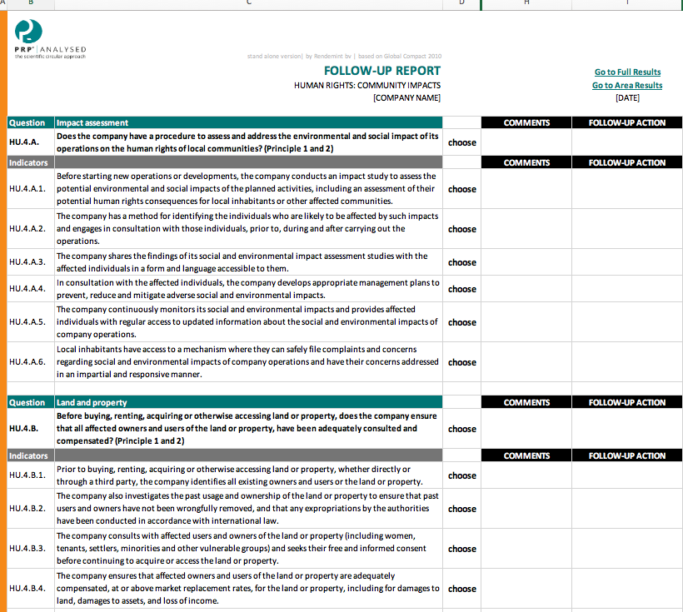
Then you are linked to the page with questions about "health and safety"

5

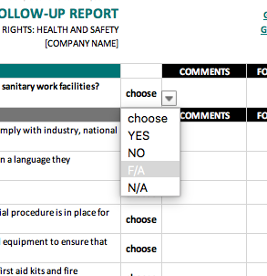
Then answer the questions by clicking on 'choose" and then on an indicator.
F/A means this subject needs "further attention"
N/A means "not applicable" if the question is not relevant to your business.

6

