013
 |  | As of June 4, 2021
1.Name of company |  | KINSO Co., Ltd. (Kintetsu Group)
2. Established |  | July .1932
3.Capital Stock |  | JPY 50mil
4. Field of profession |  | Building / equipment / interior / design / construction / outdoor and indoor signs / digital signage / exhibition decoration / planting / furniture / office equipment / rental / printed materials, etc.
5. Annual Turnover (JPY or US$ base) |  | JPY 4,700mil
6. Number of employees |  | 117
 | (1)1st Class Architects and Building Engineers | 5
 | (2) Qualified Event Directors | 4
 | (3) Other qualified staff | First-class building construction management engineer 8 First-class electrical work construction management engineer 1
7. Number of offices in Japan |  | 4
8. Number of overseas offices |  | 0
9. Location of overseas office
10. Communication langage |  | Japanese English Chinese Korean
11. Business experience with foreign clients |  | Yes
12. Past experience in Japan or abroad |  | 1990 International Flower and Greenery Expo 2005 Japan International Exposition Aichi Expo 2010 Nara Heijo1300 Year Festival 2017 National Sweets Expo Building / Equipment / Interior / Design / Construction / Sign / Furniture / Exhibition decoration / Rental / Removal 2016 G7 Ise-Shima Summit Venue renewal Interior / design / construction / sign / furniture / exhibition decoration / rental / removal
13. Home page URL |  | https://www.kinsou.com/
14. Business Contact
 | (1) Department/ Section | Corporate Planning Department
 | (2) Address | Abeno Lucius 7th floor 1-5-1 Abenosuji, Abeno-ku, Osaka 545-0052
 | (3) Phone | +81-6-6630-6290
 | (4) e-mail | soumu@kinso.jp
 | (5) Fax | +81-6-6630-6296
15 | Administrative disposition or suspension of nominations in the past year
16. References |  | First-class architect office Osaka Prefecture Governor Registration (ホ) No. 17854 Construction permit Minister of Land, Infrastructure, Transport and Tourism permission (Special-28) No. 9763 Minister of Land, Infrastructure, Transport and Tourism permission (general-28) No. 9763
https://www.kintetsu-g-hd.co.jp/lang/english/
17. Remarks |  | We are a member of the Kintetsu Group, which operates railways, logistics, commercial buildings, department stores, hotels, and leisure facilities in Kansai. We support the PR activities of our business partners with various services in cooperation with the group. Kintetsu Group Holdings Co.,Ltd

069
 |  | As of June 10, 2021
1.Name of company
2. Established |  | March 15, 1892
Design, construction, and management of the entire World Expo site and individual pavilions.
Drawing upon our extensive experience of successful project delivery and cumulative output within Japan,
we are perfectly positioned to realize our client's desire and vision.
3.Capital Stock |  | JPY 6,497 billion (listed on the First Sectioｎ, Tokyo Stock Exchange Market)
4. Field of profession |  | Research, consulting, planning, design, layout, creation, and construction to create facilities that attract visitors, as well as revitalization, operation, and management of various facilities and events. ・Expositions and Creative Events: International expos, domestic expos, trade fairs, exhibitions, conference events. ・Public Relations and Sales Promotion: Showrooms, company museums, exhibitions, POP advertising, novelties. ・Museums: Science museums, memorial halls, archives, local museums, art galleries. ・Others: Public spaces, monuments and signs, decorations, workplaces. ・Specialty Stores: Retail shops, restaurants, services, medical facilities. ・Department Stores and Merchandise Stores. ・Commercial Complexes and Shopping Centers. ・Leisure Facilities: Hotels and wedding halls, theme parks, amusement parks and facilities, sports facilities.
5. Annual Turnover (JPY or US$ base) |  | JPY 107,736 billion yen
6. Number of employees |  | Total no. of NOMURA GROUP employees (including contract workers): 2,594 Non-consolidated: NOMURA Co., Ltd. 1,360 (regular employees) Consolidated: NOMURA GROUP 2,004 (regular employees)
 | (1)1st Class Architects and Building Engineers | 118 (As of May 27, 2021)
 | (2) Qualified Event Directors | 8 (As of May 27, 2021)
 | (3) Other qualified staff | 295 First-class Building Operation and Management Engineers (As of May 27, 2021)
7. Number of offices in Japan |  | 9
8. Number of overseas offices |  | 8
9. Location of overseas office |  | Hong Kong, Milan, New York, Beijing※, Shanghai※, Chengdu※, Shenzhen※, Singapore※ （ Nomura Group companies）
10. Communication langage |  | Japanese, English, French, Spanish, Chinese, Korean
11. Business experience with foreign clients |  | Yes
12. Past experience in Japan or abroad |  | World Expo
 |  | Expo1970 Osaka Japan, Expo1975 Okinawa Japan, Expo 1982 Knoxville, Expo 1985 Tsukuba, Expo 1988 Brisbane, International Garden and Horticultural Expo1990 Osaka japan, Expo 1992 Seville, Expo 1992 GENOA, Expo 1993 Daejeon, Expo 1998 Lisbon, Expo 2000 Hannover, Expo2005 Aichi Japan, Expo 2010 Shanghai, Expo 2012 Yeosu, Expo2015 Milan
 |  | Others
 |  | IFA 2012～2019 (Panasonic) CES 2011/2015/2018 (Panasonic) RIO 2016 Olympic＆ Paraiympic Games (Panasonic/Tokyo Showcase) Flower Carpet 2016 Brussels, Belgium Panasonic Electric Works Design in Milano Salone 2011 Kaneka Milano Salone 2013
13. Home page URL |  | https://www.nomurakougei.co.jp/english/
14. Business Contact
 | (1) Department/ Section | Nomura Expo Preparation Office Business Produce Unit
 | (2) Address | Tokyo: 2-3-4 Daiba, Minato-ku, Tokyo 135-8622, Japan Osaka: 19F Parks Tower, 2-10-70, Nambanaka, Naniwa-ku, Osaka City, Osaka 556-0011, Japan
 | (3) Phone | Tokyo: +81-3-5962-1171 Osaka: +81-6-6649-3331
 | (4) e-mail | support_expo2025@nomura-g.jp
 | (5) Fax | Tokyo: +81-3-3570-2369 Osaka: +81-6-6649-3367
15 | Administrative disposition or suspension of nominations in the past year
16. References |  | Special construction license No.001059 (construction engineering, interior finishing, steel construction work, scaffolding/construction work, electrical work, carpentry work, plumbing work, plastering work, roofing work, reinforcement steel work, glazing work, waterproofing work, fittings construction work, masonry work, tile/brick/block construction work, sheet metal construction work, painting work, heat insulation work, demolition projects) Registered Architect Offices (Tokyo, Osaka)
17. Remarks |  | ・Certified to ISO 9001: 2015 Quality Management Systems https://www.iso.org/standard/62085.html ・Certified to ISO 14001: 2015 Environmental Management systems https://www.iso.org/standard/60857.html ・Privacy Mark certification A member of: ・International Federaion of Exhibition Services (IFES) https://www.ifesnet.com/ ・Experiential Designers and Producers Association (EDPA) https://www.edpa.com/ Other activities https://www.nomurakougei.co.jp/tokyo2020/en/

125
 |  | As of June 1, 2021
1.Name of company |  | MIRAIT Technologies Corporation
2. Established |  | June 15,1960
3.Capital Stock |  | JPY 3,804,000,000
4. Field of profession |  | ■Telecommunication Infrastructure Engineering ・Design, construction, maintenance of communication network infrastructure (optical fiber, ADSL, CATV, etc.). ・Consulting, design, construction, maintenance of mobile network infrastructure (radio base station etc.) ■Social Infrastructure Engineering ・Design and construction of general electrical equipment(electrical systems for buildings, electrical equipment for communications and electrical equipment for high-voltage substations). ・Design and construction of civil construction projects (general civil engineering, public projects for communications, tunnel boring projects, paving work). ■Information and Communications Technology Solutions ・Design, construction and maintenance of various video and communications solutions (cloud services, VoIP, VOD, Internet conferencing, digital signage, etc.) ・Operation and Maintenance services for enterprise networks ・Software development and sales ・System Consulting ・Sales of communications network systems and equipment ・Data center operation and maintenance, etc. ・Operation and Maintenance services for telecommunications equipment (switches, routers, servers, terminals) and other facilities. 24 hours a day/7days a week contact center, bilingual support available in Japanese and English. ■Energy Solutions ・Planning, design, construction and maintenance of solar power generation system ■Global Business ・Design, construction, and maintenance of international network infrastructure and related work
5. Annual Turnover (JPY or US$ base) |  | JPY 91,016 million yen (FY19)
6. Number of employees |  | 1,238 people
 | (1)1st Class Architects and Building Engineers | First-Class architect :1 person / Second-Class building operation and management engineer : 1 person 2 in total.
 | (2) Qualified Event Directors | Managing Engineer Civil Engineering 58 people Architecture 1 person Electricity 38 people Communication 281 people Conduit 5 people
・ Fire Defense Equipment Officer (various types): 47 people (Cumulative total)
・ Surveyor: 16 people
・ Assistant surveyor: 18 people
・ Hazardous materials handler (various types): 55 people (Cumulative total)
・ Energy manager: 2 people
・ Construction technician (various types): 458 people (Cumulative total)
・ Land radio engineer: 1st grade: 14 people 1st grade special: 215 people
・ Construction management engineer
Civil engineering 1st grade: 61 people 2nd grade: 30 people
Architecture 2nd grade: 1 person
Electricity 1st grade: 41 people 2nd grade: 5 people
Communication 1st grade: 21 people
Conduit 1st grade: 7 people
Landscaping 2nd grade: 1 person
・Pavement work operation and management engineer
1st grade: 2 people 2nd grade: 2 people
・ Electricity
Chief Electrical Engineer Type 2: 6 people Type 3: 14 people
Electrician Type 1: 52 people Type 2: 426 people
 | (3) Other qualified staff
7. Number of offices in Japan |  | 13
8. Number of overseas offices |  | 3
9. Location of overseas office |  | Australia, Philippines and Singapore
10. Communication language |  | Japanese, English
11. Business experience with foreign clients |  | Yes
12. Past experience in Japan or abroad |  | 1. Telephone / LAN system wiring work, operation and maintenance and removal work for a certain international conference in 2019 2. Network construction and removal work for a certain international sports competition organizing committee in 2019 3. Network equipment work for a certain international sports competition in 2020 (1) Design (2) Construction, maintenance and removal work for test event (3) Construction, maintenance and removal work for this competition
13. Home page URL |  | https://www.miratec.co.jp/english
14. Business Contact
 | (1) Department/ Section | Solution Business Unit, West Japan Business Division
 | (2) Address | 3-3-15 Edobori, Nishi-Ku, Osaka-shi, Osaka 550-0002
 | (3) Phone | +81-6-6446-3410
 | (4) e-mail | toda.hiroyuki@mirait.co.jp
 | (5) Fax | +81-6-6446-3418
15 | Administrative disposition or suspension of nominations in the past year
16. References | Registered Businesses | Construction Licenses Ordinary Construction license （Han-２）No. 432 January 22, 2021 Special Construction license （Toku-２）No. 432 January 22, 2021
17. Remarks

148
 |  | As of June 11, 2021
1.Name of company |  | Yasui Architects & Engineers, Inc.
2. Established |  | April 1, 1924
3.Capital Stock |  | JPY80mil
4. Field of profession |  | Building Design and Supervision
5. Annual Turnover (JPY or US$ base) |  | JPY6,301mil
6. Number of employees |  | 394
 | (1)1st Class Architects and Building Engineers | 1st Class Architects：197 Building Engineers：33
 | (2) Qualified Event Directors | -
 | (3) Other qualified staff | ・Structural Design First Class Kenchikushi(Architect) 23 ・MEP Design First Class Kenchikushi(Architect) 9 ・Quantity Surveyor 14 ・Chief Electrical Engineer 6 ・First Class Plumbing Work Operation and Management Engineer 18 ・First Class Electrical Work Operation and Management Engineer 12 ・Certified Construction Manager 16 ・First Class Building Operation and Management Engineer 19 ・Interior Planner 9 ・Interior Coordinator 15 ・Urban Renewal Planner 7 ・Healthcare Management Consultant 7
7. Number of offices in Japan |  | 4
8. Number of overseas offices |  | 2
9. Location of overseas office |  | Taiwan 、Ho Chi Minh
10. Communication langage |  | English、Japanese、Chinese、Vietnamese
11. Business experience with foreign clients |  | Yes
12. Past experience in Japan or abroad |  | ・Dalian Univ. of Technology Software Institute Library and Software Center 2004 Dalian, China ・Reversible Destiny Lofts Mitaka In Memory of Helen Keller 2005 Tokyo,Japan ・World Expo 2005 Aichi, Japan ・Inner-Mongolia Theater and Museum 2007 Inner Mongolia Autonomous Region, China ・Hotel Granvia Osaka 2012 Osaka,Japan ・Ritsumeikan Univ. Hirai Kaichiro Memorial Library 2015 Kyoto,Japan ・Resorttrust, Xiv Toba Bettei 2016 Mie,Japan ・Suntory Hall 2017 Tokyo,Japan ・KBZ Bank Naypyidaw Branch 2017 Naypyidaw,Myanmar ・Mie Kotsu Group Sports No Mori Ise Athletics Stadium 2017 Mie,Japan ・Laguna Baycourt Club Hotel & Spa Resort 2019 Aichi, Japan ・Tokyo International Cruise Terminal 2020 Tokyo,Japan ・Binh Minh Resort Hotel 2020 Phu Quoc Island, Vietnam ・Kaohsiung Project 2023(In the process of designing) Taiwan,China ・Taipei City First Fruit and Vegetable Wholesale Market / Wanda Fish Wholesale Market 2029(In the process of designing) Taiwan,China
13. Home page URL |  | https://www.yasui-archi.co.jp/
14. Business Contact
 | (1) Department/ Section | Head office International Dept.
 | (2) Address | 2-4-7 Shima-machi, Chuo-ku, Osaka 540-0034 JAPAN
 | (3) Phone | +81-6-6943-1371
 | (4) e-mail | oskkkk-1@yasui-archi.co.jp
 | (5) Fax | +81-6-6941-4094
15 | Administrative disposition or suspension of nominations in the past year
16. References |  | ・First-Class Architect Office, Osaka (Registration No.(RE)27) ・First-Class Architect Office, Tokyo (Registration No.19324) ・First-Class Architect Office, Aichi (Registration No.(I-28)874) ・First-Class Architect Office, Fukuoka (Registration No.1-11343) ・Civil Engineering Consultants (Registration of the Minister of Land, Infrastructure, Transport and Tourism KEN01No.3260) ・Acquisition of ISO 9001 Certification ・ZEB planner Sustainable open innovation initiative registration (ZEB29P-00100-PC)
17. Remarks |  | 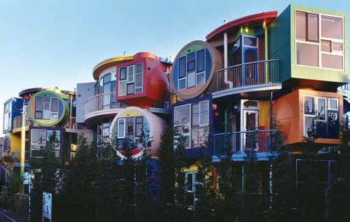 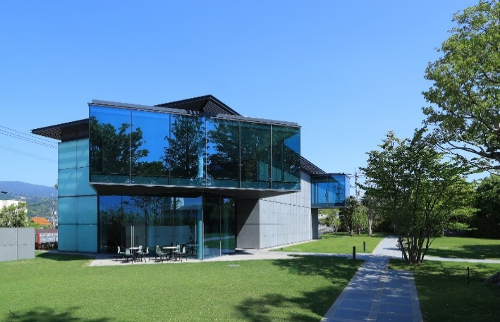 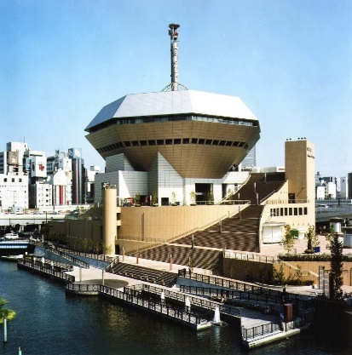 Since our founding in Osaka in 1924, Yasui Architects & Engineers have been dedicated to creating architecture in deep dialogue with our clients and society.As we near our 100th anniversary, we’re continuing to envision new notions of what architecture should be and co-designing new forms, technologies and techniques to bring it to life.

309
 |  | As of July 1, 2021
1.Name of company |  | Endo Shuhei Architect Institute
2. Established |  | May 1989
3.Capital Stock |  | 10 million yen
4. Field of profession |  | Architectural design
5. Annual Turnover (JPY or US$ base) |  | 100 million yen
6. Number of employees |  | 4
 | (1)1st Class Architects and Building Engineers | 4
 | (2) Qualified Event Directors | 4
 | (3) Other qualified staff | YAMAUCHI
7. Number of offices in Japan |  | 1
8. Number of overseas offices |  | 0
9. Location of overseas office |  | -
10. Communication langage |  | Japanese/English
11. Business experience with foreign clients |  | yes
12. Past experience in Japan or abroad |  | 1.BOURBON Head office / Growtecture B 2015 2.Awaji Ningyo-Za / Looptecture A 2012 3.Hyogo Hands-On Ecology Center / Bubbletecture H 2008 4.BOURBON BEANS DOME / Slowtecture M 2007
13. Home page URL |  | http://www.paramodern.com/
14. Business Contact
 | (1) Department/ Section | Design department
 | (2) Address | 2-14-5 Tenma Kita-ku,Osaka
 | (3) Phone | 06-6354-7456
 | (4) e-mail | endo@paramodern.com
 | (5) Fax | -
15 | Administrative disposition or suspension of nominations in the past year
16. References |  | 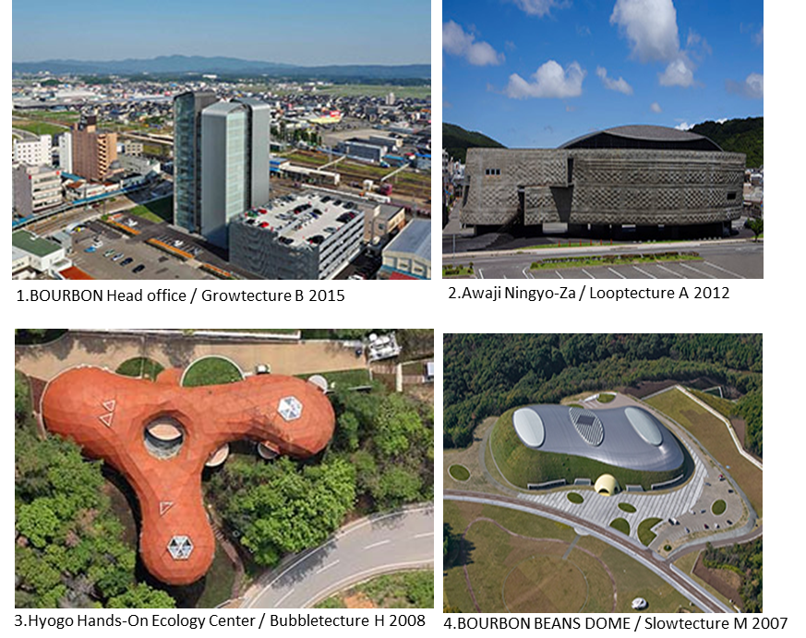
17. Remarks

310
 |  | As of July 1, 2021
1.Name of company |  | Organization for the Social Implementation of Architecture for the Near Future
2. Established |  | December 2019
3.Capital Stock |  | 100,000 yen
4. Field of profession |  | Architectural design
5. Annual Turnover (JPY or US$ base) |  | 10 million yen
6. Number of employees |  | 2
 | (1)1st Class Architects and Building Engineers | 1
 | (2) Qualified Event Directors | 1
 | (3) Other qualified staff | -
7. Number of offices in Japan |  | 1
8. Number of overseas offices |  | 0
9. Location of overseas office |  | -
10. Communication langage |  | Japanese/English
11. Business experience with foreign clients |  | yes
12. Past experience in Japan or abroad |  | 1.Auberge Genju / Rooftecture OG 2020 2.BLUE SKY LAUNDRY Yokkaichi 2019
13. Home page URL |  | https://www.eco-genba.com/
14. Business Contact |  | AOI ENDO
 | (1) Department/ Section | Sales department
 | (2) Address | 7-2-210 Minamiougimachi Kita-ku,Osaka
 | (3) Phone | 06-6354-7456
 | (4) e-mail | eco.genba@gmail.com
 | (5) Fax
15 | Administrative disposition or suspension of nominations in the past year
16. References |  | 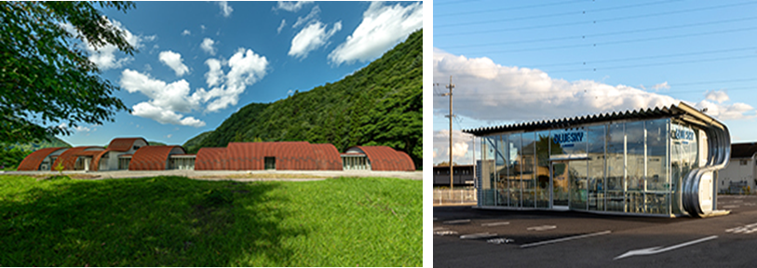
17. Remarks

