1. Total price
Framework agreement for the purchase and delivery of traction
components for traction power substation tram and metro

Appendix 9 Pricesheet

Fill-in instruction:
The total prices are included on this 1st tab and is intended for signing. The prices included in this tab are automatically generated by
the 3 other tabs. The Tenderer is requested to complete this form. The following instruction applies:
The tenderer must only provide the yellow colored cells with the requested information;
Tenderers must complete all requested prices in full using the price sheet;
The stated prices must be rounded to a maximum of two decimal places;
Misinterpretation of the price sheet is the responsibility of the Tenderer.
Questions about this price sheet can be asked, in accordance with the options described in the Tender Guidelines;
Failure to fill in this appendix completely, making changes or making additions to the price sheets will result in:
invalidation of your registration and therefore exclusion;
Submitting prizes that do not meet the requirements set out in paragraph 5.3.1. of the Tender Guidelines such as negative prices,
zero prices and unaccountable prices are not allowed on pain of exclusion;
The prices must include all costs necessary for the performance of the work, including overhead, execution costs,
travel costs, general costs, profit and risk, depreciation costs and the like. Costs that are not included in the template cannot be charged to GVB;
The quotation must be made in Euros and exclusive of VAT;

Prices offered:
Tab 2 Price list | € 0.00
Tab 3 Service, maintenance & training | € 0.00
Tab 4 TCO | € 0.00
Totaal price: | € 0.00
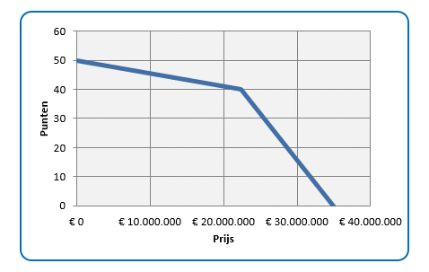

Explanation: The score in points for your total price for the standard range price list is determined on the basis of this graph

Date:
Organisation:
Name of representative of Tenderer or Coordinator:
Position:
Signature:

