Risman explanation
What does the RISMAN method involve (Source: CROW)
The RISMAN method is a risk management method.
This method was originally developed for projects.
This RISMAN method is also suitable for organisations and programmes.
The remainder of this document will mainly address risk management for projects.

The purpose of risk management in case of projects
Risk management in case of a project has several purposes:

* Identification and mentioning risks opens the risks to a project to debate.
The various risks “inside the heads” of the project team members become visible to everyone so that the same
image can arise within the project team concerning the (main) risks to the project.
This creates a strong risk awareness within the project organisation, which makes it possible to make deliberate choices with
respect to risk control. The introduction of risk management within a project means that risks are
inventoried and discussed on a regular basis with fixed intervals. The risks within the project are kept “top of mind” and there is
continuous attention for controlling these risks.

* Risks are handled proactively instead of reactively
Indicating and implementing the control measures and before risks actually materialise makes it possible to handle risks in a proactive manner
instead of waiting for the risk to materialise and only then take action to limit the consequences.

* Handling risks in a conscious manner and considering the control measures instead of “associative”, intuitively.
Carrying out a risk analysis means that risks and control measures are inventoried in a structured manner rather than in a random manner.
This will create a more complete image of the risks to a project and the probability of “project blindness” is reduced.

What is risk management in case of projects?
Risk management can be seen as a cyclical process that consists of several steps
(see figure 2).
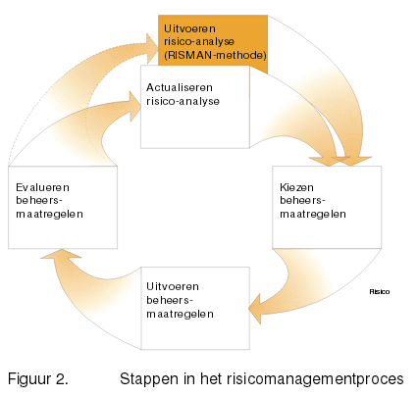

Step 1: performance of an integral risk analysis
A first step is to provide insight into the status at a certain moment.
This takes place by conducting an integral risks analysis.

The RISMAN method considers the project from the following perspectives, so that an integral image is obtained:
* political/administrative
* financial/economic
* legal
* technical
* organisational
* geographic/spatial
* social.

The result of the risk analysis is a list of risks sorted by the extent of the risk to the project
indicating the possible measures to reduce the probability that the risk materialises or to reduce the consequences of the
risk. We refer in this connection to “control measures”.

The risk analysis forms the basis of risk management and must be repeated at certain moments, namely:
1. at the moment major changes occur in the environment during the project
2. at the start of every new project phase.

Stap 2: determine control measures
The risk analysis presented several possible control measures for the main risks.
The project leadership (project manager, MT) decides which of these measures are actually implemented.
This takes place on the basis of on the one hand the expected impact of the control measures and on the other
the costs or effort required by the control measure. It is also determine who will actually implement
the control measure or who is responsible for implementation.

The result is a list that includes successively:
1. the risk
2. the control measures determined
3. the person responsible.

Stap 3: implementation of control measures
The responsible persons subsequently ensure that the measures are actually implemented.

Stap 4: evaluation of control measures
It must be reviewed on a regular basis whether the control measures were implemented and whether the control measures had the desired effect.
This can take place on a monthly basis during project consultation or management consultation.

Stap 5: updating the risk analysis
The list of risks that was generated originally by the risks analysis has to be updated following the evaluation
of the control measures. This means that it is assessed which risks can be removed from the list because they are no longer current as a result
of the measures implemented or as a result of the passage of time. Possible new risks are also inventoried and added to the list.
The project employees and project leadership provide input for this purpose. They are able to identify the risks on the basis of the planning, assessment and the
quality requirements that have been determined. Control measures for the new risks are inventoried as well during this consultation.

Starting points of risk management in case of projects
The main starting points in the organisation of risk management are:

1. Risk management must be in line with existing procedures.
Risk management must be in line with the existing procedure within the project as much as possible.
Reports concerning risks and the control measures implemented will therefore have to take place at the same level and at the same time
as the reporting on the related control aspects, such as in the progress reports.
The identification of new risks and the conception and monitoring of control measures must take place during all project consultations.

2. Risk management follows control.
This means that the responsibility for a risk lies where the responsibility for the work to which risk may
relate lies. In other words, every project leader or project team member is responsible for identifying
and implementing measures that are part of his responsibility.

Risk management becomes the responsibility of each project team member. The starting point that the project team members are made personally responsible
for performance of risk management is important to the successful implementation
of risk management. This means that risk management cannot be outsourced in full to an external party.
An external party can provide assistance in this connection. Risk management should become a part of team meetings that recurs on a regular basis.
Employees must recognise its usefulness and become enthusiastic about it: it must become “alive” within the project.

